30.05
 | CUSTOMER : CORTIEZ
 | STYLE NUMBER: CRTZ_1293
 | MEASUREMENT BY CM
No. | POM Name | ONE SIZE
A | WIDTH BALACLAVA AT WIDEST POINT | 25.5
B | HEIGHT BALACLAVA AT CF TO POINT OPEN | 26
C | LENGTH FROM CF NECK SEAM TO TOP OF BALACLAVA | 44

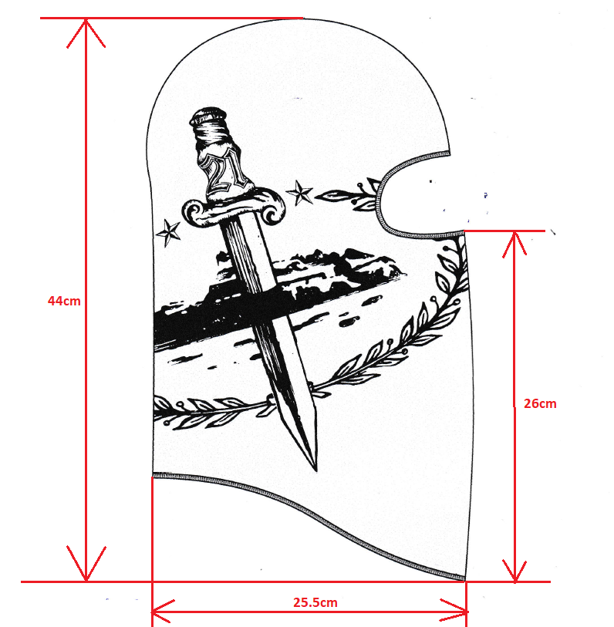

C

B

A

