Table 1
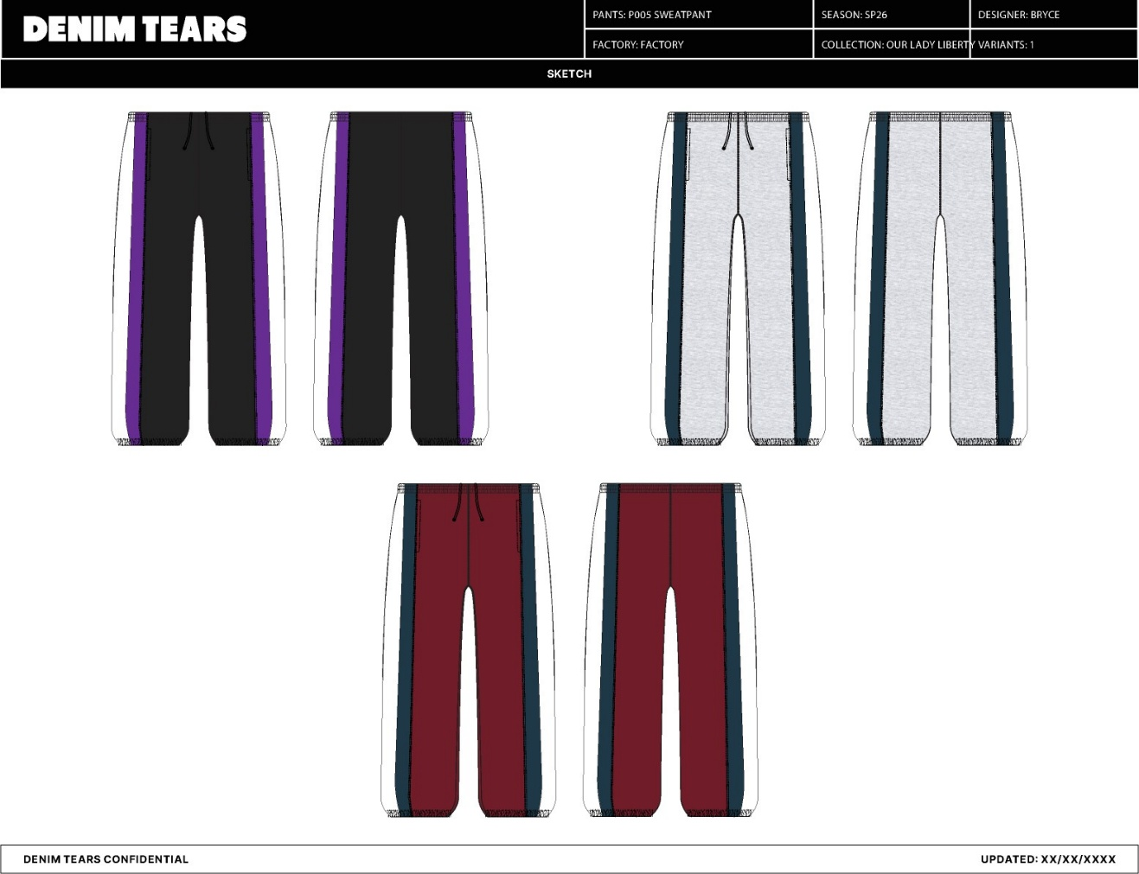
M
Name DT Stripe Panel Open Hem Sweatpant Style No. SS26BAS1451 Description DT Stripe Panel Open Hem Sweatpant Division Mens Category Sweatpant Season Spring/Summer Year 2026
Size Scale -Sample size
XXL
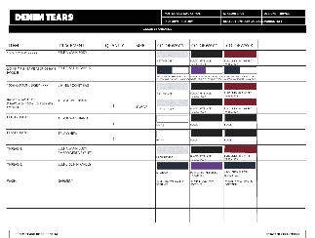
1. No Color Assigned
Style Color Code
Not Set
Carryover/New
Not Set
XS S
M
L XL
DT Stripe Panel Open Hem Sweatpant | Created by/Author 1/29/2026 Genny Mayden genny@denimtears.com


SP26-P005_Sweatpant-1

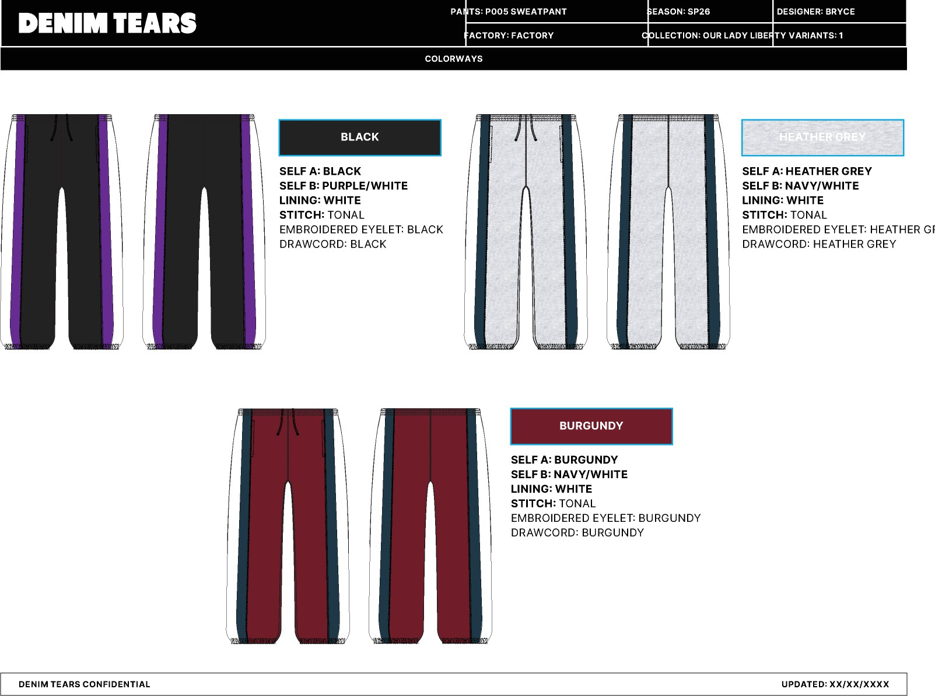
SP26-P005_Sweatpant-2

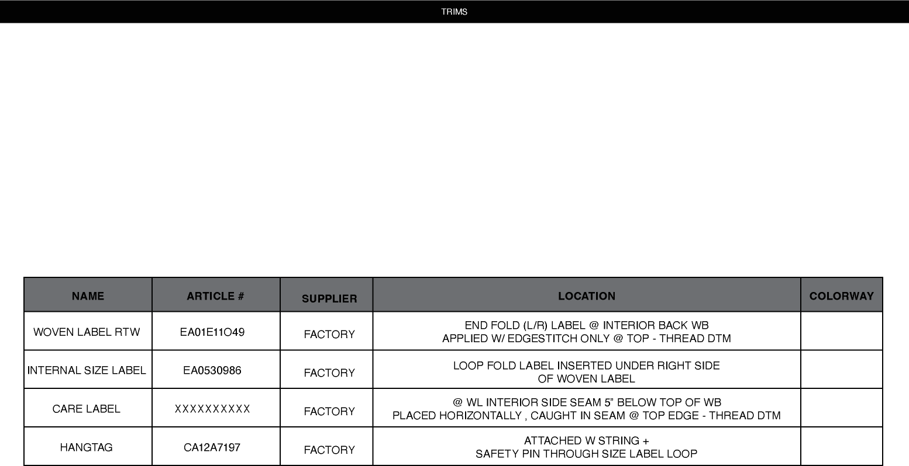
BOTTOMS-SWEATPANTS-BLOCK-1

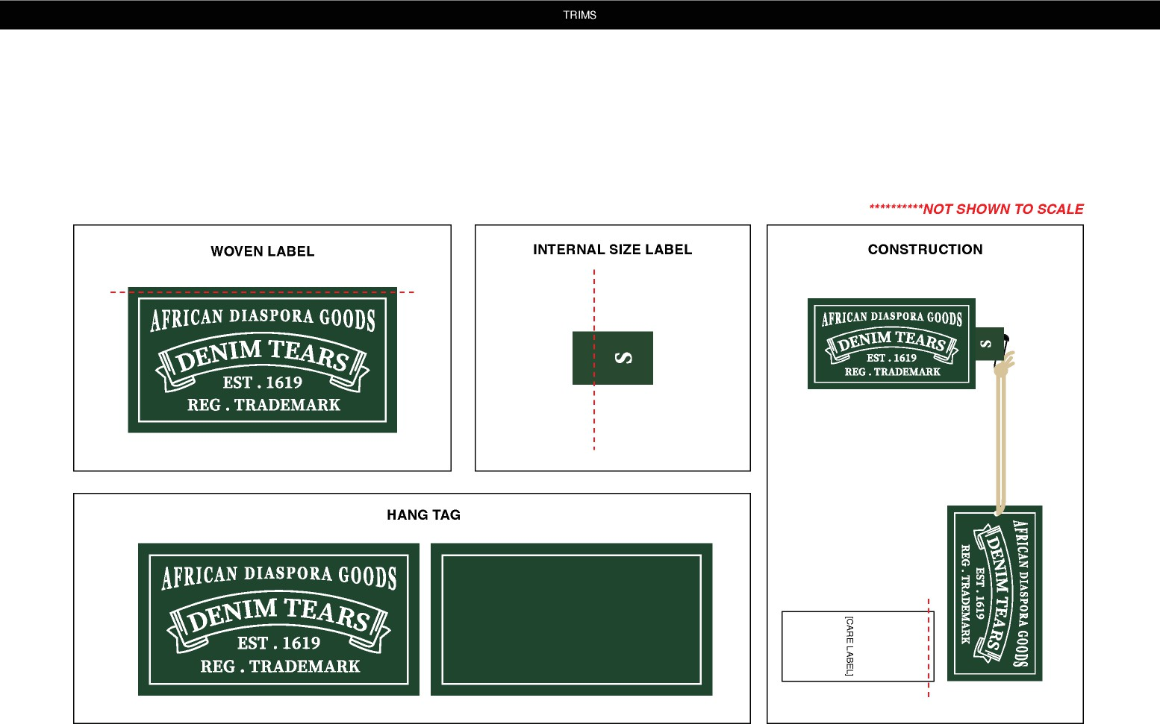
BOTTOMS-SWEATPANTS-BLOCK-2

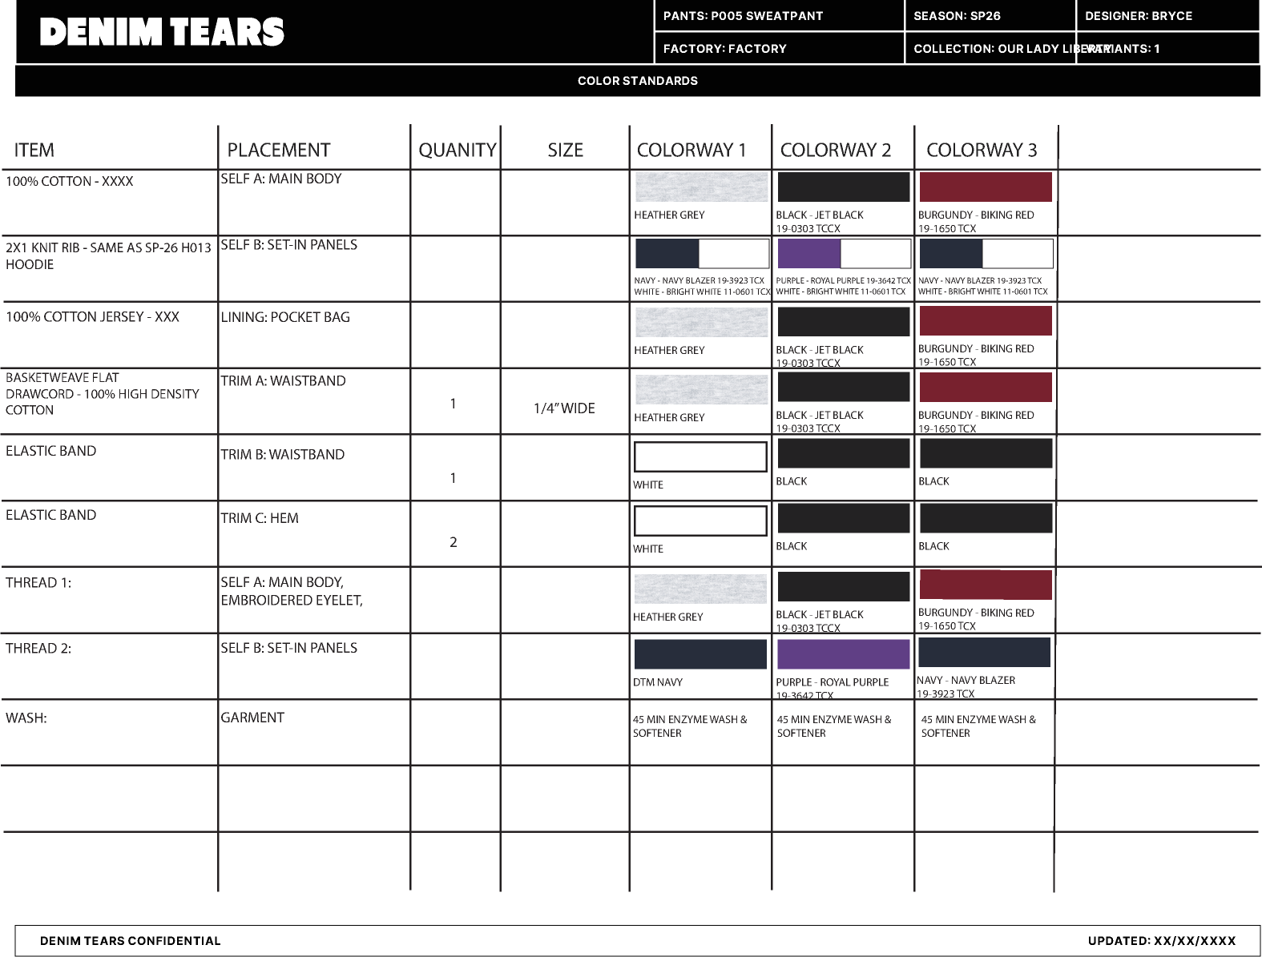
SP26-P005_Sweatpant-4 1. No Color Assigned

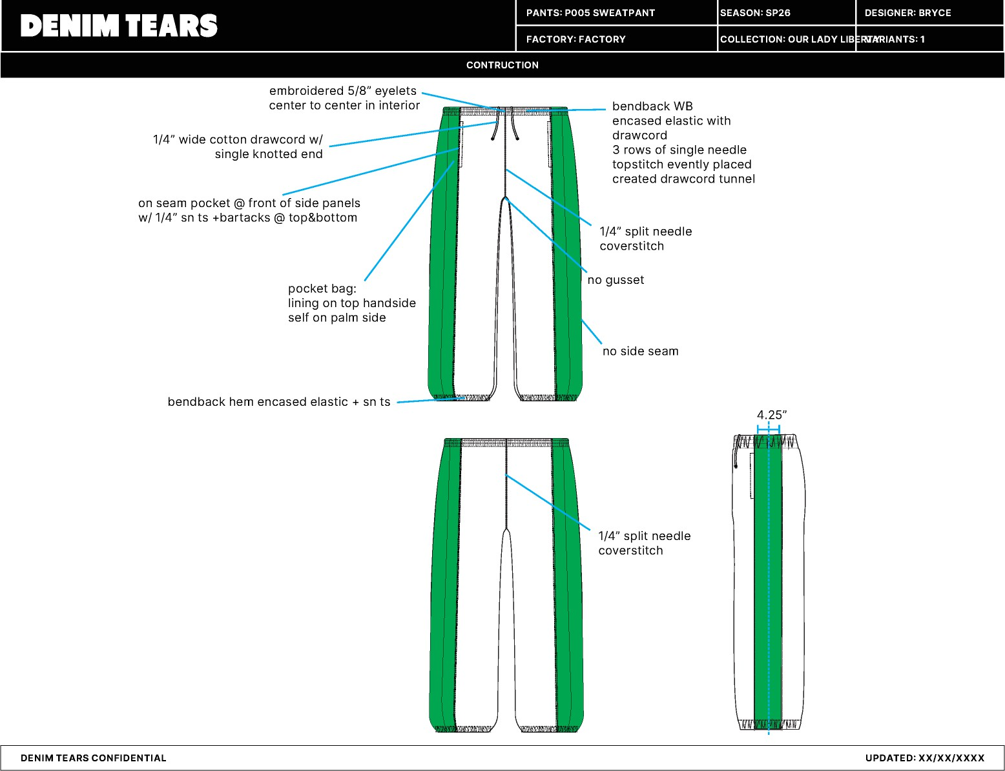
SP26-P005_Sweatpant-3

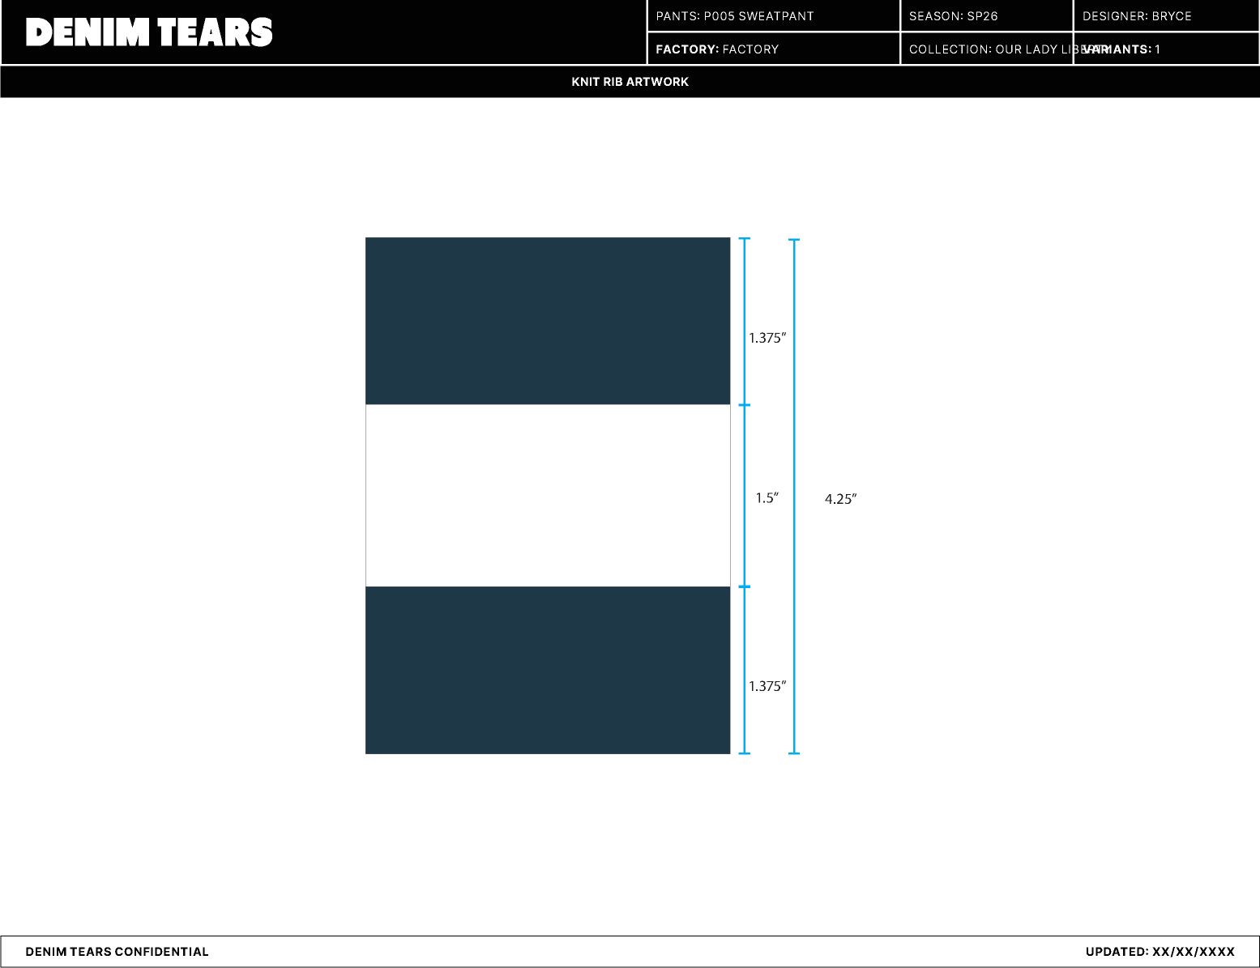
SP26-P005_Sweatpant-6

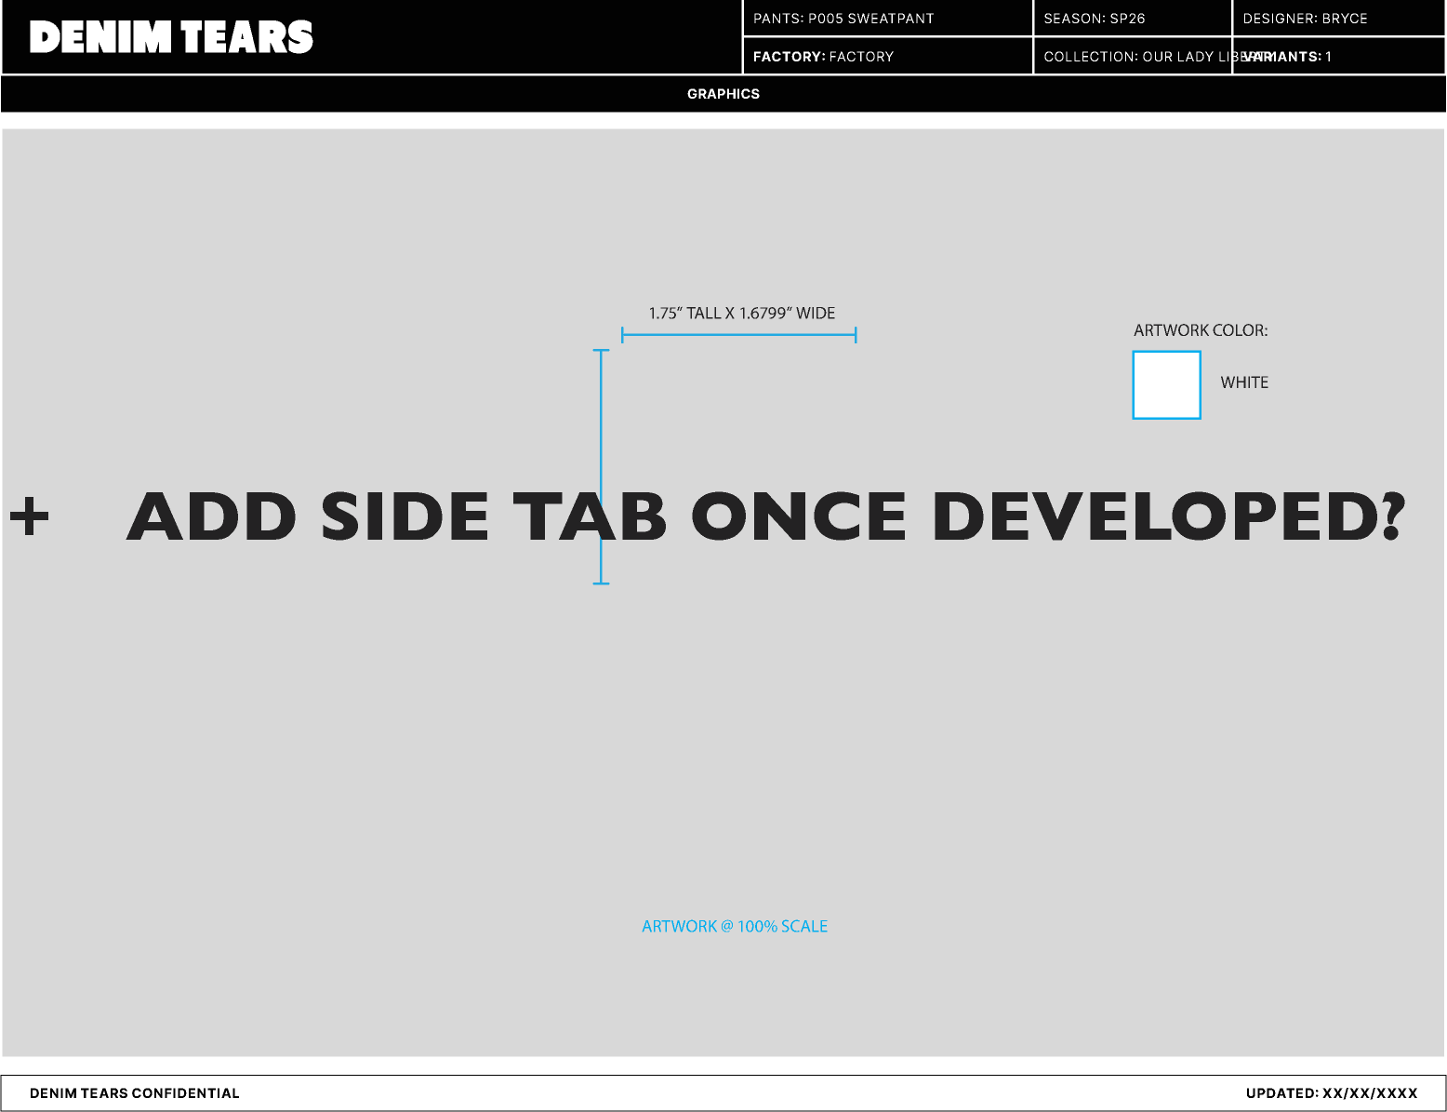
SP26-P005_Sweatpant-5

PP
DT Stripe Panel Open Hem Sweatpant - Style #SS26BAS1451 Mens, Sweatpant, Spring/Summer, 2026 |  |  |  |  |  |  |  | Size Specifications - Measurements / PPS - Black 01-29-2026
Measured Size: M/L POINT OF MEASURE |  | CODE | TOLERANCE | EXPECTED | 1ST PROTO - RCVD | VARIANCE |  | ADJUSTED BY +/- | REVISED SPEC | MEASUREMENT NOTES | MEASUREMENT STATUS

Waist @ WB Edge (Relaxed) | NGANG EO ĐO TẠI CẠNH ĐO ÊM | zvFldU | 3/8 in | 15 1/4 in | 15 3/4 in | 1/2 in | 0 in |  | 15 1/4 in |  | Back To Spec
Waist @ Edge (Extended) | NGANG EO ĐO TẠI CẠNH KÉO CĂNG | 90UTTm | 3/8 in | 22 in | 22 in | 0 in | 0 in |  | 22 in |  | -
WB Height | TO BẢN EO | UBN6PW | 1/8 in | 1 7/8 in | 2 in | 1/8 in | 0 in |  | 1 7/8 in |  | -
Low Hip @ 8" Below WB Seam | NGANG HÔNG DƯỚI ĐƯỜNG MAY EO 8" | git1Gu | 3/8 in | 23 1/4 in | 23 1/2 in | 1/4 in | 0 in |  | 23 1/4 in |  | -
Thigh @ 1" Below Crotch | NGANG ĐÙI DƯỚI ĐÁY 1" | X3rywO | 1/4 in | 14 3/4 in | 15 in | 1/4 in | 0 in |  | 14 3/4 in |  | -
Knee @ Half of Inseam | NGANG GỐI ĐO TẠI VỊ TRÍ 1/2 DÀI SƯỜN TRONG | LC56eg | 1/4 in | 11 1/4 in | 11 1/4 in | 0 in | 0 in |  | 11 1/4 in |  | -
Leg Opening (Relaxed) | RỘNG LAI ĐO ÊM | fQu0Dk | 1/4 in | 6 1/2 in | 6 1/2 in | 0 in | 0 in |  | 6 1/2 in |  | -
Leg Opening (Extended) | RỘNG LAI KÉO CĂNG | XG5k9p | 1/4 in | 8 1/4 in | 8 1/4 in | 0 in | 0 in |  | 8 1/4 in |  | -
Turnback Height @ Leg Opening | TO BẢN LAI QUẦN | AHYaQ2 | 1/8 in | 1 in | 1 in | 0 in | 0 in |  | 1 in |  | -
Front Rise from WB Edge | DÀI ĐÁY TRƯỚC TỪ ĐƯỜNG MAY EO | 0lk1vw | 1/4 in | 13 1/2 in | 13 5/8 in | 1/8 in | 0 in |  | 13 1/2 in |  | -
Back Rise from WB Edge | DÀI ĐÁY SAU TỪ ĐƯỜNG MAY EO | Uu3xDT | 1/4 in | 18 in | 18 1/4 in | 1/4 in | 0 in |  | 18 in |  | -
Inseam Length | DÀI SƯỜN TRONG | RVmCjg | 1/4 in | 30 in | 30 in | 0 in | 0 in |  | 30 in |  | -
Outseam Length from WB Edge to Cuff | DÀI SƯỜN NGOÀI TỪ ĐƯỜNG MAY EO | YUbVae | 1/4 in | 41 3/4 in | 41 1/2 in | -1/4 in | 0 in |  | 41 3/4 in |  | -
Hand Pocket Below WB Edge | VỊ TRÍ TÚI SƯỜN TỪ CẠNH EO XUỐNG | pZyscG | 1/8 in | 3 in | 3 1/8 in | 1/8 in | 0 in |  | 3 in |  | -
Hand Pocket Opening Length | DÀI MIỆNG TÚI | ozon2y | 1/8 in | 7 in | 6 7/8 in | -1/8 in | 0 in |  | 7 in |  | -
Pocket Bag Width @ Bottom of Pocket Opening (Seam to Edge) | RỘNG LÓT TÚI TẠI VỊ TRÍ LAI TÚI | p36ZFb | 1/4 in | 8 1/4 in | 8 1/2 in | 1/4 in | 0 in |  | 8 1/4 in |  | -
Pocket Bag Height from Waist Sm at Center | CAO LÓT TÚI TỪ ĐƯỜNG MAY EO TẠI GIỮA BAO TÚI | 4wOAyH | 1/4 in | 12 in | 12 1/8 in | 1/8 in | 0 in |  | 12 in |  | -
Drawcord Drop at WB (Exposed Length) | DÀI DÂY LUỒN TẠI EO CÓ THỂ NHÌN THẤY | xmREXa | 1/4 in | 9 in | 7 in | -2 in | 0 in |  | 9 in |  | Back To Spec
Distance Between Buttonholes/Eyelets at WB (Extended) | KHOẢNG CÁCH MẮC CÁO TẠI LƯNG KÉO CĂNG | EWHyux | 1/4 in | 2 in | 2 in | 0 in | 0 in |  | 2 in |  | -
Side Panel Width (Total) | RỘNG PHỐI TẠI SƯỜN ( TỔNG CỘNG) | 1pjqRc | 1/8 in | 4 1/4 in | 4 1/4 in | 0 in | 0 in |  | 4 1/4 in |  | -

SS26BAS1451 DT Stripe Panel Open Hem Sweatpant - 2nd proto-02.jpg
Fitting 1.29.26 - Misha Strelnikov CREATED ON JAN 29, 2026 9:01 PM
STATUS: APPROVED TO TOP W/ COMMENTS
FIT/PATTERN 1) Waist needs to be tighter> reduce Waist Relaxed -1/2" to meet target at 15 1/4" 1) Vòng eo cần ôm hơn → giảm Eo đo êm đi 1/2" để đạt target 15 1/4" 2) Drawcords are too short> increase total drawcord length +4" total so the Drawcord Drop is at 9" Exposed on each side 2) Dây luồn đang quá ngắn → tăng tổng chiều dài dây luồn thêm 4", để Dài dây luồn đạt 9" lộ ra ở mỗi bên 3) All other points can be accepted within tolerance 3) Các điểm còn lại có thể chấp nhận trong dung sai.
CONSTRUCTION/WORKMANSHIP **Approved as per PP Duyệt như mẫu PP
SS26BAS1451 DT Stripe Panel Open Hem Sweatpant - PPS.jpg
 | 