Design Front Sheet
REISS - JERSEY

Season/group: | MCLAREN SEASON 3 |  | Supplier: | UNAVAILABLE | Designer: | FRAN
Style name: | DELTA |  | Country: | VIETNAM | Tech: | LAUREN
Description: | SHORT |  | Block: | AIME LEON DORE - FACTORY REF | Date: | 17/06/25
Design Front Sheet
Main Fabric: |  | MAIN -1-2001A42
Range: |  | MCLAREN
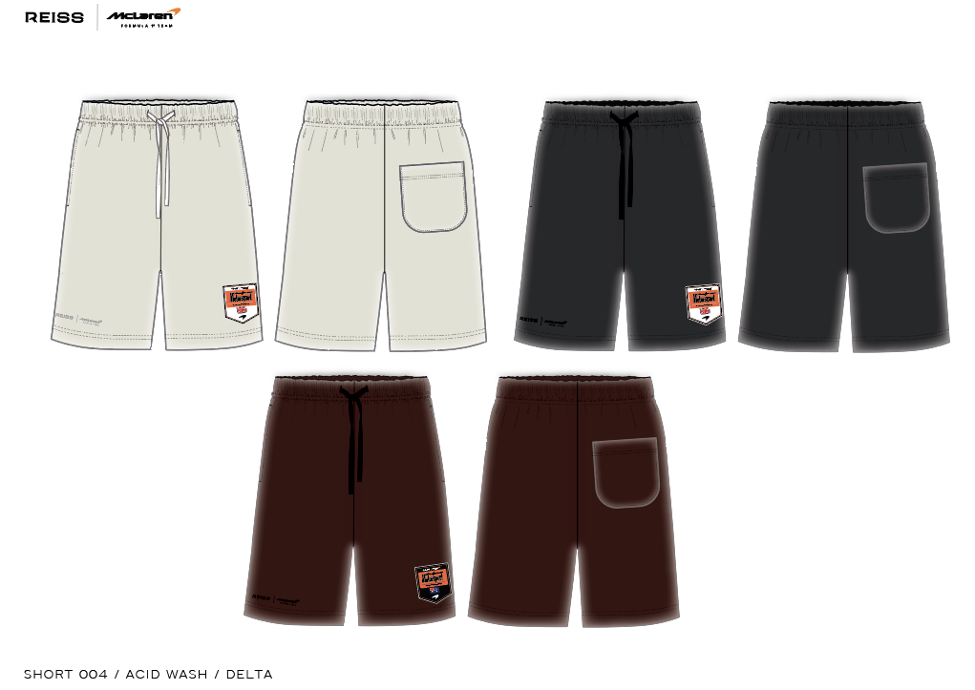 PLEASE SUBMIT PRINT STRIKE OFFS ON CORRECT GARMENT DYE / WASHED PANELS. BLOCK - FOLLOW AIME LEON DORE / NEW BALANCE SHORT, SEE DETAILS PAGE FOR REFERENCE IMAGE.

Design Details
REISS JERSEY

Season/group: | MCLAREN SEASON 3 |  | Supplier: | UNAVAILABLE | Designer: | FRAN
Style name: | DELTA |  | Country: | VIETNAM | Tech: | LAUREN
Description: | SHORT |  | Block: | AIME LEON DORE - FACTORY REF | Date: | 17/06/25
Design Front Sheet
Main Fabric: |  | MAIN -1-2001A42
Range: |  | MCLAREN

