Design Front Sheet
REISS - JERSEY

Season/group: | MCLAREN SEASON 3 |  | Supplier: | UNAVAILABLE | Designer: | FRAN
Style name: | DREXOM |  | Country: | VIETNAM | Tech: | LAUREN
Description: | HOODIE |  | Block: | AIME LEON DORE - FACTORY REF | Date: | 17/06/25
Design Front Sheet
Main Fabric: |  | MAIN -1-2001A42 RIB -1-3904A33
Range: |  | MCLAREN
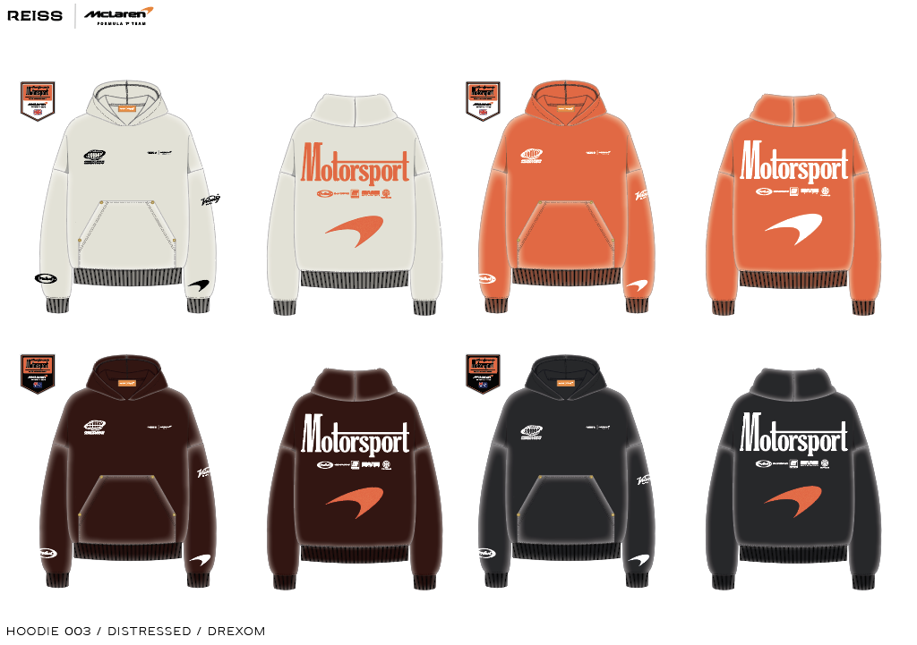 PLEASE SUBMIT SCREEN PRINT STRIKE OFFS ON CORRECT GARMENT DYE / WASHED PANELS. FACTORY TO SUBMIT MOCK UP OF POCKET + RIVETS AFTER WASH BLOCK - FOLLOW AIME LEON DORE ZIP THROUGH HOODIE, SEE DETAILS PAGE FOR REFERENCE IMAGE.

Design Details
REISS JERSEY

Season/group: | MCLAREN SEASON 3 |  | Supplier: | UNAVAILABLE | Designer: | FRAN
Style name: | DREXOM |  | Country: | VIETNAM | Tech: | LAUREN
Description: | HOODIE |  | Block: | AIME LEON DORE - FACTORY REF | Date: | 17/06/25
Design Front Sheet
Main Fabric: |  | MAIN -1-2001A42 RIB -1-3904A33
Range: |  | MCLAREN

 |  |  |  |  |  |  | FOR CHEST POSITIONS FOLLOW AIME HOODY

