LAYOUT REF
LAYOUT THAM KHẢO NHƯ BÊN DƯỚI - THÔNG TIN DETAIL CẦN CHỈNH SỬA XEM SHEET DETAIL

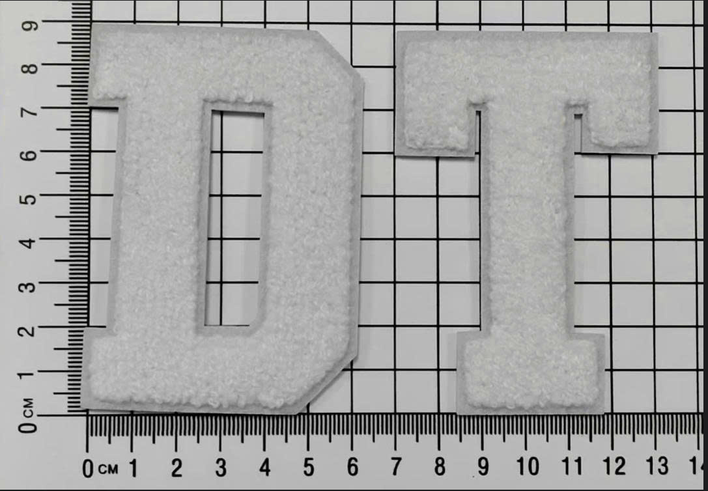

 |  | 2

 | 1

