LAYOUT REF
Ngôi sao và sọc | RED DAHLIA - 19-1555 TCX - duyệt màu theo pantone

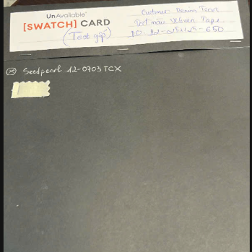
Nền : | SEEDPEARL 12-0703 TCX - duyệt màu theo labdip ( đã chuyển bảng duyệt màu labdip)

