LAYOUT
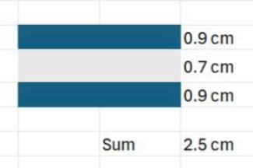
LAYOUT NHƯ BÊN DƯỚI
 | Nền layout | Trim color
 |  | WHITE/BLACK | WHITE/LIGHT BLUE
 |  | WHITE | WHITE
 |  | BLACK | LIGHT BLUE
 | Test màu bằng labdip - Mer sẽ cung cấp labdip

