DETAIL
DENIM TEARS - SS26 - PRODUCTION - XUẤT HÀNG 9/1/2026 |  |  |  |  |  |  | US | Summarry | JAPAN | Summarry
 |  |  |  |  |  |  |  | 970 |  | 140
No. | SKU | Style name | Items | FABRIC | PICTURE/TECHPACK RECEIVING | CARE INTRUCSTION | NOTE 1 | QTY'S OF COLUMN M | NOTE 1 | QTY'S OF COLUMN O | SUM
1 | SS26TZH1430 | All Over Floral Wreath Zip Hoodie | HOODIE | 100% COTTON |  | Machine Wash Cold, Tumble Dry Low, Low Iron if Needed Do not bleach , Do not dry clean | Lot N. 106283 RN#162838 | 180 | Lot N. 106289 RN#162838 | 20 | 200
2 | SS26TZH1507 | Plates Zip Hoodie | HOODIE | 100% COTTON |  | Machine Wash Cold, Wash inside out, Tumble Dry Low, Low Iron if Needed Do not bleach , Do not dry clean | Lot N. 106283 RN#162838 | 130 | Lot N. 106289 RN#162838 | 20 | 150
3 | SS26THD1607 | Seasonal Biblical Hoodie | HOODIE | 100% COTTON |  | Machine Wash Cold, Tumble Dry Low, Low Iron if Needed Do not bleach , Do not dry clean | Lot N. 106283 RN#162838 | 200 | Lot N. 106289 RN#162838 | 20 | 220
4 | SS26BAS1452 | All Over Floral Wreath Sweatpant | PANTS | 100% COTTON |  | Machine Wash Cold, Tumble Dry Low, Low Iron if Needed Do not bleach , Do not dry clean | Lot N. 106283 RN#162838 | 145 | Lot N. 106289 RN#162838 | 20 | 165
5 | SS26TSS1562 | Cloud Camo SS Tee | SS TEE | 100% COTTON |  | Machine Wash Cold, Tumble Dry Low, Low Iron if Needed Do not bleach , Do not dry clean | Lot N. 106283 RN#162838 | 120 | Lot N. 106289 RN#162838 | 20 | 140
6 | SS26TSL1571 | Taz LS Tee | LS TEE | 100% COTTON |  | Machine Wash Cold, Tumble Dry Low, Low Iron if Needed Do not bleach , Do not dry clean | Lot N. 106283 RN#162838 | 85 | Lot N. 106289 RN#162838 | 20 | 105
7 | SS26TSS1616 | Jacquard City SS Tee | SS TEE | 100% COTTON |  | Machine Wash Cold, Tumble Dry Low, Low Iron if Needed Do not bleach , Do not dry clean | Lot N. 106283 RN#162838 | 110 | Lot N. 106289 RN#162838 | 20 | 130

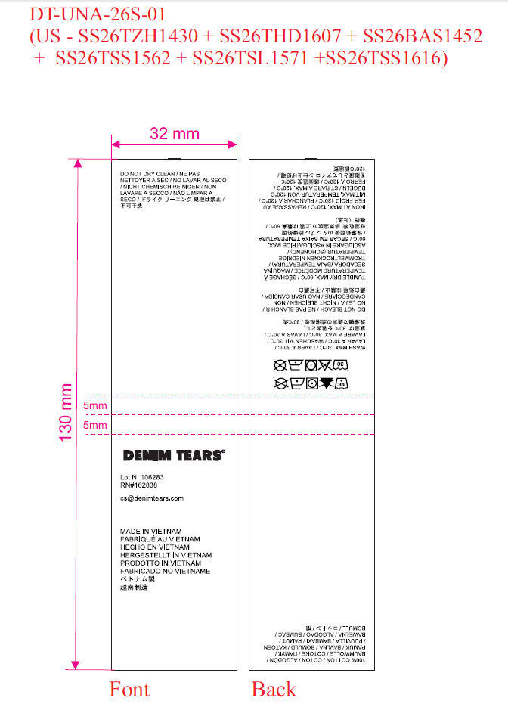
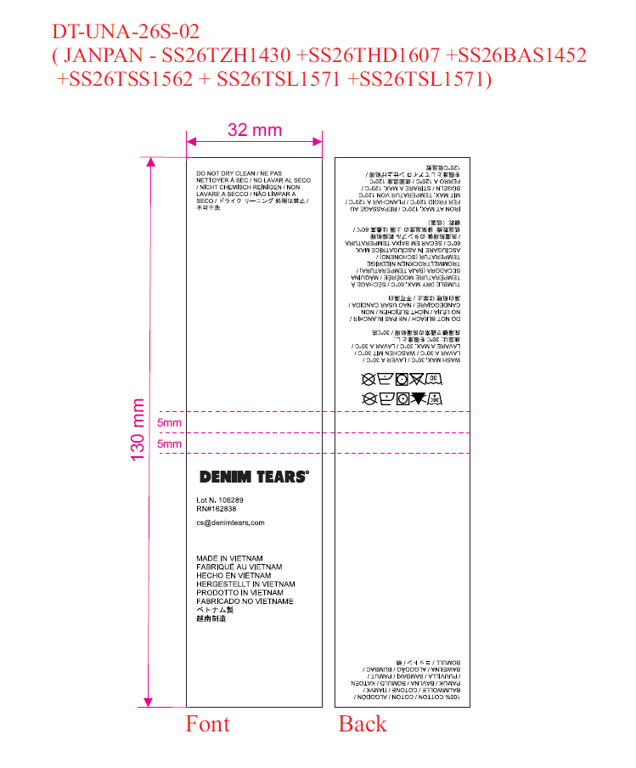
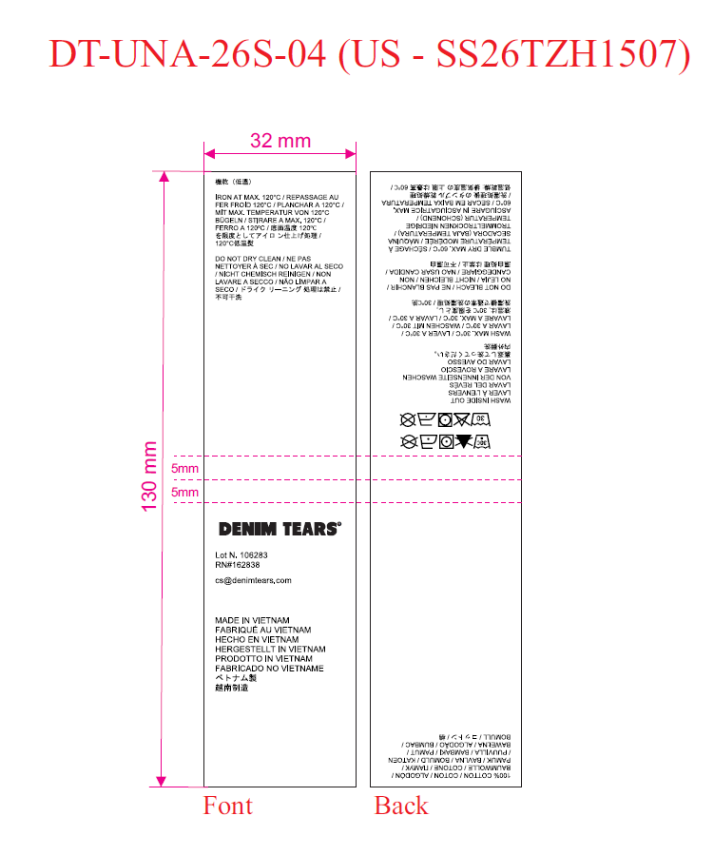
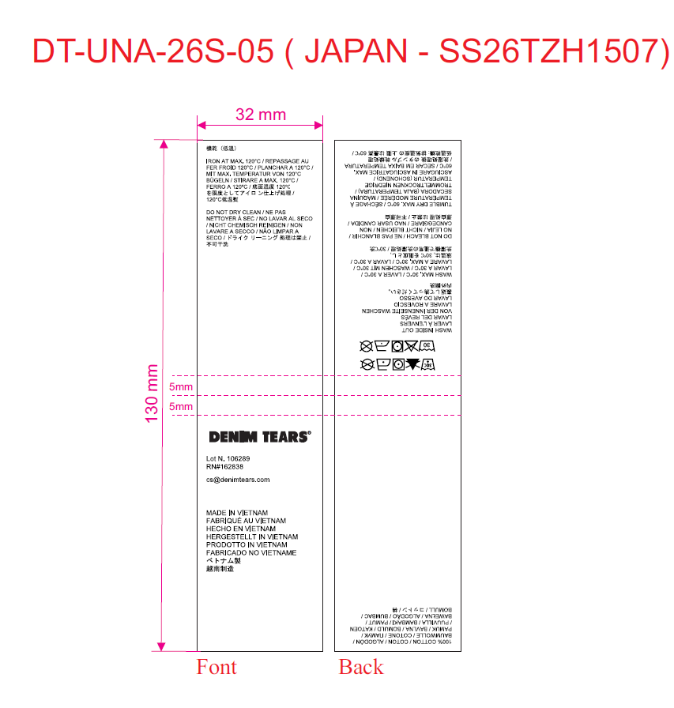
 |  |  |  |  |  |  |  |  |  |  | 1110

 |  | 1-3-4-5-6-7
 |  |  |  |  | 1-3-4-5-6-6
 |  |  |  |  |  |  | 2 |  |  |  |  | 2

