SPEC
 |  |  |  | DATE |  | 13.6.25 |  | 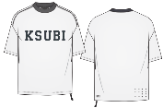

 |  |  |  | SEASON |  | PREFALL 25

 |  |  |  | DESIGNER |  | BEN

 |  |  |  | SPEC BY |  | CHARLIE

BRAND | KSUBI

STYLE NUMBER | MPS26TE025

STYLE NAME | TOUCHDOWN EKCESS SS TEE

VENDOR | UNAVAILABLE

POINT OF MEASUREMENT |  | REF | GRADE | TOL+/- | XS | S | M | L | XL | XXL
SHOULDER POINT TO POINT |  | 1 | 1.5 | 1 | 56.5 | 58 | 59.5 | 61 | 62.5 | 64

SHOULDER DROP FROM HPS |  | 2 | 0 | 0.5 | 6 | 6 | 6 | 6 | 6 | 6

ACROSS FRONT 15CM FROM HPS |  | 3 | 1.5 | 1 | 52.5 | 54 | 55.5 | 57 | 58.5 | 60

ACROSS BACK 15CM FROM HPS |  | 4 | 1.5 | 1 | 53 | 54.5 | 56 | 57.5 | 59 | 60.5

CHEST CIRCUMFERENCE |  | 5 | 5 | 2 | 112 | 117 | 122 | 127 | 132 | 137

HEM CIRCUMFERENCE |  | 6 | 5 | 2 | 114 | 119 | 124 | 129 | 134 | 139

ARMHOLE DROP FROM HPS |  | 7 | 1 | 1 | 31.5 | 32.5 | 33.5 | 34.5 | 35.5 | 36.5

SLEEVE LENGTH FROM SHOULDER POINT |  | 8 | 0.5 | 1 | 20 | 20.5 | 21 | 21.5 | 22 | 22.5 | 20

UNDERARM LENGTH |  | 9 | 0 | 1 | 12 | 12 | 12 | 12 | 12 | 12

BICEP CIRCUMFERENCE |  | 10 | 2 | 2 | 50 | 52 | 54 | 56 | 58 | 60

SLEEVE OPENING CIRCUMFERENCE (SHORT) |  | 11 | 2 | 1 | 40 | 42 | 44 | 46 | 48 | 50

LENGTH FROM HPS TO HEM |  | 12 | 1 | 1 | 71 | 72 | 73 | 74 | 75 | 76

NECK WIDTH SEAM TO SEAM |  | 13 | 0.5 | 1 | 20 | 20.5 | 21 | 21.5 | 22 | 22.5

FRONT NECK DROP TO SEAM |  | 14 | 0.3 | 0.5 | 9.4 | 9.7 | 10 | 10.3 | 10.6 | 10.9
FRONT NECK YOKE FROM HSP TO SEAM |  | 14A | 0.3 | 0.5 | 18.4 | 18.7 | 19 | 19.3 | 19.6 | 19.9
BACK NECK DROP TO SEAM |  | 15 | 0 | 0.5 | 2.5 | 2.5 | 2.5 | 2.5 | 2.5 | 2.5
CENTRE BACK YOKE SEAM FROM RIB SEAM |  | 15A |  |  |  |  | 14
MINIMUM NECK CIRC. STRETCHED |  |  | 0 | MIN | 58 | 58 | 58 | 58 | 58 | 58

NECK BAND WIDTH |  | 16 | 0 | 0.2 | 3 | 3 | 3 | 3 | 3 | 3
NECK RIB BAND CIRCUMFERENCE |  | 17 |  |  |  |  | 42
RATS TAIL TOTAL LENGTH |  | 18 | 0 | 1 | 20 | 20 | 20 | 20 | 20 | 20

RATS TAIL EXPOSED LENGTH |  | 19 | 0 | 1 | 10 | 10 | 10 | 10 | 10 | 10

REVERSE SIDE SEAM LENGTH |  | 20 | 0 | 1 | 20 | 20 | 20 | 20 | 20 | 20
ALL EKCESS TEES TO HAVE RAISED RUBBER TBOX & 4 X 4
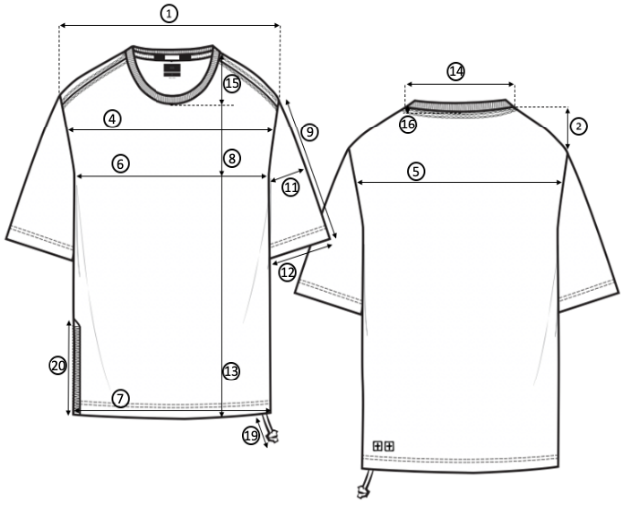

13
14A
14

3
8
7
15A

5
10
4

11

12
6

19

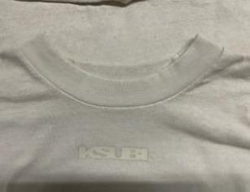

17

PROTO
 |  |  |  |  |  | DATE |  | 30.1.25

 |  |  |  |  |  | SEASON |  | PREFALL 25

 |  |  |  |  |  | DESIGNER |  | BEN

 |  |  |  |  |  | REPORT BY

BRAND |  | KSUBI |  |  |  | RECVD

STYLE NUMBER |  | MPS26TE025 |  |  |  | FIT DATE |  | 29.1.25

STYLE NAME |  | TOUCHDOWN EKCESS SS TEE |  |  |  | FITTED BY |  | CHARLIE

VENDOR |  | UNAVAILABLE

SAMPLE | 1ST PROTO |  | MODEL
 |  |  |  |  |  |  |  |  | V
POINT OF MEASUREMENT |  |  |  | REF | GRADE | TOL+/- | M |  | SAMPLE | VAR+/- | AMEND | NEW | COMMENTS
SHOULDER POINT TO POINT |  |  |  | 1 | 1.5 | 1 | 59.5 |  |  | -59.5

SHOULDER DROP FROM HPS |  |  |  | 2 | 0 | 0.5 | 6 |  |  | -6

ACROSS FRONT 15CM FROM HPS |  |  |  | 3 | 1.5 | 1 | 55.5 |  |  | -55.5

ACROSS BACK 15CM FROM HPS |  |  |  | 4 | 1.5 | 1 | 56 |  |  | -56

CHEST CIRCUMFERENCE |  |  |  | 5 | 5 | 2 | 122 |  | 118 | -4

HEM CIRCUMFERENCE |  |  |  | 6 | 5 | 2 | 124 |  | 116 | -8

ARMHOLE DROP FROM HPS |  |  |  | 7 | 1 | 1 | 33.5 |  |  | -33.5

SLEEVE LENGTH FROM SHOULDER POINT |  |  |  | 8 | 0.5 | 1 | 21 |  |  | -21

UNDERARM LENGTH |  |  |  | 9 | 0 | 1 | 12 |  |  | -12

BICEP CIRCUMFERENCE |  |  |  | 10 | 2 | 2 | 54 |  |  | -54

SLEEVE OPENING CIRCUMFERENCE (SHORT) |  |  |  | 11 | 2 | 1 | 44 |  |  | -44

LENGTH FROM HPS TO HEM |  |  |  | 12 | 1 | 1 | 74 |  | 76 | 2
SIDE SEAM LENGTH |  |  |  | 12A |  |  | 41
NECK WIDTH SEAM TO SEAM |  |  |  | 13 | 0.5 | 1 | 21 |  |  | -21

FRONT NECK DROP TO SEAM |  |  |  | 14 | 0.3 | 0.5 | 10 |  |  | -10
FRONT YOKE DEPTH FROM HSP |  |  |  | 14A |  |  |  |  |  |  |  | 19 | NEW MEASURMENT
BACK NECK DROP TO SEAM |  |  |  | 15 | 0 | 0.5 | 2.5 |  |  | -2.5
CENTRE BACK YOKE DEPTH |  |  |  | 15A |  |  |  |  |  |  |  | 14 | NEW MEASURMENT
MINIMUM NECK CIRC. STRETCHED |  |  |  |  | 0 | MIN | 58 |  |  | -58

NECK BAND WIDTH |  |  |  | 16 | 0 | 0.2 | 3 |  |  | -3
NECK RIB BAND CIRCUMFERENCE |  |  |  | 17 |  |  | 42
RATS TAIL TOTAL LENGTH |  |  |  | 18 | 0 | 1 | 20 |  |  | -20

RATS TAIL EXPOSED LENGTH |  |  |  | 19 | 0 | 1 | 10 |  |  | -10

REVERSE SIDE SEAM LENGTH |  |  |  | 20 | 0 | 1 | 20 |  |  | -20

DESIGN
PLEASE SEE KIRRILEE DESIGN COMMENTS
WE WOULD LIKE THIS STYLE TO BE A EKCESS SS TEE
WE ARE ADDING FRONT & BACK PANELS & PIPING (same as the boardshorts). SEE DESIGN SHEET & FIX

MEASUREMENTS/FIT
*MEASUREMENTS IN THE "SAMPLE" COLUMN INDICATE THE MEASUREMENTS OF SAMPLE RECEIVED.

*MEASUREMENTS IN THE "AMEND" COLUMN INDICATE CHANGES REQUIRED TO SAMPLE RECEIVED.

*HIGHLIGHTED CELLS IN "NEW" COLUMN INDICATES CHANGES TO THE SPEC.

MANUFACTURE/CONSTRUCTION
*ALL AREAS OF MANUFACTURE & CONSTRUCTION ARE ACCEPTABLE.
PLEASE SEE PANEL MEASURMENTS & FIX.
ALL OTHER MEASURMENTS BACK TO SPEC

REJECTED - REVISED PROTO REQUIRED

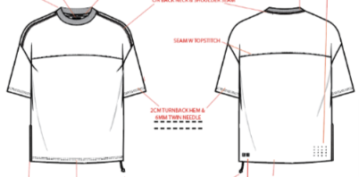

SMS
 |  |  |  |  |  |  | DATE |  | 13.6.25

 |  |  |  |  |  |  | SEASON |  | PREFALL 25

 |  |  |  |  |  |  | DESIGNER |  | BEN

 |  |  |  |  |  |  | REPORT BY

BRAND |  | KSUBI |  |  |  |  | RECVD

STYLE NUMBER |  | MPS26TE025 |  |  |  |  | FIT DATE |  | May-25

STYLE NAME |  | TOUCHDOWN EKCESS SS TEE |  |  |  |  | FITTED BY |  | CHARLIE

VENDOR |  | UNAVAILABLE

SAMPLE | SMS |  | MODEL
 |  |  |  |  |  |  |  |  |  | V
POINT OF MEASUREMENT |  |  |  | VỊ TRÍ ĐO | REF | GRADE | TOL+/- | M |  | SAMPLE | VAR+/- | AMEND | NEW | COMMENTS
SHOULDER POINT TO POINT |  |  |  | NGANG VAI | 1 | 1.5 | 1 | 59.5 |  | 59.5 | 0

SHOULDER DROP FROM HPS |  |  |  | HẠ VAI TỪ ĐỈNH VAI XUỐNG | 2 | 0 | 0.5 | 6 |  | 6 | 0

ACROSS FRONT 15CM FROM HPS |  |  |  | NGANG TRƯỚC DƯỚI ĐỈNH VAI XUỐNG 15CM | 3 | 1.5 | 1 | 55.5 |  | 55.5 | 0

ACROSS BACK 15CM FROM HPS |  |  |  | NGANG SAU TỪ ĐỈNH VAI XUỐNG 15CM | 4 | 1.5 | 1 | 56 |  | 55 | -1

CHEST CIRCUMFERENCE |  |  |  | VÒNG NGỰC | 5 | 5 | 2 | 122 |  | 122 | 0

HEM CIRCUMFERENCE |  |  |  | VÒNG LAI | 6 | 5 | 2 | 124 |  | 124 | 0

ARMHOLE DROP FROM HPS |  |  |  | HẠ NÁCH TỪ ĐỈNH VAI | 7 | 1 | 1 | 33.5 |  | 33.5 | 0

SLEEVE LENGTH FROM SHOULDER POINT |  |  |  | DÀI TAY TỪ VAI | 8 | 0.5 | 1 | 21 |  | 21 | 0

UNDERARM LENGTH |  |  |  | DÀI SƯỜN TAY | 9 | 0 | 1 | 12 |  | 12 | 0

BICEP CIRCUMFERENCE |  |  |  | BẮP TAY NGUYÊN VÒNG | 10 | 2 | 2 | 54 |  | 53 | -1

SLEEVE OPENING CIRCUMFERENCE (SHORT) |  |  |  | CỬA TAY NGUYÊN VÒNG | 11 | 2 | 1 | 44 |  | 44 | 0

LENGTH FROM HPS TO HEM |  |  |  | DÀI ÁO TỪ ĐỈNH VAI ĐẾN LAI | 12 | 1 | 1 | 73 |  | 73 | 0

NECK WIDTH SEAM TO SEAM |  |  |  | RỘNG CỔ | 13 | 0.5 | 1 | 21 |  | 20 | -1

FRONT NECK DROP TO SEAM |  |  |  | HẠ CỔ TRƯỚC | 14 | 0.3 | 0.5 | 10 |  | 9.5 | -0.5
FRONT YOKE DEPTH FROM HSP |  |  |  | CAO ĐÔ THÂN TRƯỚC TỪ ĐỈNH VAI | 14A |  |  | 19 |  | 19
BACK NECK DROP TO SEAM |  |  |  | HẠ CỔ SAU | 15 | 0 | 0.5 | 2.5 |  | 2.5 | 0
CENTRE BACK YOKE DEPTH |  |  |  | CAO ĐÔ THÂN SAU TỪ ĐỈNH VAI | 15A |  |  | 14 |  | 14
MINIMUM NECK CIRC. STRETCHED |  |  |  | CỔ GIÃN TỐI THIỂU |  | 0 | MIN | 58 |  | 58 | 0

NECK BAND WIDTH |  |  |  | TO BẢN CỔ | 16 | 0 | 0.2 | 3 |  | 2.7 | -0.3 |  |  | BACK TO SPEC
NECK RIB BAND CIRCUMFERENCE |  |  |  | VÒNG CỔ | 17 |  |  | 42
RATS TAIL TOTAL LENGTH |  |  |  | TỔNG DÀI DÂY CHUỘT | 18 | 0 | 1 | 20 |  | 20 | 0

RATS TAIL EXPOSED LENGTH |  |  |  | DÀI DÂY CHUỘT NHÌN THẤY | 19 | 0 | 1 | 10 |  | 7 | -3 |  |  | BACK TO SPEC

REVERSE SIDE SEAM LENGTH |  |  |  | DÀI VẮT SỔ NGƯỢC TẠI SƯỜN | 20 | 0 | 1 | 20 |  | 20 | 0

DESIGN
COLOUR/ WASH - APPROVED : APPORVED MÀU SẮC
DROP FRONT KSUBI EMBROIDERY - DROP 1CM : HÌNH THÊU KSUBI TẠI THÂN TRƯỚC - HẠ 1CM
MISSING INNER BACK HEM PRINT : MISSING HÌNH IN TẠI BÊN TRONG LAI SAU
TBOX - APPROVED : TBOX APPORVED
4 X 4 - REJECTED. IT’S A LITTLE SMALL, PLEASE INCREASE A LITTLE. : REJECTED, TĂNG KÍCH THƯỚC LÊN 1 CHÚT

MEASUREMENTS/FIT
...
COND. APPROVED TO PP WITH CHANGES

