LAYOUT REF
SIZE
LAYOUT THAM KHẢO NHƯ BÊN DƯỚI - THÔNG TIN DETAIL CẦN CHỈNH SỬA XEM SHEET DETAIL
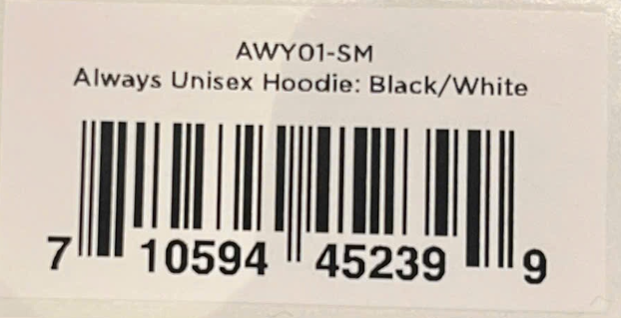

Style
Name
Color

Barcode

