LAYOUT
THAY ĐỔI NHỮNG THÔNG TIN KHUNG ĐỎ

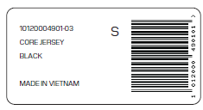

SKU CODE + SIZE

STYLE NAME

COLOR
SKU CODE

