Design Front Sheet
REISS JERSEY

Season/group: |  |  | Supplier: |  | Designer:
Style name: | OLIVER CARGO SHORT |  | Country: |  | Tech:
Description: | CARGO SHORTS |  | Base Block: |  | Date:
Design Front Sheet
Main Fabric: |  | INTERLOCK
Range: |  | REISS MAINLINE
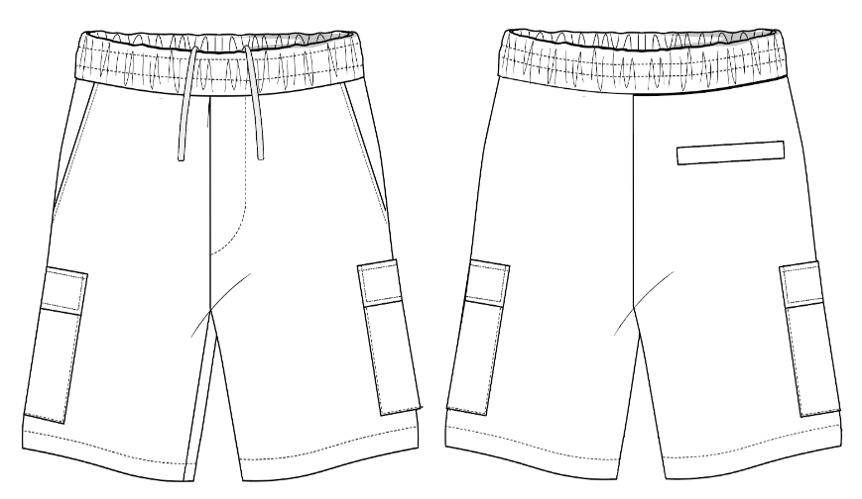 D

 |  |  |  | Sketch amended : |  | 00.00.00

Design Detail
Season/group: | 0 |  | Supplier: | 0 | Designer: | 0.00 | Season/group: | 0 | Supplier: | 0 | Designer: | 0.00
Style name: | OLIVER CARGO SHORT |  | Country: | 0 | Tech: | 0.00 | Style name: | OLIVER CARGO SHORT | Country: | 0 | Tech: | 0.00
Description: | CARGO SHORT |  | Block: | 0 | Date: | 0.00 | Description: | CARGO SHORT | Block: | 0 | Date: | 0.00
Design Details |  |  |  |  |  |  | Design Details
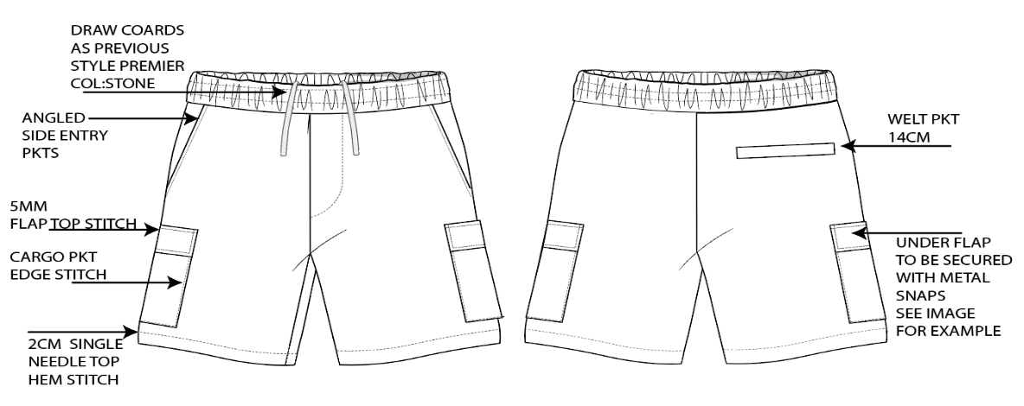
Main Fabric: |  | INTERLOCK
DEVELOPMENT DETAILS: PLEASE MAKE X1 PROTO
FABRIC:INTERLOCK AS PREVIOUS STYLE PREMIER
COLOUR: STONE
PLEASE SEE DESIGN DETAILS OPPOSITE
PLEASE FOLLOW SHORT SPEC
WAITBAND TO BE IN A SELF FABRIC
DRAWCORDS - PLEASE USE DTM DRAW CORDS AS IMAGES ATTACHED
SNAPS- CONCEALED PKT SNAPS IN COLOUR :SHINY PEWTER (PLEASE LOCAL SOURCE)
DRAW CORDS AS USED IN PREVIOUS STYLE PREMIER COL STONE
ALL STITCHING TO BE DTM
 |  | PLEASE MAKE X1 PROTO SAMPLE BO-6751 IN WHITE

