Design Front Sheet
REISS - JERSEY

Season/group: | MCLAREN SEASON 3 |  | Supplier: | UNAVAILABLE | Designer: | FRAN
Style name: | ASHLAM |  | Country: | VIETNAM | Tech: | LAUREN
Description: | ZIP TRHOUGH HOODIE |  | Block: | AIME LEON DORE - FACTORY REF. FACTORY TO SIZE UP. | Date: | 12/08/25
Design Front Sheet
Main Fabric: |  | MAIN -1-2001A42 RIB -1-3904A33 DISTRESSED EDGES ON HOOD, CUFF AND HEM
Range: |  | MCLAREN
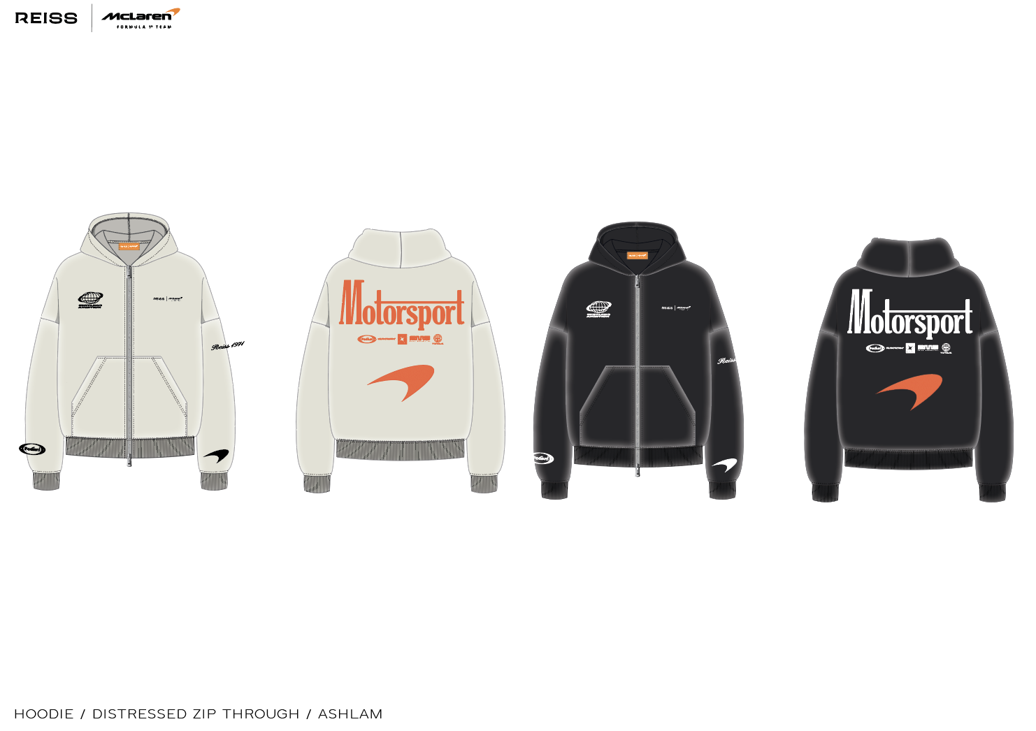 BLOCK - FOLLOW AIME LEON DORE ZIP THROUGH HOODIE, SEE DETAILS PAGE FOR REFERENCE IMAGE.

Design Details
REISS JERSEY

Season/group: | MCLAREN SEASON 3 |  | Supplier: | UNAVAILABLE | Designer: | FRAN
Style name: | ASHLAM |  | Country: | VIETNAM | Tech: | LAUREN
Description: | ZIP TRHOUGH HOODIE |  | Block: | AIME LEON DORE - FACTORY REF | Date: | 12/08/25
Design Front Sheet
Main Fabric: |  | MAIN -1-2001A42 RIB -1-3904A33 DISTRESSED EDGES ON HOOD, CUFF AND HEM
Range: |  | MCLAREN

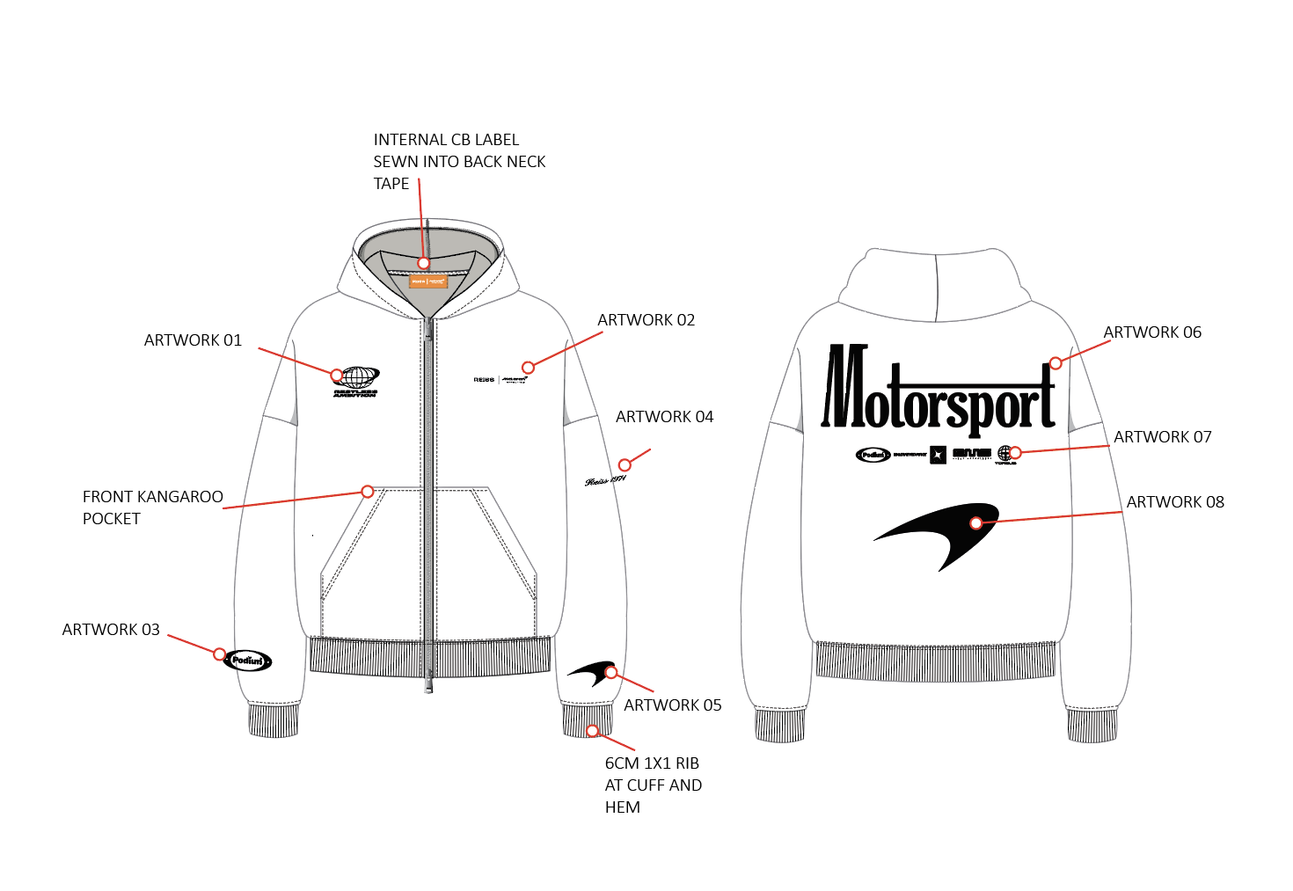 |  |  |  |  |  |  | 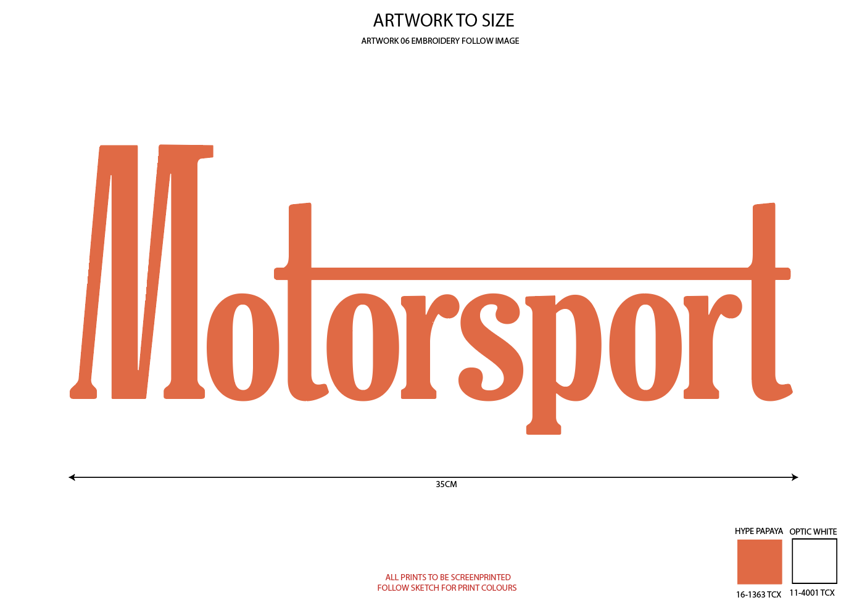 | 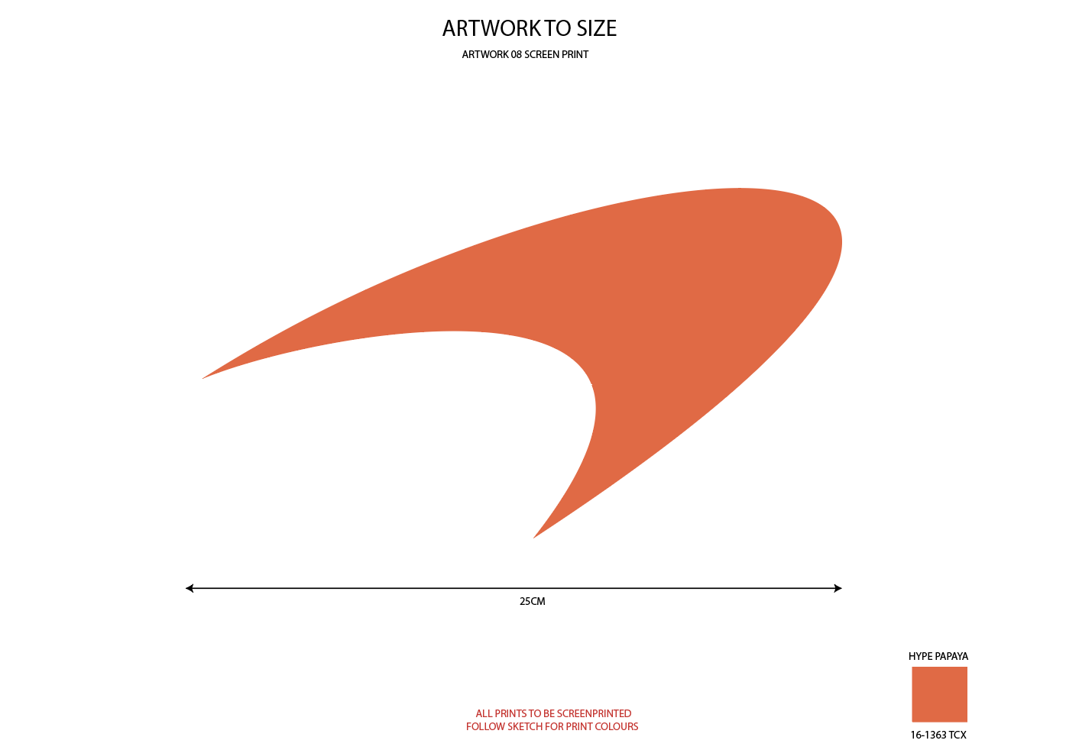 | 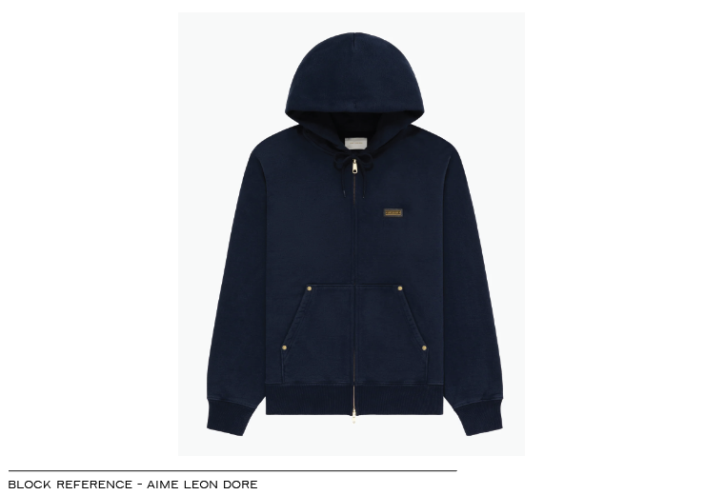

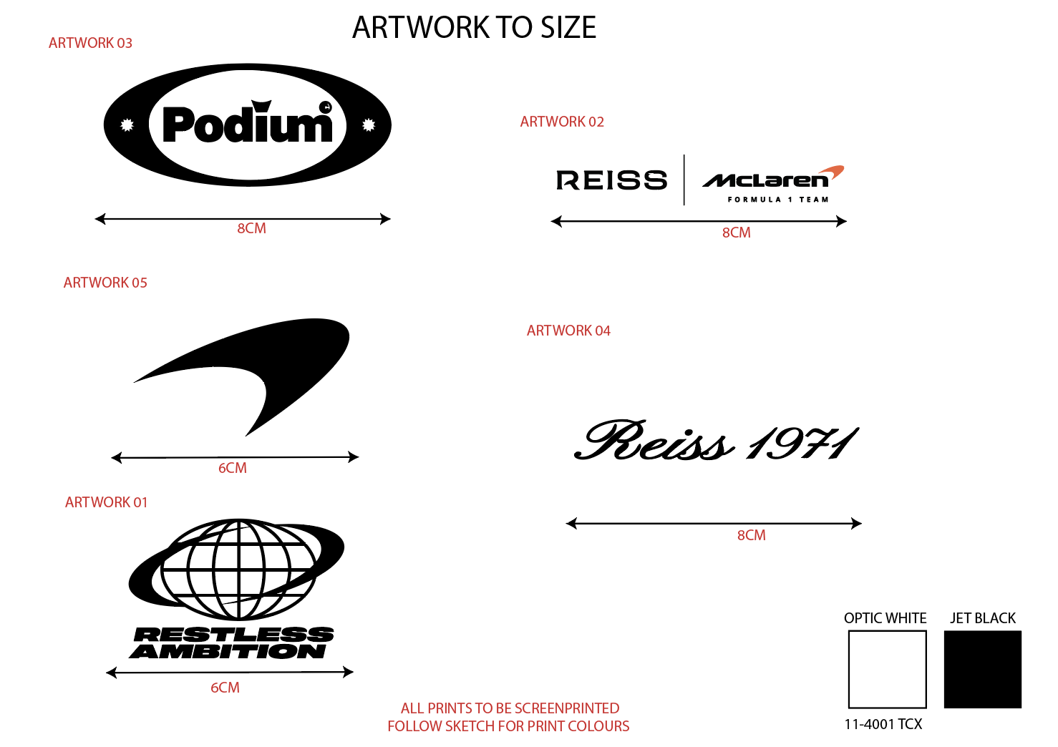 |  |  |  |  |  |  | 