Design Front Sheet
REISS - JERSEY

Season/group: | MCLAREN SEASON 3 |  | Supplier: | UNAVAILABLE | Designer: | FRAN
Style name: | DEXOR |  | Country: | VIETNAM | Tech: | LAUREN
Description: | SHORT SLEEVE CONTRAST T-SHIRT |  | Block: | PALACE SAMPLE - FACTORY REFERENCE | Date: | 12/08/25
Design Front Sheet
Main Fabric: |  | FABRIC 01 - P- P19-4647 FABRIC 02 - 1-3220A03-S0002
Range: |  | MCLAREN
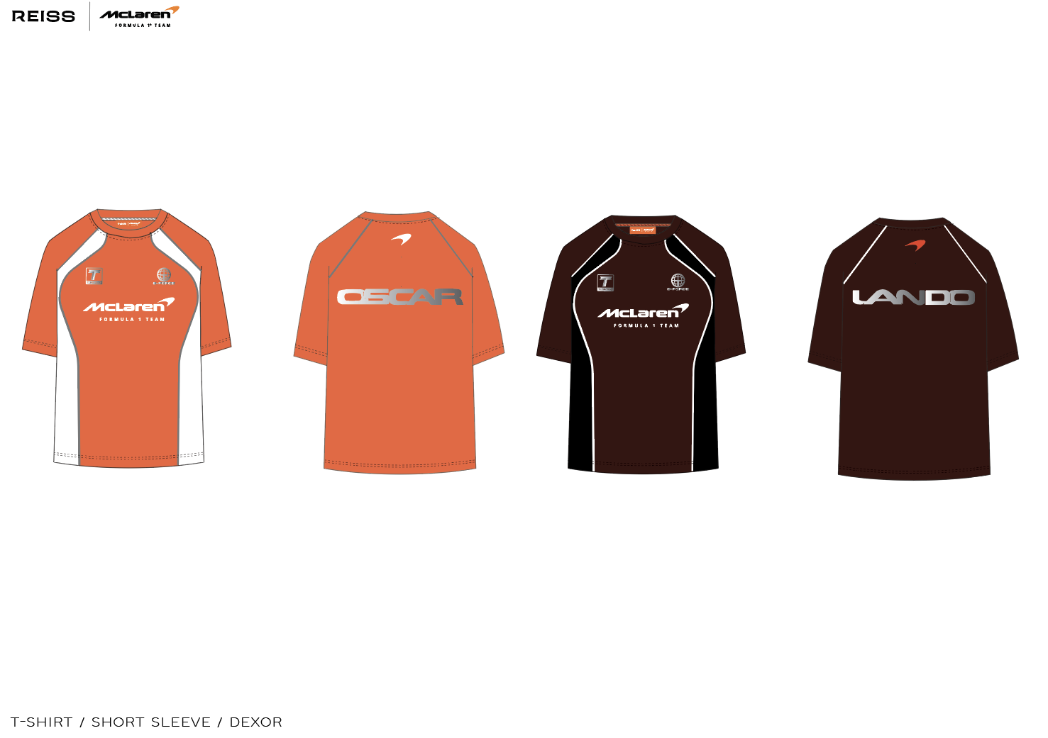

Design Details
REISS JERSEY

Season/group: | MCLAREN SEASON 3 |  | Supplier: | UNAVAILABLE | Designer: | FRAN
Style name: | DEXOR |  | Country: | VIETNAM | Tech: | LAUREN
Description: | SHORT SLEEVE CONTRAST T-SHIRT |  | Block: | PALACE FACTORY REFERENCE | Date: | 17/06/25
Design Front Sheet
Main Fabric: |  | FABRIC 01 - P- P19-4647 FABRIC 02 - 1-3220A03-S0002
Range: |  | MCLAREN

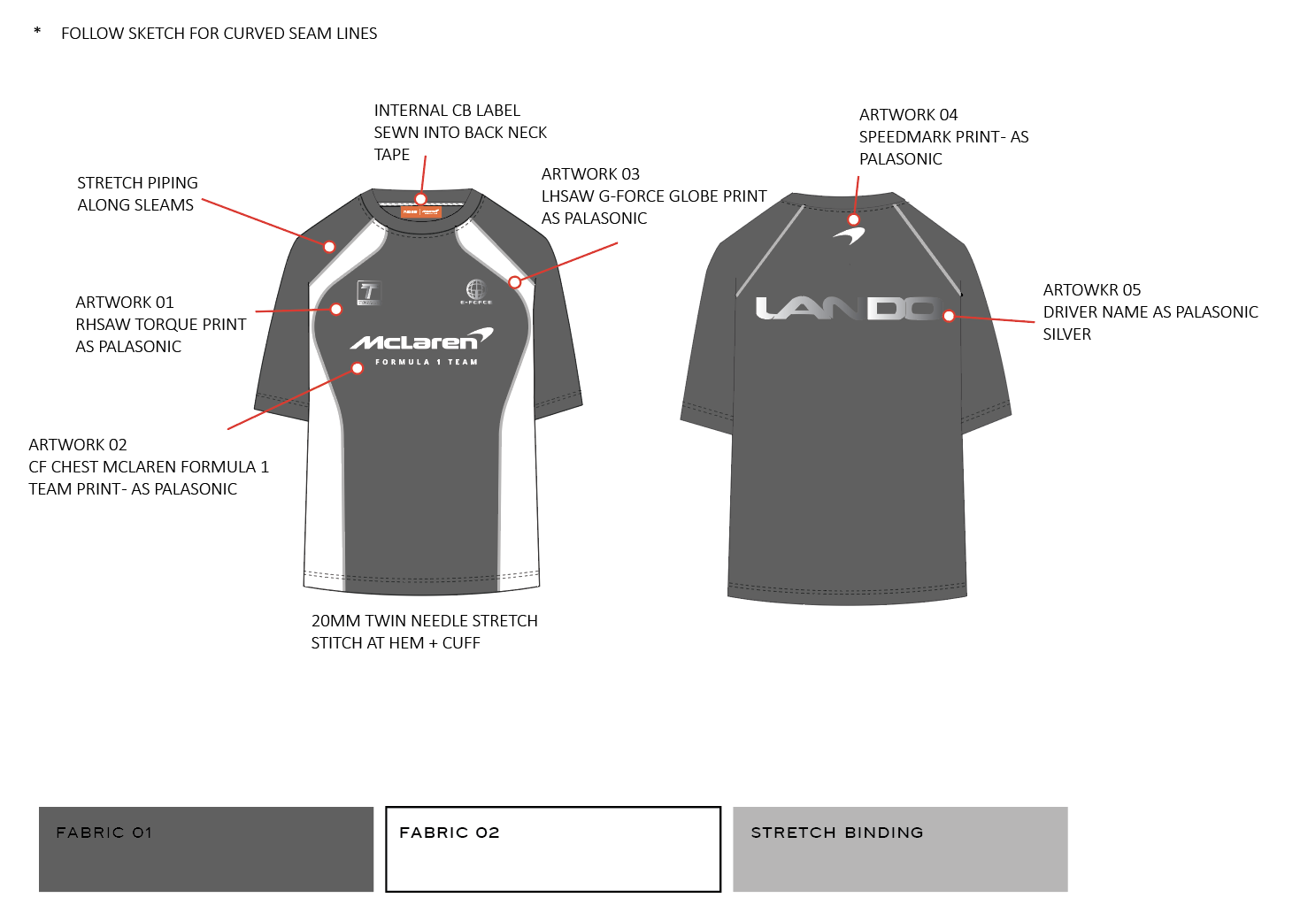 |  |  |  |  |  |  | 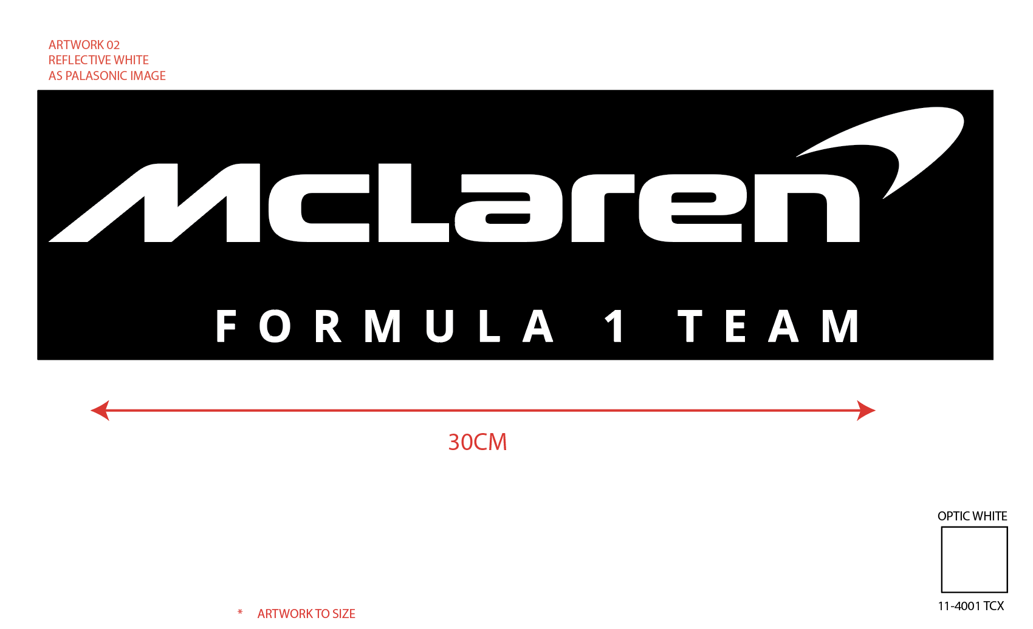 | 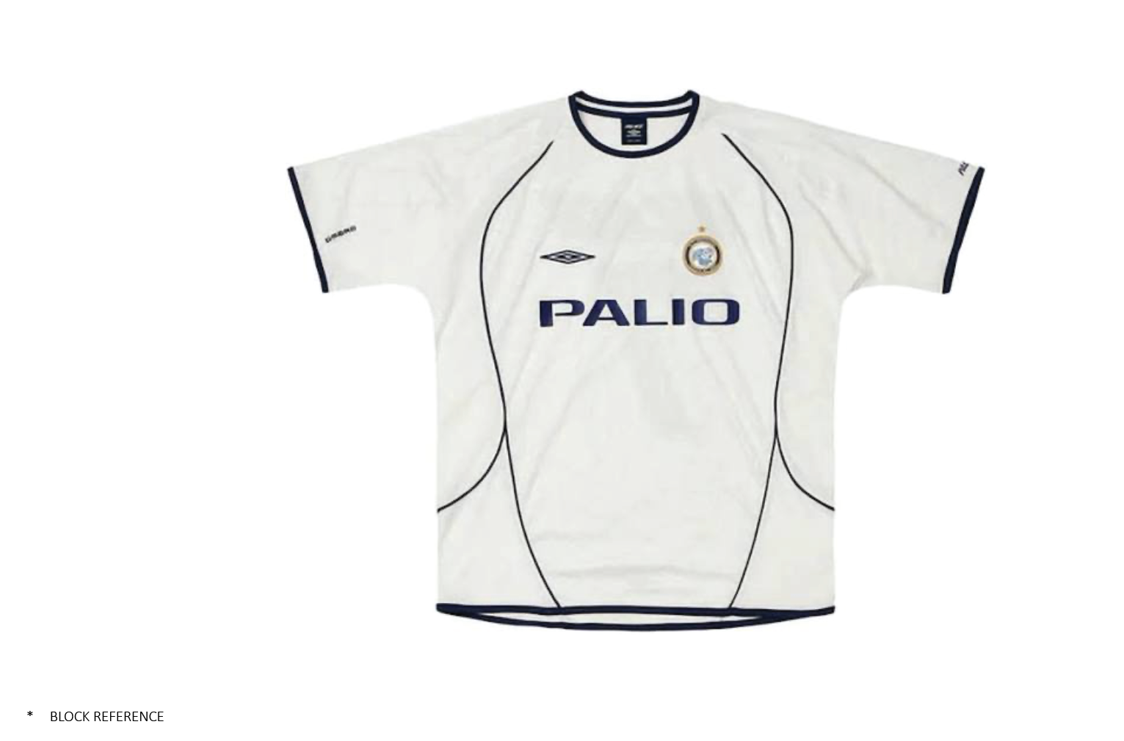

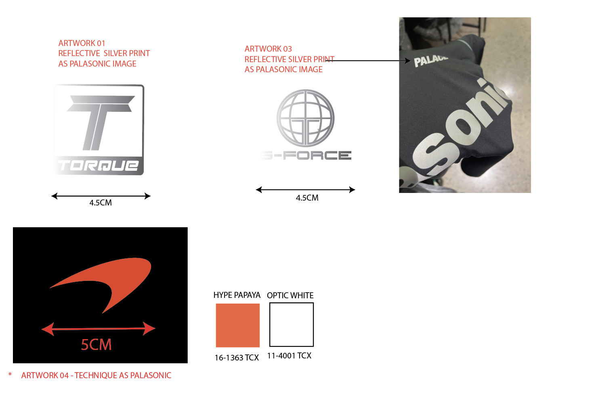 |  |  |  |  |  |  | 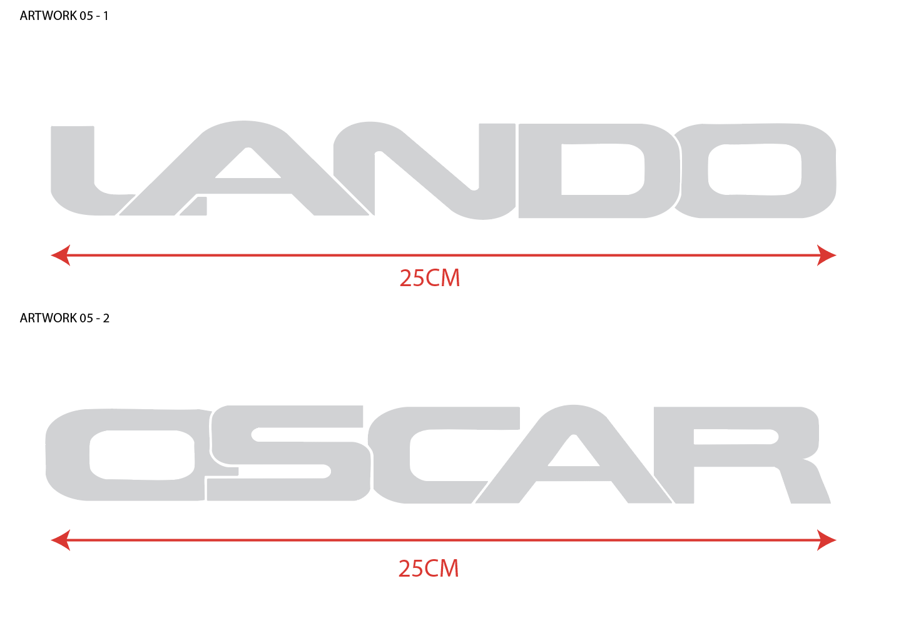 | 