Design Front Sheet
REISS - JERSEY

Season/group: | MCLAREN SEASON 3 |  | Supplier: | UNAVAILABLE | Designer: | FRAN
Style name: | ASHLAM |  | Country: | VIETNAM | Tech: | LAUREN
Description: | ZIP TRHOUGH HOODIE |  | Block: | AIME LEON DORE - FACTORY REF | Date: | 17/06/25
Design Front Sheet
Main Fabric: |  | MAIN -1-2001A42 RIB -1-3904A33
Range: |  | MCLAREN
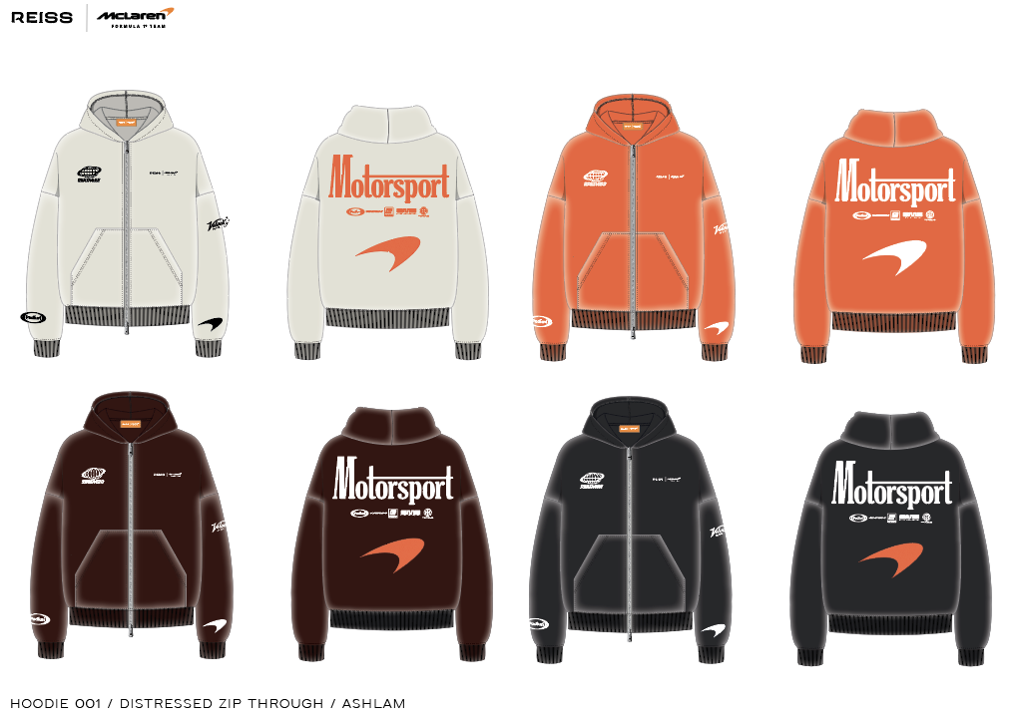 PLEASE SUBMIT SCREEN PRINT STRIKE OFFS ON CORRECT GARMENT DYE / WASHED PANELS. BLOCK - FOLLOW AIME LEON DORE ZIP THROUGH HOODIE, SEE DETAILS PAGE FOR REFERENCE IMAGE.

Design Details
REISS JERSEY

Season/group: | MCLAREN SEASON 3 |  | Supplier: | UNAVAILABLE | Designer: | FRAN
Style name: | ASHLAM |  | Country: | VIETNAM | Tech: | LAUREN
Description: | ZIP TRHOUGH HOODIE |  | Block: | AIME LEON DORE - FACTORY REF | Date: | 17/06/25
Design Front Sheet
Main Fabric: |  | MAIN -1-2001A42 RIB -1-3904A33
Range: |  | MCLAREN

THAM KHẢO QUY CÁCH MAY NHƯ ÁO MẪU SS25CH003 - ALD CHUYỂN CÙNG TÁC NGHIỆP.
CHÚ Ý : KHÔNG ĐÓNG RIVET TẠI TÚI , KHÔNG MAY DÂY LUỒN VÀ ĐÓNG MẮC CÁO TẠI NÓN
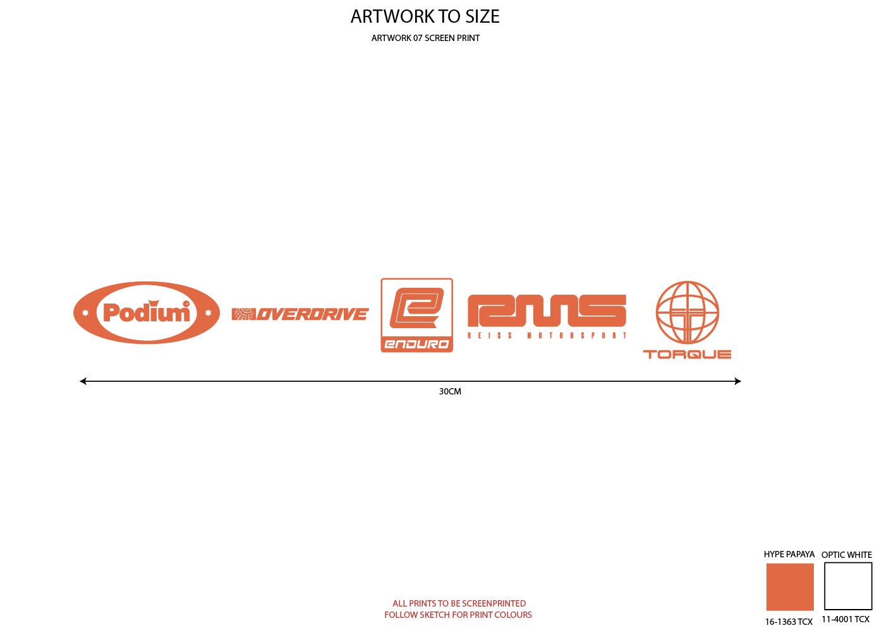
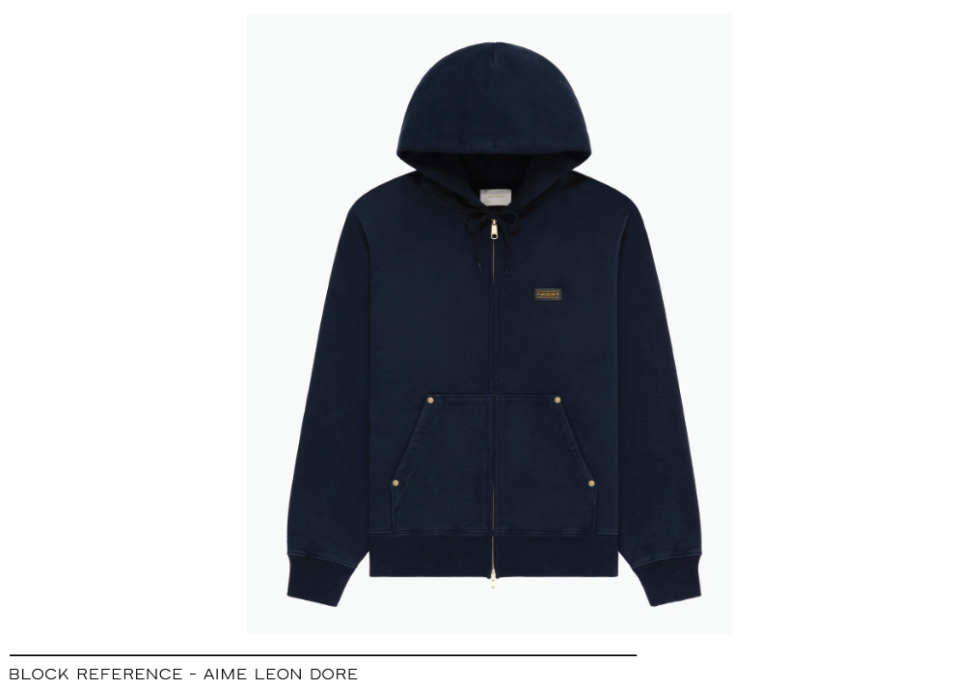
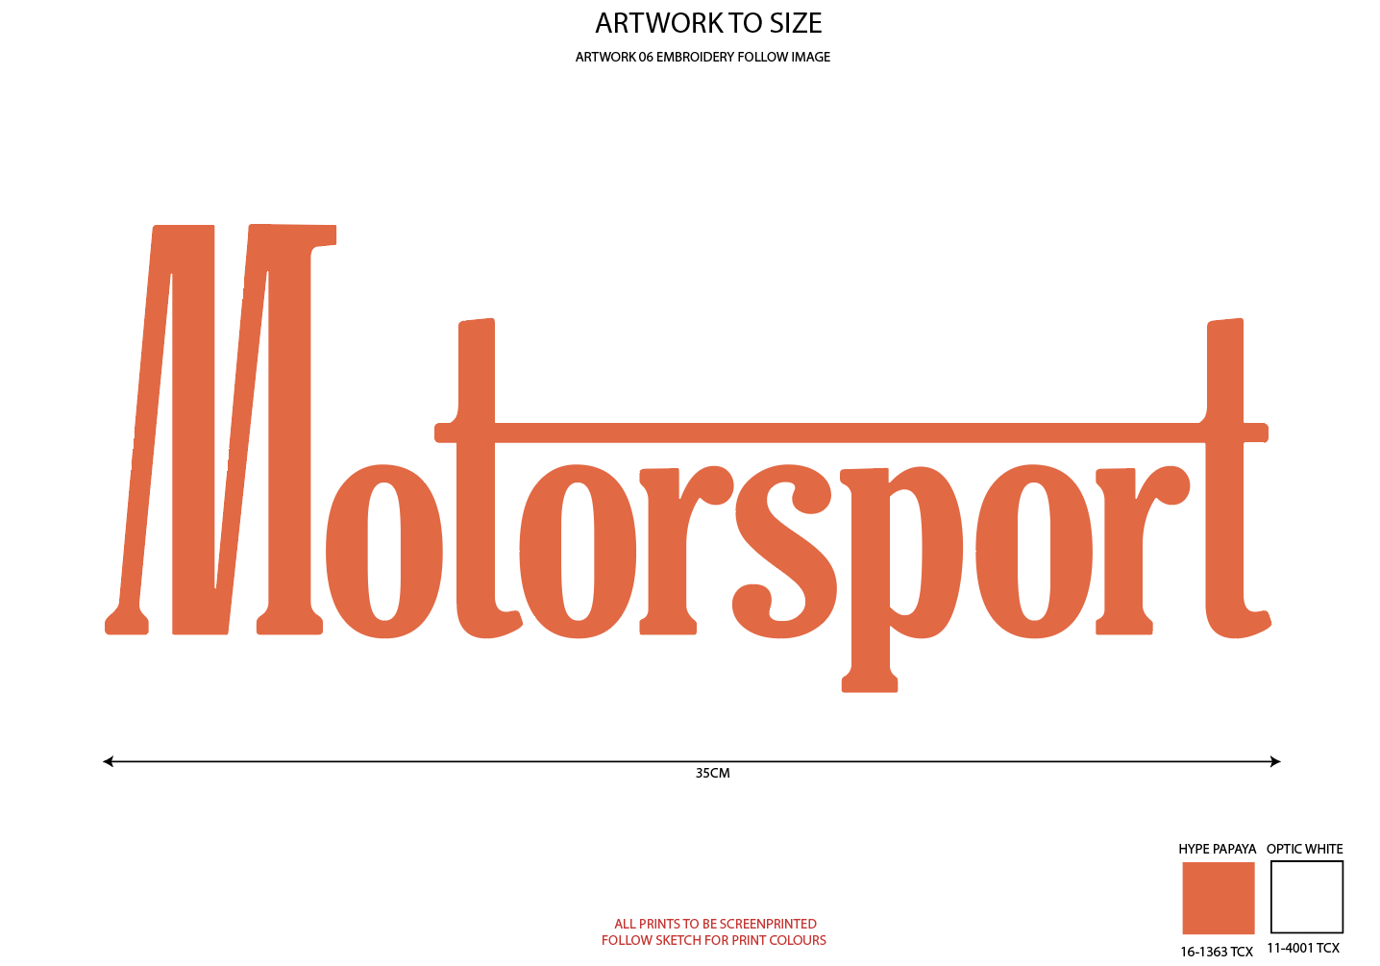

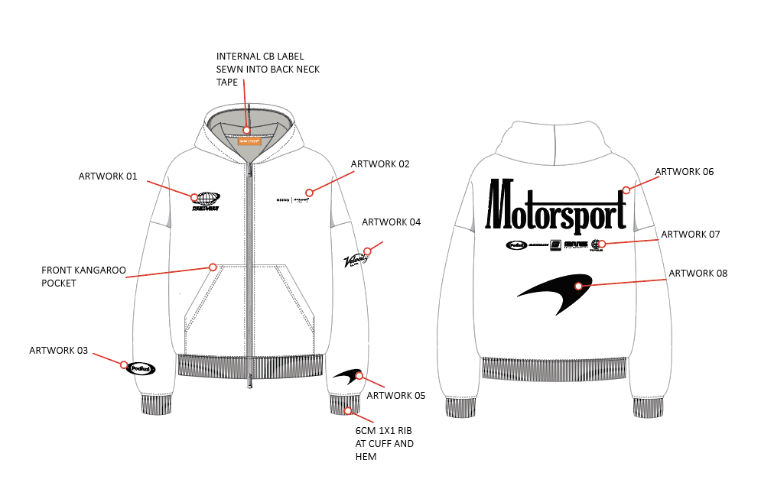

NHÃN CHÍNH MAY TẠI GIỮA CỔ SAU, BẺ GẬP VÀ ĐÍNH 2 ĐẦU TẠI CẠNH DƯỚI CỦA VIỀN CỔ NHƯ
HÌNH ẢNH
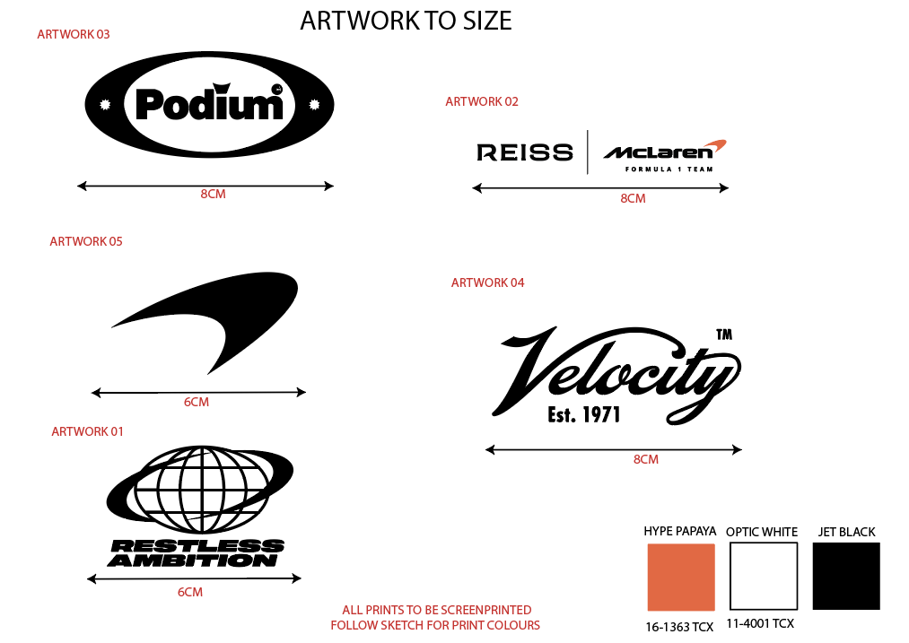 FOR CHEST POSITIONS FOLLOW AIME HOODY |  |  |  |  |  |  | 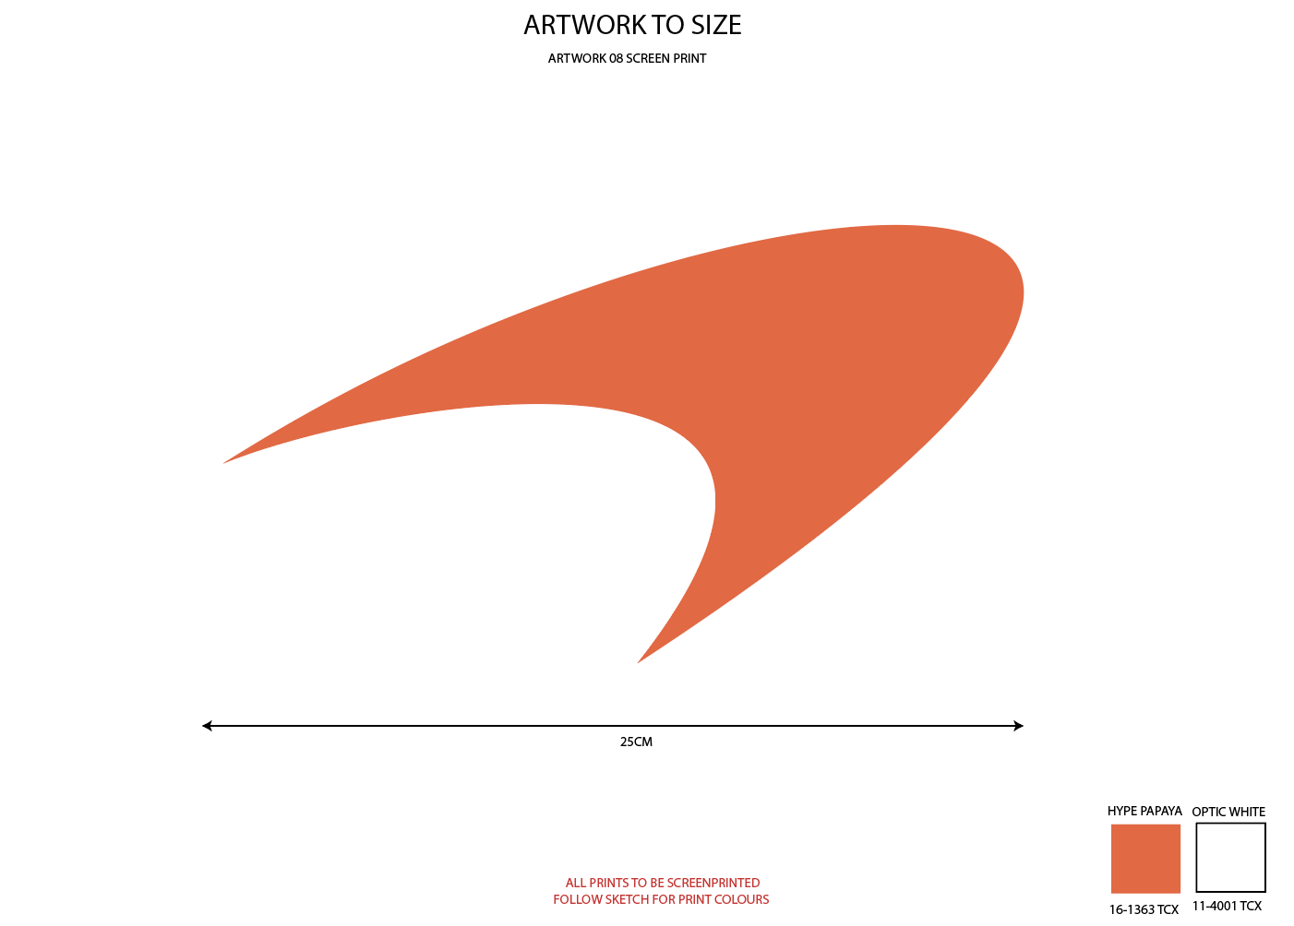 | 