Design Front Sheet
REISS - JERSEY

Season/group: | MCLAREN SEASON 3 |  | Supplier: | UNAVAILABLE | Designer: | FRAN
Style name: | DELTA |  | Country: | VIETNAM | Tech: | LAUREN
Description: | SHORT |  | Block: | AIME LEON DORE - FACTORY REF | Date: | 17/06/25
Design Front Sheet
Main Fabric: |  | MAIN -1-2001A42
Range: |  | MCLAREN
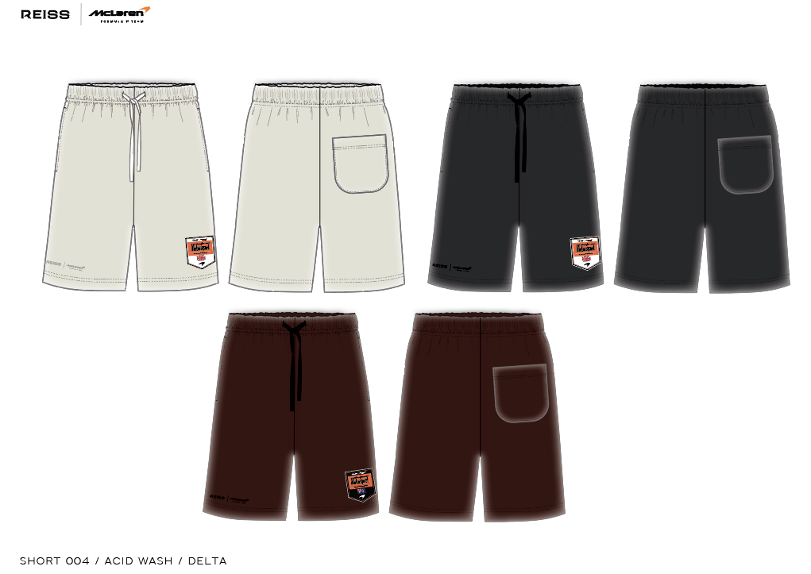 PLEASE SUBMIT PRINT STRIKE OFFS ON CORRECT GARMENT DYE / WASHED PANELS. BLOCK - FOLLOW AIME LEON DORE / NEW BALANCE SHORT, SEE DETAILS PAGE FOR REFERENCE IMAGE.

Design Details
REISS JERSEY

Season/group: | MCLAREN SEASON 3 |  | Supplier: | UNAVAILABLE | Designer: | FRAN
Style name: | DELTA |  | Country: | VIETNAM | Tech: | LAUREN
Description: | SHORT |  | Block: | AIME LEON DORE - FACTORY REF | Date: | 17/06/25
Design Front Sheet
Main Fabric: |  | MAIN -1-2001A42
Range: |  | MCLAREN
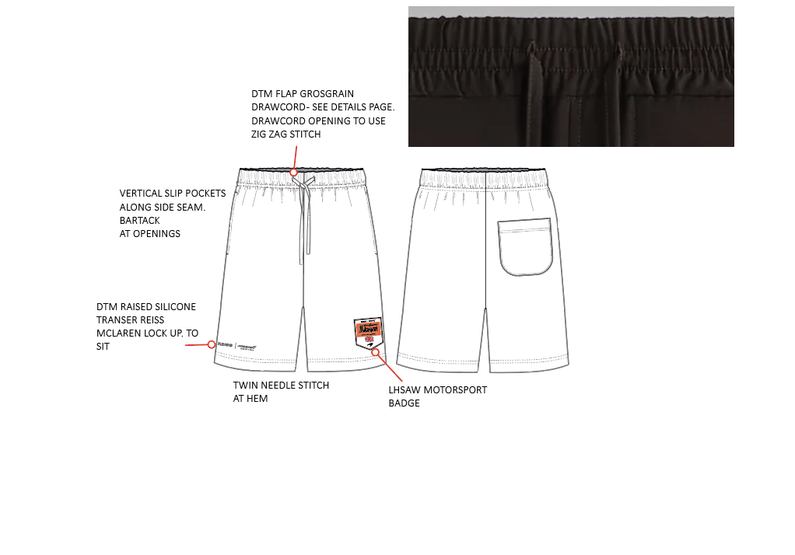
Lưng thun ,có dây luồn,
Lỗ luồn dây rút may khuy dài

Định vị từ sườn vào 3.5cm
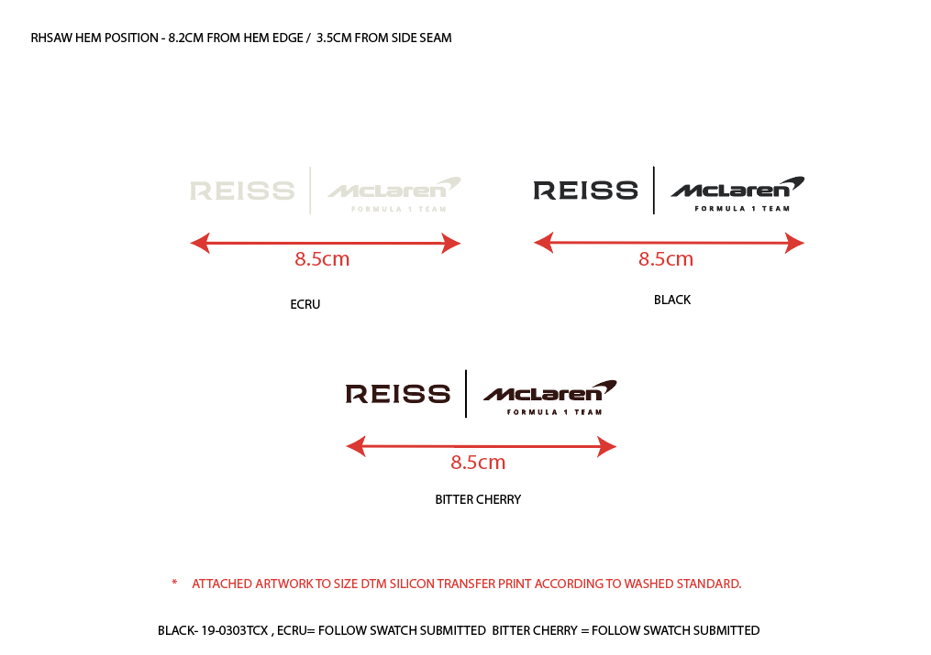
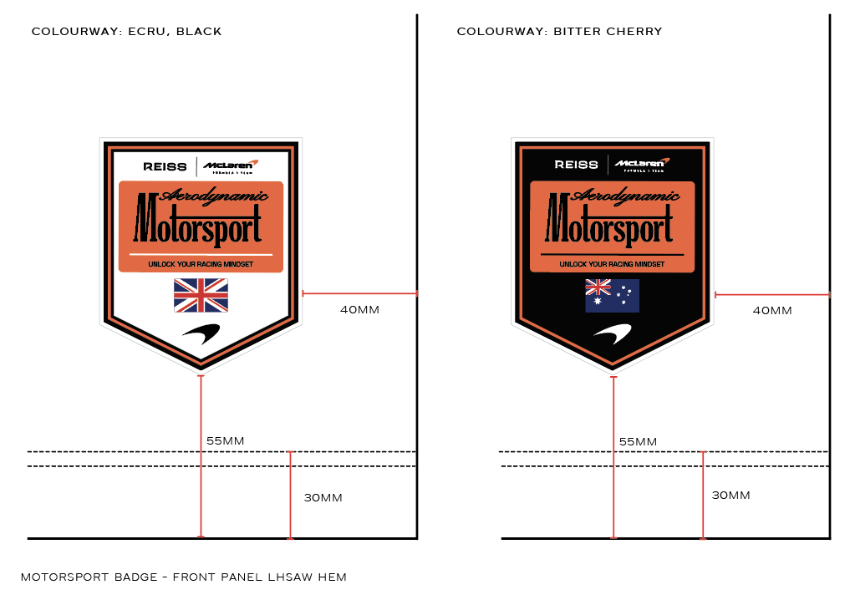
Túi xẻ dọc dọc theo đường sườn May đóng bọ tại miệng túi

DTM Silicon tại sườn

Lai may 2 kim

Định vị may con patch như hình

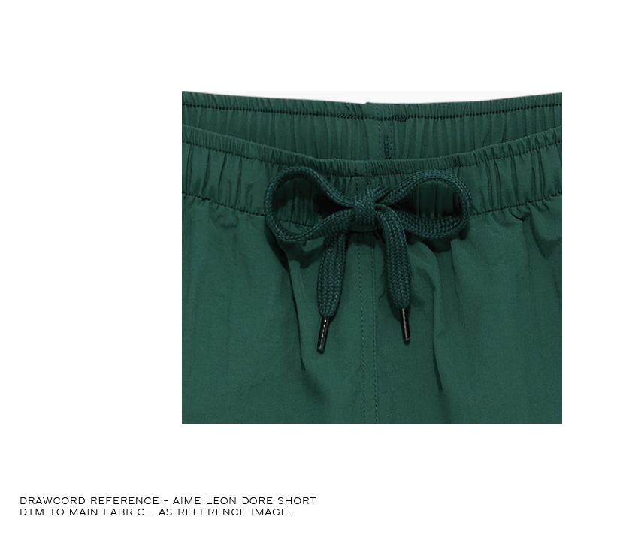
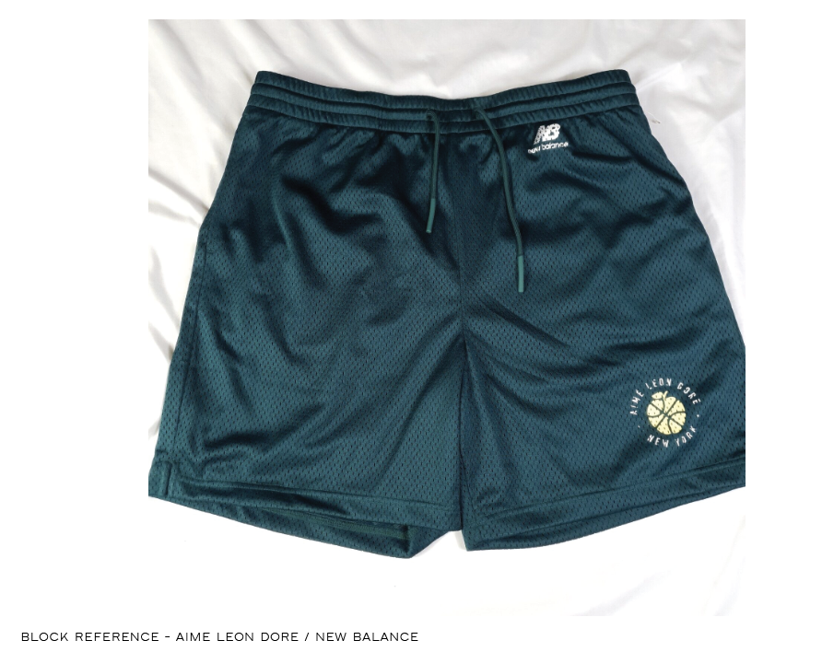
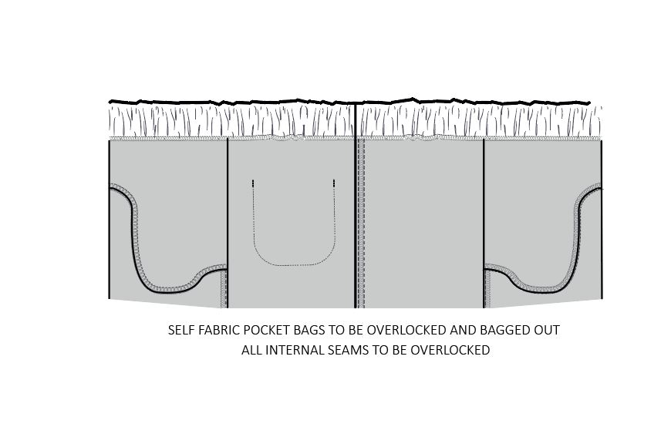

LÓT TÚI MAY BẰNG VẢI CHÍNH VÀ VS CẠNH

