Design Front Sheet
REISS - JERSEY

Season/group: | MCLAREN SEASON 3 |  | Supplier: | UNAVAILABLE | Designer: | FRAN
Style name: | NOX |  | Country: | VIETNAM | Tech: | LAUREN
Description: | SHORT SLEEVE T-SHIRT |  | Block: | AIME LEON DORE - FACTORY REF | Date: | 17/06/25
Design Front Sheet
Main Fabric: |  | MAIN - 1-0601A22-S0004 RIB = 1-1701B28-S0004
Range: |  | MCLAREN
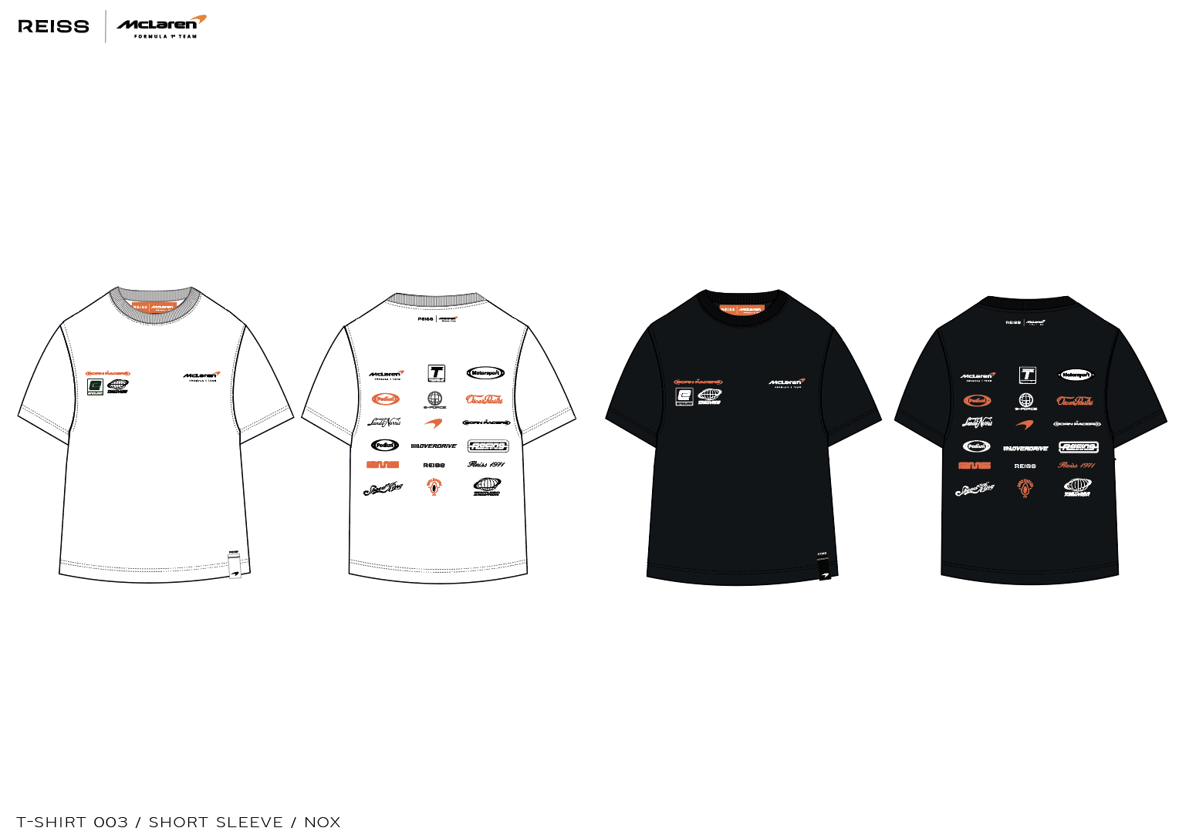 BLOCK REFERENCE - AIME LEON DORE FACTORY SAMPLE - SEE REFERENCE IMAGE

Design Details
REISS JERSEY

Season/group: | MCLAREN SEASON 3 |  | Supplier: | UNAVAILABLE | Designer: | FRAN
Style name: | NOX |  | Country: | VIETNAM | Tech: | LAUREN
Description: | SHORT SLEEVE T-SHIRT |  | Block: | AIME LEON DORE - FACTORY REF | Date: | 17/06/25
Design Front Sheet
Main Fabric: |  | MAIN - 1-0601A22-S0004 RIB = 1-1701B28-S0004
Range: |  | MCLAREN
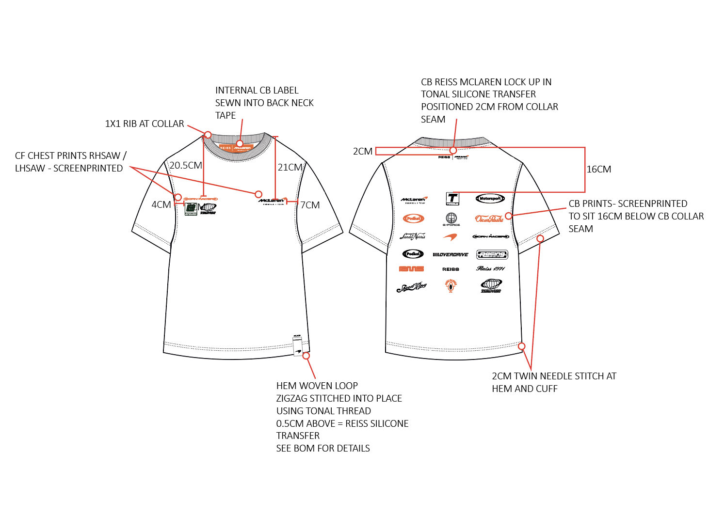
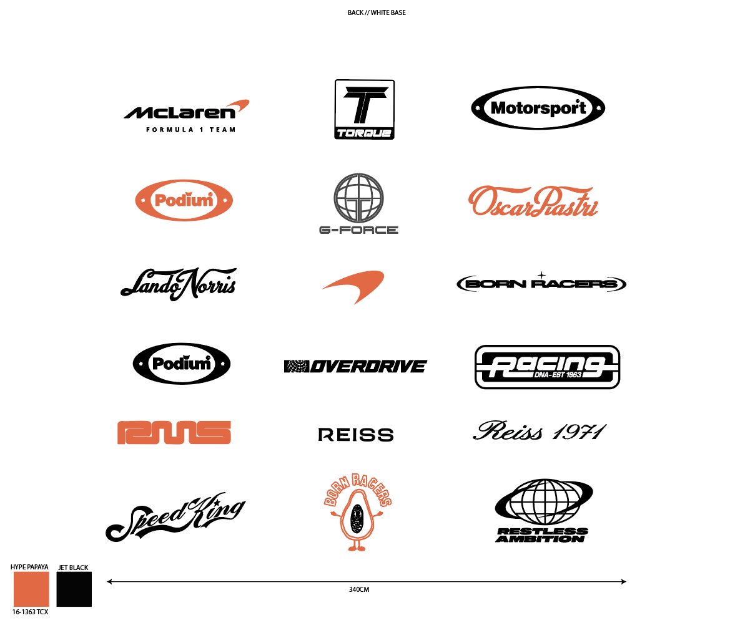

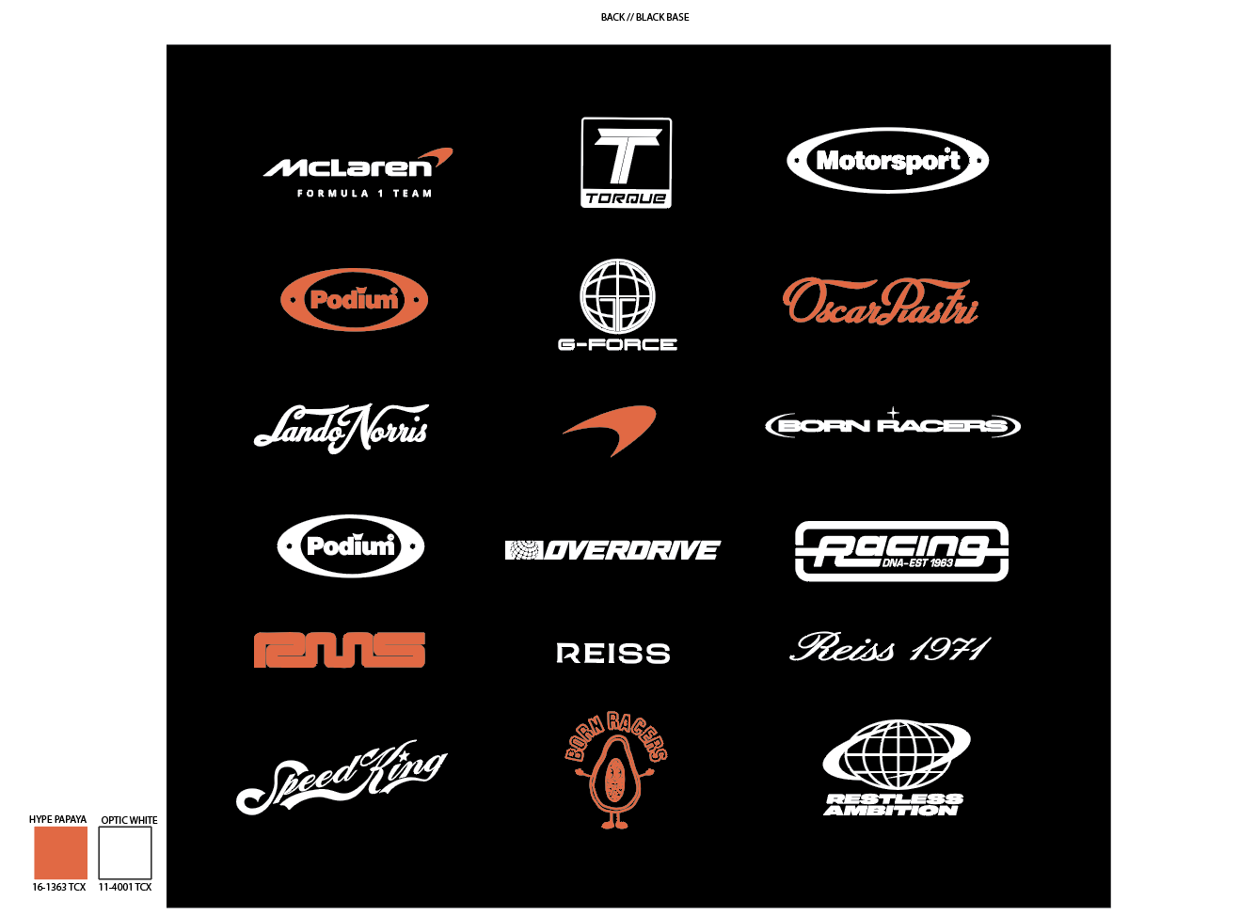

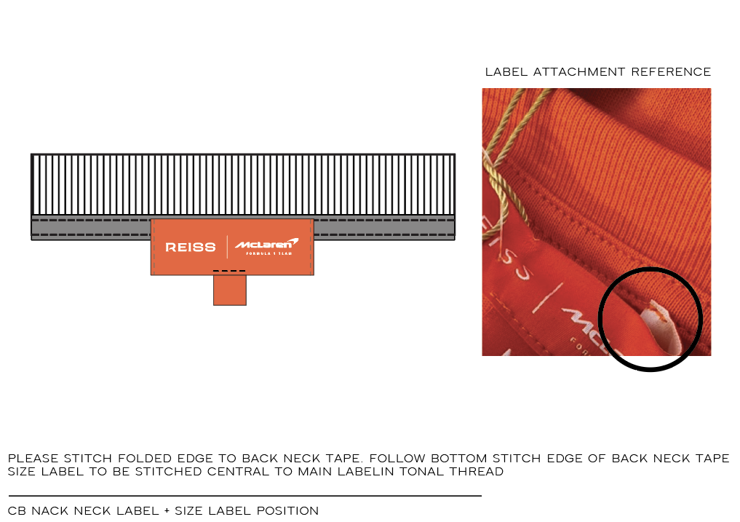

NHÃN CHÍNH MAY TẠI GIỮA CỔ SAU, MAY CẠNH DƯỚI CỦA VIỀN CỔ. BẺ GẬP 2 ĐẦU VÀ
ĐÍNH NHƯHÌNH

 |  |  |  |  |  |  | s

