Design Front Sheet
REISS - JERSEY

Season/group: | MCLAREN SEASON 3 |  | Supplier: | UNAVAILABLE | Designer: | FRAN
Style name: | STRADA |  | Country: | VIETNAM | Tech: | LAUREN
Description: | SHORT SLEEVE CONTRAST T-SHIRT |  | Block: | AIME LEON DORE REFERENCE - FACTORY SAMPLE | Date: | 17/06/25
Design Front Sheet
Main Fabric: |  | MAIN - 1-0601A22-S0004 RIB = 1-1701B28-S0004
Range: |  | MCLAREN
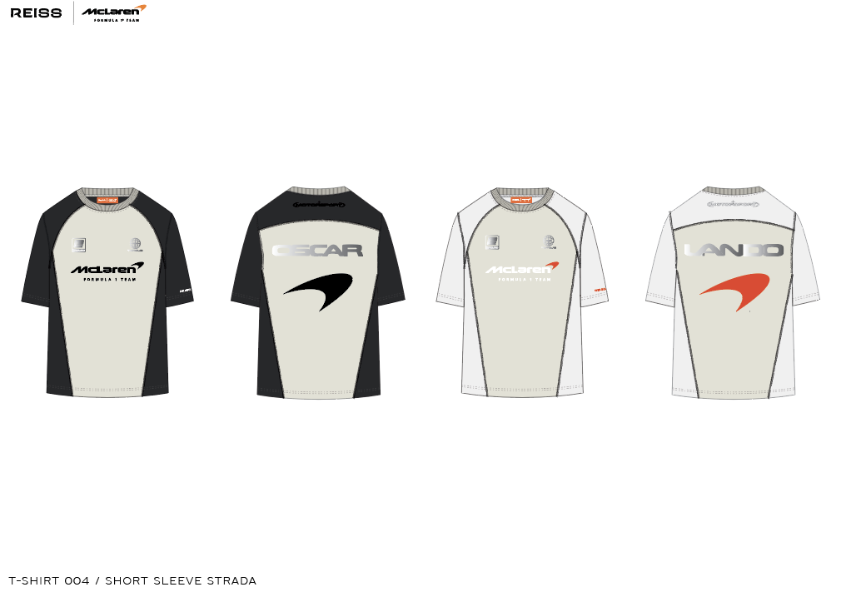

Design Details
REISS JERSEY

Season/group: | MCLAREN SEASON 3 |  | Supplier: | UNAVAILABLE | Designer: | FRAN
Style name: | STRADA |  | Country: | VIETNAM | Tech: | LAUREN
Description: | SHORT SLEEVE CONTRAST T-SHIRT |  | Block: | AIME LEON DORE - FACTORY REFERENCE SAMPLE | Date: | 17/06/25
Design Front Sheet
Main Fabric: |  | MAIN - 1-0601A22-S0004 RIB = 1-1701B28-S0004
Range: |  | MCLAREN

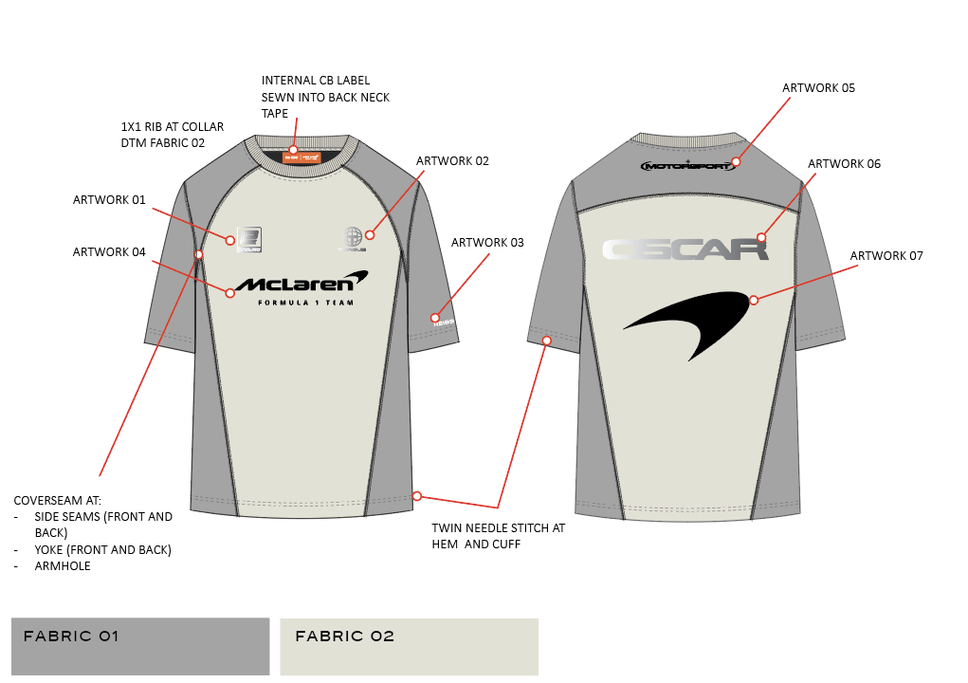
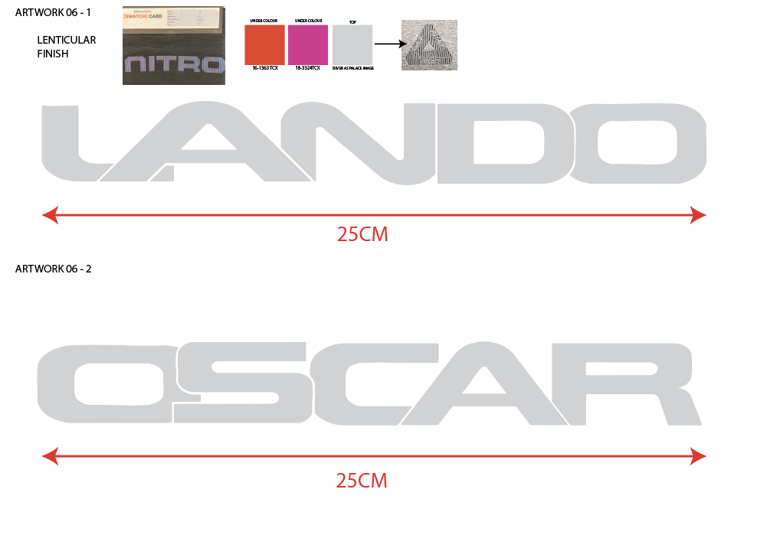
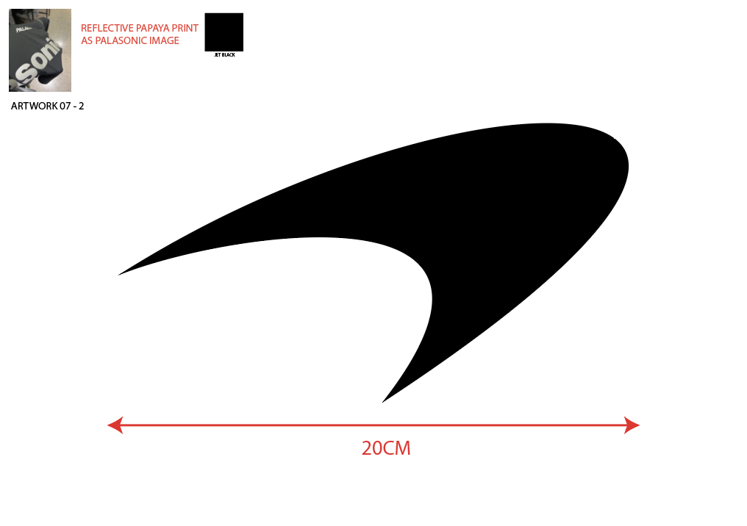
 |  |  |  |  |  |  | BLOCK REFERENCE - AIME FOLLOW FOR STITCH TECHNIQUE AND SHAPE - MAKING SHORT SLEEVE VERSION
