Design Front Sheet
REISS - JERSEY

Season/group: | MCLAREN SEASON 3 |  | Supplier: | UNAVAILABLE | Designer: | FRAN
Style name: | DORIAN |  | Country: | VIETNAM | Tech: | LAUREN
Description: | LONG SLEEVE T-SHIRT |  | Block: | NEW - FOLLOW SPEC | Date: | 26/06/25
Design Front Sheet
Main Fabric: |  | P19-4647
Range: |  | MCLAREN
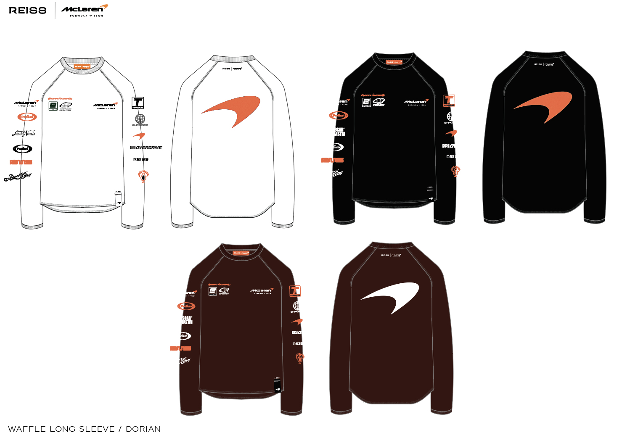

Design Details
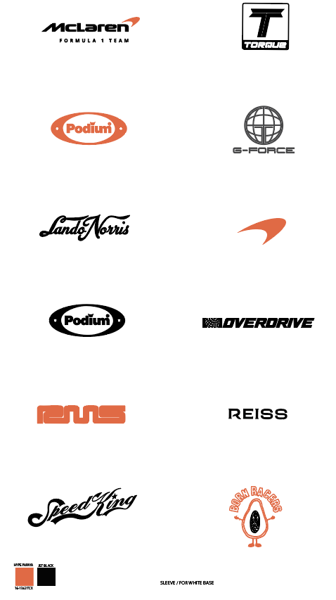
REISS JERSEY

Season/group: | MCLAREN SEASON 3 |  | Supplier: | UNAVAILABLE | Designer: | FRAN
Style name: | DORIAN |  | Country: | VIETNAM | Tech: | LAUREN
Description: | LONG SLEEVE T-SHIRT |  | Block: | NEW - FOLLOW SPEC | Date: | 26/06/25
Design Front Sheet
Main Fabric: |  | P19-4647
Range: |  | MCLAREN

