UPDATE
 |  |  |  |  |  |  |  |  |  |  |  |  |  | Mã số: | PUR.QT-2.BM1
 |  |  |  |  |  |  |  |  |  |  |  |  |  | Lần ban hành: | 01
 |  |  |  |  |  |  |  |  |  |  |  |  |  | Số trang: | 01/01

SUPPLIER: | SH TRIMS |  | CUSTOMER : | HERSCHEL |  |  |  |  |  |  |  |  |  | ORDER DATE: | 14-Nov-24
ADDRESS: |  |  | SEASON : | SS25-S4 |  |  |  |  |  |  |  |  |  | ORDER NO# | ERP
ATTN : |  |  | ETA REQUEST: | 29-Nov-24 |  |  |  |  |  |  |  |  |  | JOB NUMBER : | H06 SS25 G2635
TEL / FAX : |  |  | GARMENT EXIT DATE : | 2024-10-01 |  |  |  |  |  |  |  |  |  | ORDERED BY : | QUY NGUYEN

STYLE NO | CODE TRIMS | DESCRIPTION | STYLE NAME | COLOR (GARMENT) | SIZE | DIMENSION / LENGTH | QUALITY APPROVED | CODE | COLOR | ORDER QUANTITY | INVENTORY AT IPO DATE | ACTUAL QUANTITY | PRICE | AMOUNT | REMARK
ALL STYLES 25S2+CITYPACK |  | UPC STCIKER FOR HANGTAG, POLY BAG, CARTON | ALL STYLES | ALL COLOR | ALL SIZE | 34 x 24mm | APPROVED QUALITY AS PO#H06-0657 |  | WHITE/BLACK | 31288 | 0 | 31,288 | VND 300 | VND 9,386,400 | 1 PC ON HANGTAG 1 PC ON POLYBAG 2PCS ON CARTON BOX | 31194 | VND 21,978.00 | $391.10
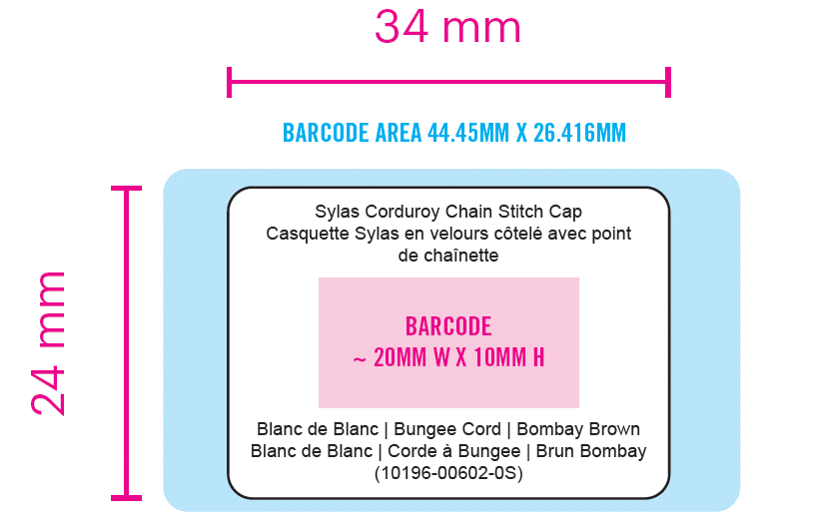 ALL TYPE ON THIS STICKER IS ARIAL 4 PT

 |  |  |  |  |  |  |  |  |  | 31,288 |  | 31,288 |  | VND 9,386,400

RECEIVED BY |  |  |  |  |  |  | APPROVED BY |  |  |  |  |  | PREPARED BY

