PUR.QT-2.BM1
 |  |  |  |  |  |  |  |  |  |  |  | Mã số: | PUR.QT-2.BM1
 |  |  |  |  |  |  |  |  |  |  |  | Lần ban hành: | 01
 |  |  |  |  |  |  |  |  |  |  |  | Số trang: | 1900-01-01

SUPPLIER: |  | SH TRIMS |  |  | CUSTOMER : |  | GOLF WANG |  |  |  |  | ORDER DATE: | 7-Aug-25
ADDRESS: |  |  |  |  | SEASON : |  | SS25 - SUMMER BASIC |  |  |  |  | ORDER NO#
ATTN : |  |  |  |  | ETA REQUEST: |  | 22-Aug-25 |  |  |  |  | JOB NUMBER : | G10 SS25 G2894
TEL / FAX : |  |  |  |  | GARMENT EXIT DATE : |  |  |  |  |  |  | ORDERED BY : | DIEU CAO

STYLE NO | CODE TRIMS | DESCRIPTION | DIMENSION / LENGTH | QUALITY APPROVED | CODE | COLOR | UNIT | ORDER QUANTITY | INVENTORY AT IPO DATE | ACTUAL QUANTITY | PRICE | AMOUNT | REMARK
ALL STYLES |  | STICKER POLY BAG | 2 5/8" W X 1" H | AS UA STANDARD |  | BLACK/WHITE | PCS | 14,351 | 0 | 14,351 |  | - | CHI TIẾT SỐ LƯỢNG ĐẶT Ở CỘT "ORDER QUANTITY" SHEET KẾ TIẾP (WITH WASTAGE 15%)"
 |  | 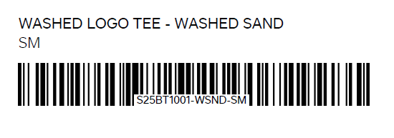

 |  |  |  |  |  |  | Total: | 14,351 |  | 14,351 |  | VND -
 | LƯU Ý: XEM SỐ PO Ở CỘT "B" ĐỂ LẤY FILE PDF STICKER TƯƠNG ỨNG

RECEIVED BY |  |  |  | APPROVED BY |  |  |  |  |  |  | PREPARED BY

