PUR.QT-2.BM1
 |  |  |  |  |  |  |  |  |  |  |  | Mã số: | PUR.QT-2.BM1
 |  |  |  |  |  |  |  |  |  |  |  | Lần ban hành: | 01
 |  |  |  |  |  |  |  |  |  |  |  | Số trang | 1

SUPPLIER: | SH TRIMS |  |  |  |  | CUSTOMER : | LOYALIST |  |  |  |  | ORDER DATE: | 12-Dec-25
ADDRESS: |  |  |  |  |  | SEASON : | FW25- MELBOURNE |  |  |  |  | ORDER NO#
ATTN : |  |  |  |  |  | ETA REQUEST: | 2025-12-22 |  |  |  |  | JOB NUMBER : | L16 FW25 G2869
TEL / FAX : | CHỊ LAN ANH/ THẢO/ QUỲNH |  |  |  |  | GARMENT EXIT DATE : |  |  |  |  |  | ORDERED BY : | NGỌC

STYLE NO | CODE TRIMS | DESCRIPTION | DIMENSION / LENGTH | QUALITY APPROVED | CODE | COLOR | UNIT | ORDER QUANTITY | INVENTORY AT IPO DATE | ACTUAL QUANTITY | PRICE | AMOUNT | REMARK
ALL STYLE FOR EU |  | BARCODE STICKER 3" * 2" (INCH) | 3 x 2" (INCH) | UA STANDARD | SMST | WHITE/ BLACK | PCS | 1,545 |  | 1,545 | VND 500 | VND 772,500 | 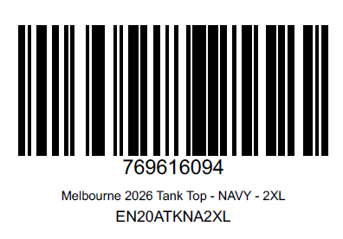 CHI TIẾT NHƯ SHEET (MELBOURNE BARCODES - UA). LẤY LAYOUT NHƯ FILE PFD ĐÍNH KÈM.

 |  |  |  |  |  |  | Total: | 1,545 |  | 1,545 |  | VND 772,500

RECEIVED BY |  |  |  | APPROVED BY MER. MANAGER |  |  |  |  |  |  | PREPARED BY MERCHANDISER

