CARE INSTRUCTION SINGLE
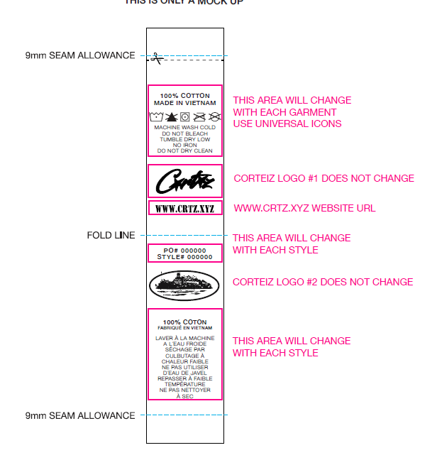
CARE INSTRUCTION - LAYOUT SINGLE

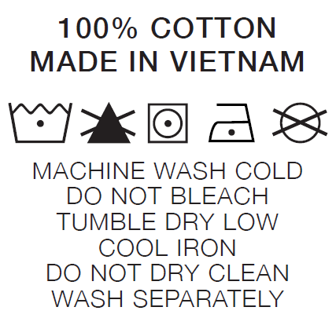
 | 100% COTTON

