PO
 |  |  |  |  |  |  |  |  |  |  |  | Mã số: | PUR.QT-2.BM1
 |  |  |  |  |  |  |  |  |  |  |  | Lần ban hành: | 01
 |  |  |  |  |  |  |  |  |  |  |  | Số trang: | 1900-01-01

SUPPLIER: |  | SH TRIM |  |  | CUSTOMER : |  | CORTEIZ |  |  |  |  | ORDER DATE: | 19-Jan-25
ADDRESS: |  |  |  |  | SEASON : |  | SS25-DROP 12 |  |  |  |  | ORDER NO#
ATTN : |  |  |  |  | ETA REQUEST: |  | 15-Aug-24 |  |  |  |  | JOB NUMBER : | C21 SS25 G2745
TEL / FAX : |  |  |  |  | GARMENT EXIT DATE : |  | 15-Aug-24 |  |  |  |  | ORDERED BY : | BÍCH

STYLE NO | CODE TRIMS | DESCRIPTION | DIMENSION / LENGTH | QUALITY APPROVED | CODE | COLOR | UNIT | ORDER QUANTITY | INVENTORY AT IPO DATE | ACTUAL QUANTITY | PRICE | AMOUNT | REMARK
CRTZ_1160 |  | POLYBAG STICKER | 2” (L) x 1” (W) |  | WHITE | HEATHER GREY | PCS | 1,380 | 0 | 1,380 | VND 300 | VND 414,000
CRTZ_1161 |  | POLYBAG STICKER | 2” (L) x 1” (W) |  | WHITE | HEATHER GREY | PCS | 940 | 0 | 940 | VND 300 | VND 282,000
CRTZ_1162 |  | POLYBAG STICKER | 2” (L) x 1” (W) |  | WHITE | BLACK | PCS | 1,768 | 0 | 1,768 | VND 300 | VND 530,400
CRTZ_1163 |  | POLYBAG STICKER | 2” (L) x 1” (W) |  | WHITE | BLACK | PCS | 1,107 | 0 | 1,107 | VND 300 | VND 332,100
CRTZ_1299 |  | POLYBAG STICKER | 2” (L) x 1” (W) |  | WHITE | PEWTER | PCS | 668 | 0 | 668 | VND 300 | VND 200,400
CRTZ_1300 |  | POLYBAG STICKER | 2” (L) x 1” (W) | 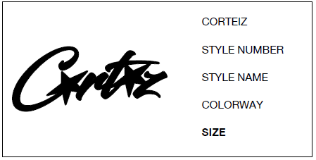 | WHITE | PEWTER | PCS | 447 | 0 | 447 | VND 300 | VND 134,100

 |  |  |  |  |  |  | Total: | 6,310 |  | 6,310 |  | VND 1,893,000

RECEIVED BY |  |  |  | APPROVED BY |  |  |  |  |  |  | PREPARED BY

