PO
 |  |  |  |  |  |  |  |  |  |  |  | Mã số: | PUR.QT-2.BM1
 |  |  |  |  |  |  |  |  |  |  |  | Lần ban hành: | 01
 |  |  |  |  |  |  |  |  |  |  |  | Số trang: | 1900-01-01

SUPPLIER: |  | SH TRIM |  |  | CUSTOMER : |  | CORTEIZ |  |  |  |  | ORDER DATE: | 19-Jan-25
ADDRESS: |  |  |  |  | SEASON : |  | SS25-DROP 14 |  |  |  |  | ORDER NO#
ATTN : |  |  |  |  | ETA REQUEST: |  | 15-Aug-24 |  |  |  |  | JOB NUMBER : | C21 SS25 G2745
TEL / FAX : |  |  |  |  | GARMENT EXIT DATE : |  | 15-Aug-24 |  |  |  |  | ORDERED BY : | BÍCH

STYLE NO | CODE TRIMS | DESCRIPTION | DIMENSION / LENGTH | QUALITY APPROVED | CODE | COLOR | UNIT | ORDER QUANTITY | INVENTORY AT IPO DATE | ACTUAL QUANTITY | PRICE | AMOUNT | REMARK
CRTZ_1388 |  | POLYBAG STICKER | 5.4cm H và 2.5cm W |  |  | WHITE | PCS | 224 | 0 | 224 | VND 300 | VND 67,200 | FILE LAYOUT PDF ĐÍNH KÈM
CRTZ_1388 |  | POLYBAG STICKER | 5.4cm H và 2.5cm W |  |  | WHITE | PCS | 555 | 0 | 555 | VND 300 | VND 166,500 | FILE LAYOUT PDF ĐÍNH KÈM
CRTZ_1431 |  | POLYBAG STICKER | 5.4cm H và 2.5cm W | 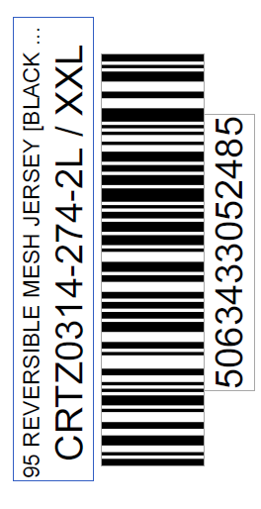 |  | WHITE | PCS | 445 | 0 | 445 | VND 300 | VND 133,500 | FILE LAYOUT PDF ĐÍNH KÈM
CRTZ_1392 |  | POLYBAG STICKER | 5.4cm H và 2.5cm W |  |  | WHITE | PCS | 336 | 0 | 336 | VND 300 | VND 100,800 | FILE LAYOUT PDF ĐÍNH KÈM

 |  |  |  |  |  |  | Total: | 1,560 |  | 1,560 |  | VND 468,000

RECEIVED BY |  |  |  | APPROVED BY |  |  |  |  |  |  | PREPARED BY

