PO
 |  |  |  |  |  |  |  |  |  |  |  | Mã số: | PUR.QT-2.BM1
 |  |  |  |  |  |  |  |  |  |  |  | Lần ban hành: | 01
 |  |  |  |  |  |  |  |  |  |  |  | Số trang: | 1900-01-01

SUPPLIER: |  |  |  |  | CUSTOMER : |  | CORTEIZ |  |  |  |  | ORDER DATE: | 10-Oct-24
ADDRESS: |  |  |  |  | SEASON : |  | SS25- DROP 3 |  |  |  |  | ORDER NO#
ATTN : |  |  |  |  | ETA REQUEST: |  | 20-Oct-24 |  |  |  |  | JOB NUMBER : | C21 SS25 G2745
TEL / FAX : |  |  |  |  | GARMENT EXIT DATE : |  |  |  |  |  |  | ORDERED BY : | BÍCH

STYLE NO | CODE TRIMS | DESCRIPTION | DIMENSION / LENGTH | QUALITY APPROVED | CODE | COLOR | UNIT | ORDER QUANTITY | INVENTORY AT IPO DATE | ACTUAL QUANTITY | PRICE | AMOUNT | REMARK
CRTZ_1299 |  | POLYBAG STICKER | 2” (L) x 1” (W) | 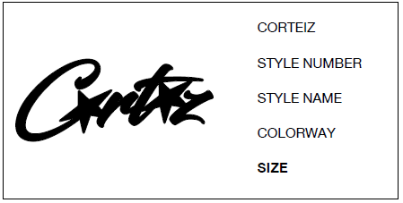 | WHITE | OLIVE | PCS | 337 | 0 | 337 | VND 300 | VND 101,100
CRTZ_1300 |  | POLYBAG STICKER | 2” (L) x 1” (W) |  | WHITE | BLACK | PCS | 229 | 0 | 229 | VND 300 | VND 68,700

 |  |  |  |  |  |  | Total: | 566 |  | 566 |  | VND 169,800

RECEIVED BY |  |  |  | APPROVED BY |  |  |  |  |  |  | PREPARED BY

