DETAIL
 |  |  |  |  |  |  |  |  |  |  |  | Mã số: | PUR.QT-2.BM1
 |  |  |  |  |  |  |  |  |  |  |  | Lần ban hành: | 01
 |  |  |  |  |  |  |  |  |  |  |  | Số trang: | 1900-01-01

SUPPLIER: |  |  |  |  | CUSTOMER : |  | GOLF LE FLUER |  |  |  |  | ORDER DATE: | 26-Dec-25
ADDRESS: |  |  |  |  | SEASON : |  | SS26 PRODUCTION DROP 2/3 |  |  |  |  | ORDER NO#
ATTN : |  |  |  |  | ETA REQUEST: |  | 13-Dec-23 |  |  |  |  | JOB NUMBER : | G11 SS26 G2961
TEL / FAX : |  |  |  |  | GARMENT EXIT DATE : |  | 1-Feb-24 |  |  |  |  | ORDERED BY : | THUY THAI

STYLE NO | CODE TRIMS | DESCRIPTION | DIMENSION / LENGTH | QUALITY APPROVED | CODE | COLOR | UNIT | ORDER QUANTITY | INVENTORY AT IPO DATE | ACTUAL QUANTITY | PRICE | AMOUNT | REMARK
ALL STYLES |  | STIKER DÁN BÁO | 45MM X 25MM | UA STANDARD |  | WHITE/ BLACK | PCS | 940 |  | 940 | VND 500 | VND 470,000
 | 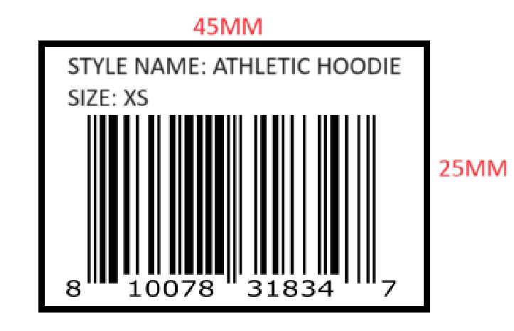

 |  |  |  |  |  |  | Total: | 940 |  | 940 |  | VND 470,000

RECEIVED BY |  |  |  | APPROVED BY |  |  |  |  |  |  | PREPARED BY

