PUR.QT-2.BM1
 |  |  |  |  |  |  |  |  |  |  |  | Mã số: | PUR.QT-2.BM1
 |  |  |  |  |  |  |  |  |  |  |  | Lần ban hành: | 01
 |  |  |  |  |  |  |  |  |  |  |  | Số trang | 1

SUPPLIER: |  |  |  |  |  | CUSTOMER : | OVO |  |  |  |  | ORDER DATE: | 18-Dec-25
ADDRESS: |  |  |  |  |  | SEASON : | FW26-DROP MUSKOKA |  |  |  |  | ORDER NO#
ATTN : |  |  |  |  |  | ETA REQUEST: |  |  |  |  |  | JOB NUMBER : | O08 FW26 G2981
TEL / FAX : |  |  |  |  |  | GARMENT EXIT DATE : |  |  |  |  |  | ORDERED BY : | THUY THAI

STYLE NO | CODE TRIMS | DESCRIPTION | DIMENSION / LENGTH | QUALITY APPROVED | CODE | COLOR | UNIT | ORDER QUANTITY | INVENTORY AT IPO DATE | ACTUAL QUANTITY | PRICE | AMOUNT | REMARK
ALL STYLES |  | STICKER | 2.5'' x 1'' | AS OVO STANDARD | TR-ST111 UPC STICKER | WHITE | PCS | 76,486 | 0 | 76,486 | VND 300 | VND 22,945,800 | CHI TIẾT TỪNG SIZE VUI LÒNG XEM SHEET DETAIL VÀ UPC INFORMATION | STICKER

 |  |  |  |  |  |  | Total: | 76,486 |  | 76,486 |  | VND 22,945,800

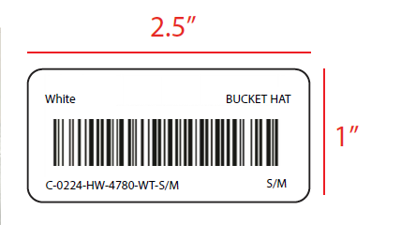 GỬI LAYOUT ĐỂ DUYỆT TRƯỚC KHI SẢN XUẤT ĐẠI TRÀ
 |  |  |  |  |  |  |  |  |  |  |  | 23-Sep-24 | CẬP NHẬT LẠI LAYOUT MỚI

RECEIVED BY |  |  |  | APPROVED BY MER. MANAGER |  |  |  |  |  |  | PREPARED BY MERCHANDISER

UPC INFORMATION
UPDATE NGÀY 19-SEP

