PUR.QT-2.BM1
 |  |  |  |  |  |  |  |  |  |  |  | Mã số: | PUR.QT-2.BM1
 |  |  |  |  |  |  |  |  |  |  |  | Lần ban hành: | 01
 |  |  |  |  |  |  |  |  |  |  |  | Số trang | 1

SUPPLIER: | SH TRIMS |  |  |  |  | CUSTOMER : | OVO |  |  |  |  | ORDER DATE: | 10-Sep-25
ADDRESS: |  |  |  |  |  | SEASON : | SS26- MAINLINE_DROP1 |  |  |  |  | ORDER NO#
ATTN : |  |  |  |  |  | ETA REQUEST: | 5-Oct-25 |  |  |  |  | JOB NUMBER : | O08 SS26 G2918
TEL / FAX : | CHỊ LAN ANH |  |  |  |  | GARMENT EXIT DATE : | 21-Oct-25 |  |  |  |  | ORDERED BY : | NGỌC TRẦN

STYLE NO | CODE TRIMS | DESCRIPTION | DIMENSION / LENGTH | QUALITY APPROVED | CODE | COLOR | UNIT | ORDER QUANTITY | INVENTORY AT IPO DATE | ACTUAL QUANTITY | PRICE | AMOUNT | REMARK
ALL STYLES |  | STICKER | 1.25" X 2.5" | AS OVO STANDARD | TR-ST114 UPC STICKER | WHITE | PCS | 1,584 | 0 | 1,584 | VND 300 | VND 475,200 | LAYOUT MỚI KHÔNG ĐỂ GIÁ RETAIL | STICKER
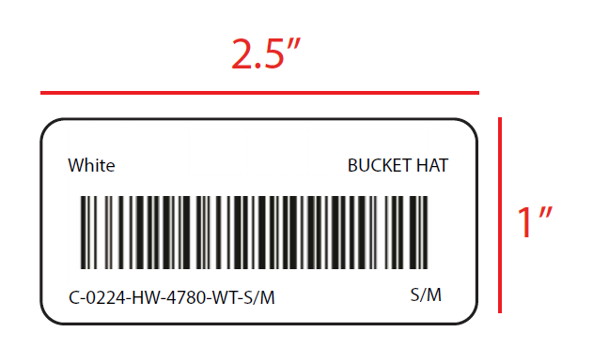 1. XEM CHI TIẾT SỐ LƯỢNG TỪNG SIZE Ở CỘT "ORDER QUALITY" 2. GỬI LAYOUT ĐỂ DUYỆT TRƯỚC KHI SẢN XUẤT ĐẠI TRÀ

 |  |  |  |  |  |  | Total: | 1,584 |  | 1,584 |  | VND 475,200

RECEIVED BY |  |  |  | APPROVED BY MER. MANAGER |  |  |  |  |  |  | PREPARED BY MERCHANDISER

