COVERSHEET
Season | AUTUMN 25 | Date Created | 2024-07-23 | ER | Proto Rcd | 00/00/2024
Style Name |  | COMMENTS P1 | 00/00/2024 |  | 2nd Proto | 00/00/2024
Code |  | COMMENTS P2 | 00/00/2024 |  | Sample Sealed | 00/00/2024
Block ES4B | LONG SLEEVE T-SHIRT 3.8CM GRADING RIB CUFF AND NON RIB CUFF MEASURES | COMMENTS P3 | 00/00/2024 |  | Approved By | X
ES4B - LONG SLEEVE T-SHIRT
STYLES USING THIS BLOCK:
SPRING 25:
P28ES034_035_040_041 (WITH CUFF)
P28ES036_037_038 (WITH CUFF)
P28ES004_020_021 (WITH CUFF)
P28ES010_019_039 (NO CUFF, WITH PANELS)
HOLIDAY 24:
P27ES099_100_101 (WITHOUT RIB CUFF)
WINTER 24:
P27LS001_002_003_004_005_006_007_008 (WITHOUT RIB CUFF)
P27ES061_062_063_064 (WITHOUT RIB CUFF)
P27ES069_070_071_075. (WITH RIB CUFF)
AUTUMN 24:
P27LS009_010_011_012_013_014 (WITH CUFF)
MOVING FORWARD FROM AUTUMN 24 USING THIS BLOCK

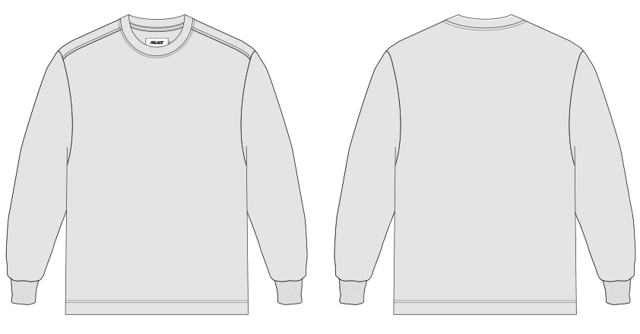

Copyright 2016 © PALACE all rights reserved. PALACE is a trademark of Palace Skateboards Limited. Copying strictly forbiden.

