COVERSHEET
SEASON | WINTER 25 | STYLE
STYLE NAME | TRIPPLE STITCH VERITAS ZIP HOOD | DATE CREATED | 14.10.24. ER
CODE | P29CS083_084_085_086 | SAMPLE SEALED
BLOCK: CS37CWS (TRIPLE STITCH HOOD) | SET IN SLEEVE. HOOD. ZIP UP 3.8CM GRADING RIB CUFF AND HEM | FINAL APPROVAL BY
CS37CWS - HOOD. SET IN SLEEVE. ZIP UP
STYLES USING THIS BLOCK:
AUTUMN 25:
WINGSPAN TRIPLE STITCH HOOD - P29CS016_017_029
SPRING 25:
MISA ZIP HOOD - P28CS045_050_057

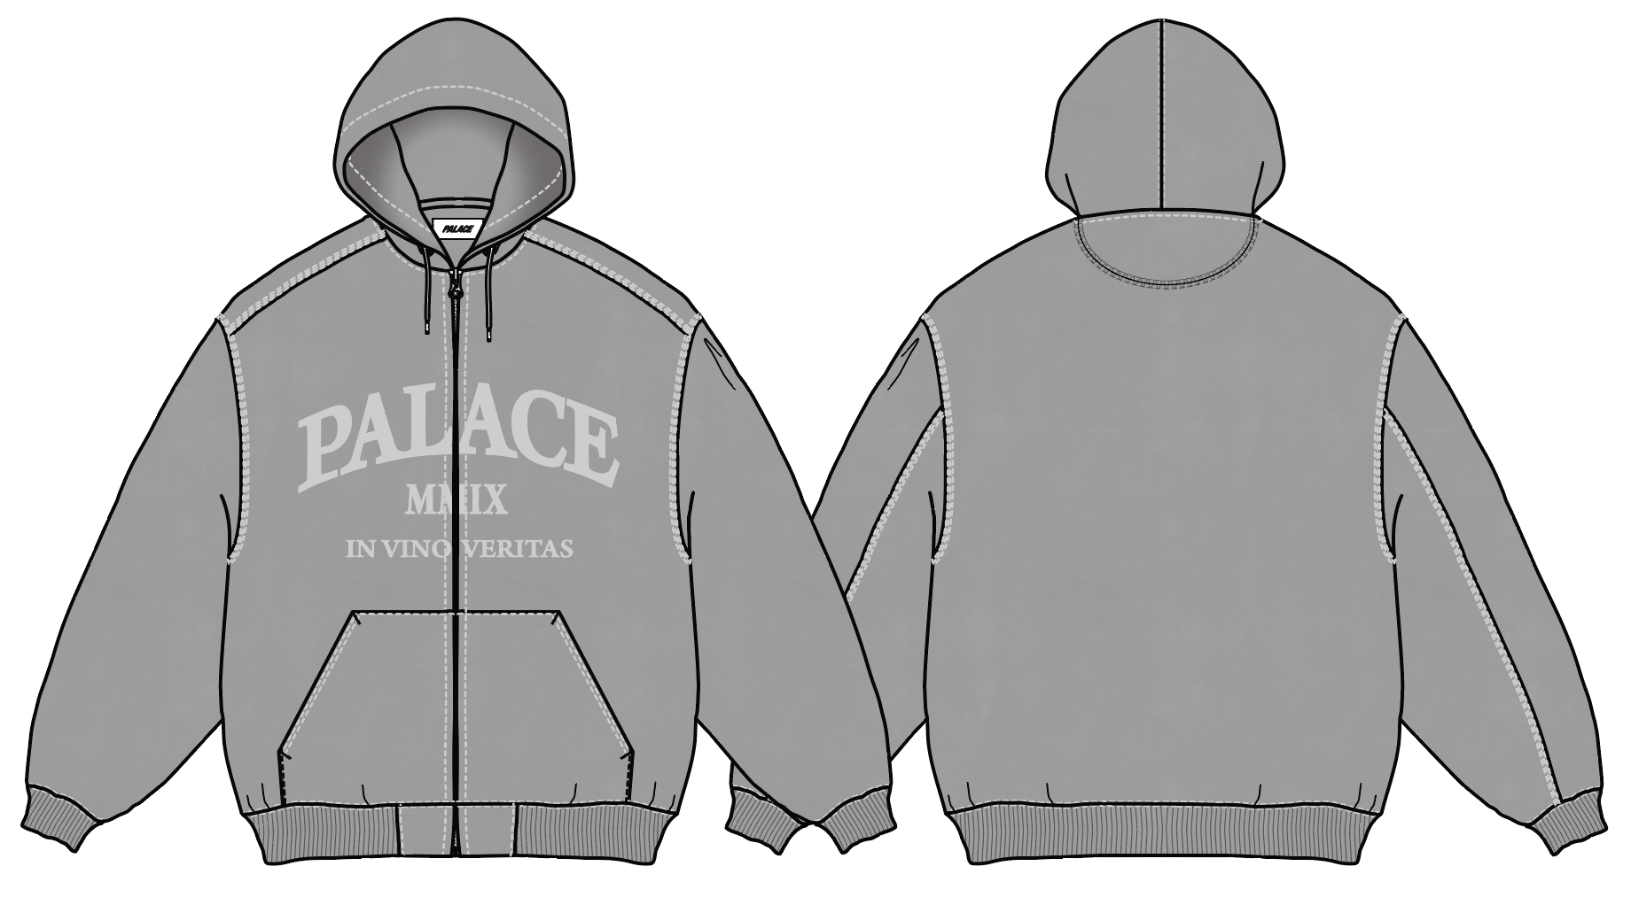

Copyright 2016 © PALACE all rights reserved. PALACE is a trademark of Palace Skateboards Limited. Copying strictly forbiden.

POM
