L1-100% -printable
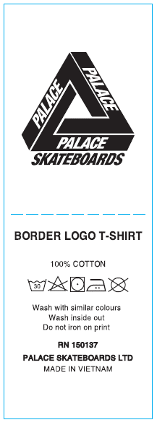

THAM KHẢO NỘI DUNG, ĐỔI STYLE NAME NHƯ FILE DETAIL

L2-74-26 (all)
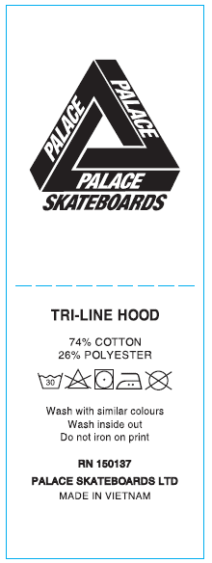

THAM KHẢO NỘI DUNG, ĐỔI STYLE NAME NHƯ FILE DETAIL

L3-66-34 (unisex)
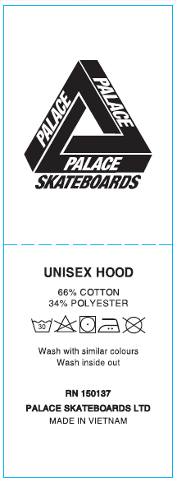

THAM KHẢO NỘI DUNG, ĐỔI STYLE NAME NHƯ FILE DETAIL

L4-100% -unisex
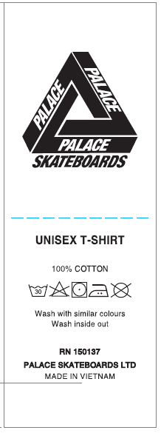

THAM KHẢO NỘI DUNG, ĐỔI STYLE NAME NHƯ FILE DETAIL

