L1-100%
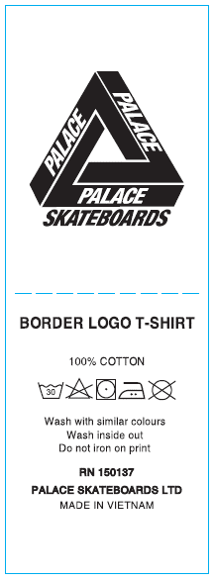
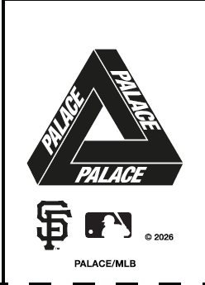

THAM KHẢO NỘI DUNG, ĐỔI STYLE NAME NHƯ FILE DETAIL(LOGO ĐẶC BIỆT)

L2-74-26 (all)
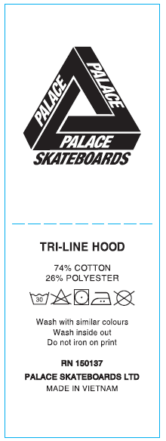

THAM KHẢO NỘI DUNG, ĐỔI STYLE NAME NHƯ FILE DETAIL (LOGO ĐẶC BIỆT)

L3-100%NYLON
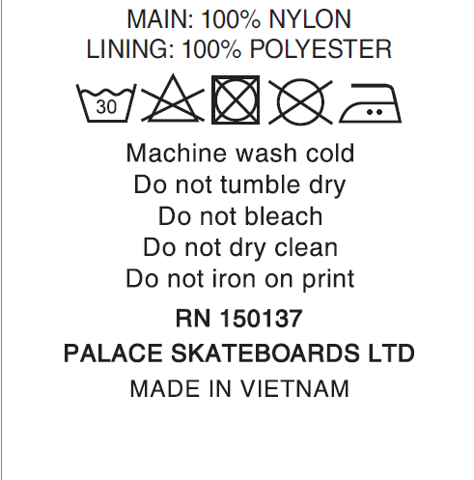
LOGO ĐẶC BIỆT

