L1-100% -printable
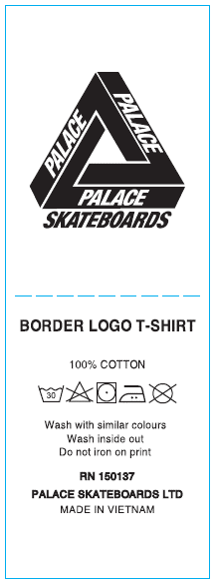

THAM KHẢO NỘI DUNG, ĐỔI STYLE NAME NHƯ FILE DETAIL

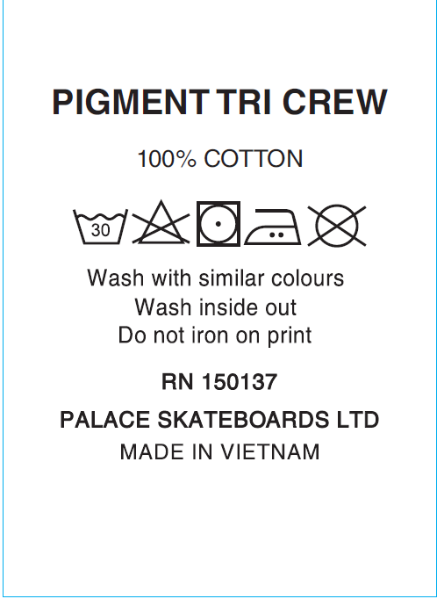

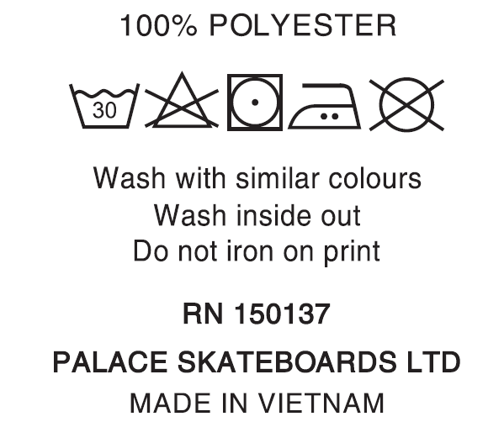

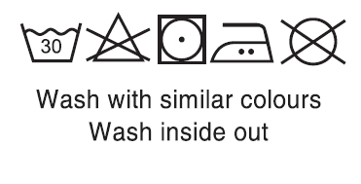

L2-74-26 (all)
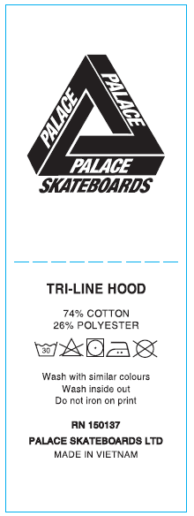

 | THAM KHẢO NỘI DUNG, ĐỔI STYLE NAME NHƯ FILE DETAIL

 |  | L2-Bỏ "Do not iron on print"

L2

L3-MESH
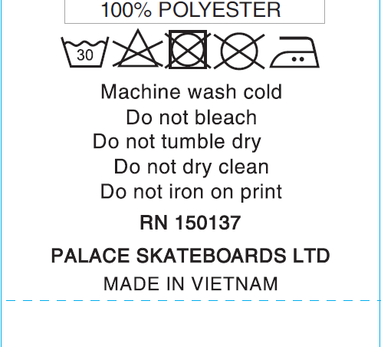

L4-woven
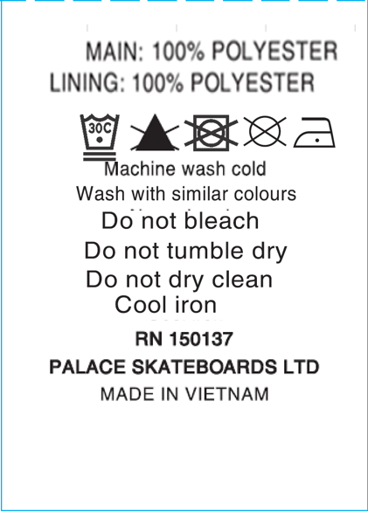

L5-POLARTEC
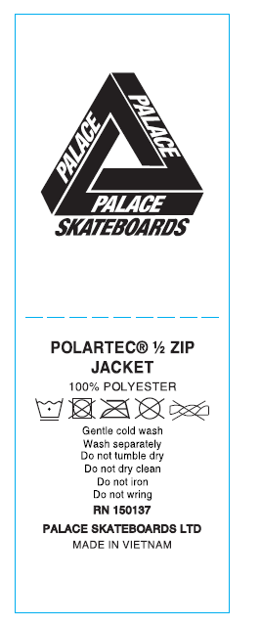

ĐỔI STYLE NAME

L6-WAFFLE
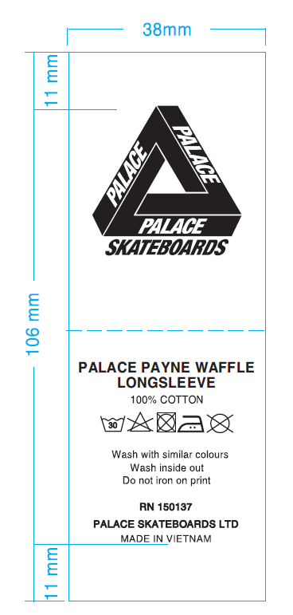

ĐỔI STYLE NAME

L-ĐẶC BIỆT
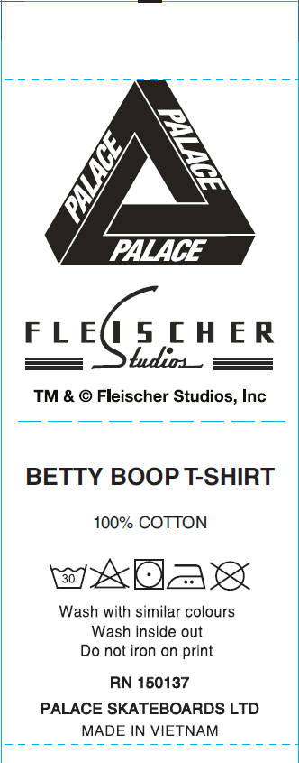

ĐỔI STYLE NAME
