L1-100% -printable
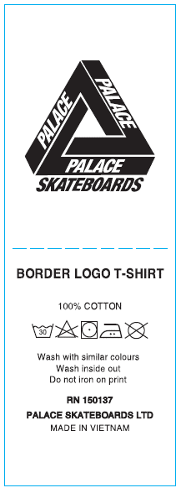

THAM KHẢO NỘI DUNG, ĐỔI STYLE NAME NHƯ FILE DETAIL

L2-74-26 (all)
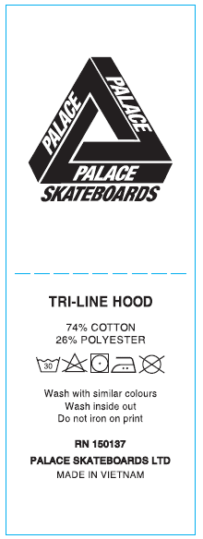

THAM KHẢO NỘI DUNG, ĐỔI STYLE NAME NHƯ FILE DETAIL

