MER.QT-1.BM2
 |  |  |  |  |  |  |  |  |  |  |  | Mã số: | MER.QT-1.BM2
 |  |  |  |  |  |  |  |  |  |  |  | Lần ban hành: | 01
 |  |  |  |  |  |  |  |  |  |  |  | Số trang: | 01/01

SUPPLIER: | SH TRIMS |  |  |  | CUSTOMER : |  | PALACE |  |  |  |  | ORDER DATE: | 18-Jul-25
ADDRESS: |  |  |  |  | SEASON : |  | SS26-SPRING |  |  |  |  | ORDER NO# | ERP P2-250718-430 P2-250718-431
ATTN : |  |  |  |  | ETA REQUEST: |  | 2025-07-28 |  |  |  |  | JOB NUMBER : | P19 SS26 G2863
TEL / FAX : |  |  |  |  | GARMENT EXIT DATE : |  | 17-Aug-25 |  |  |  |  | ORDERED BY : | QUY

STYLE NO | CODE TRIMS | DESCRIPTION | DIMENSION / LENGTH | QUALITY APPROVED | CODE | COLOR | UNIT | ORDER QUANTITY | INVENTORY AT IPO DATE | ACTUAL QUANTITY | PRICE | AMOUNT | REMARK
FOR EU PORTION ONLY |  | EU STICKER ON POLY BAGS |  | H1.5cm x W5 cm |  | NỀN TRẮNG CHỮ ĐEN | PCS | 5,300 | 0 | 5,300 | VND 300 | VND 1,590,000 | GIỐNG PO 'P19-4696 | 4775 | 5260 | 5,073
 | The red line is the cutting line
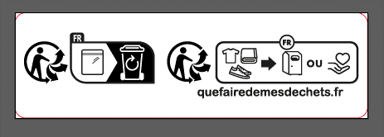

 |  |  |  |  |  |  | Total: | 5,300 |  | 5,300 |  | VND 1,590,000

RECEIVED BY |  |  |  | APPROVED BY |  |  |  |  |  |  | PREPARED BY

