L2-74-26 (all)
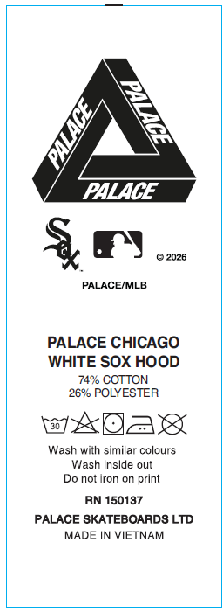

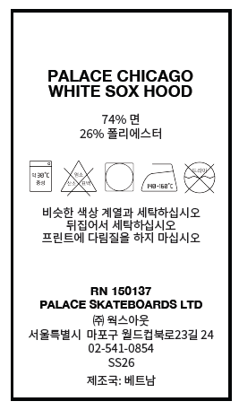

ĐẶT THÊM GIỐNG NHƯ PO SB2C000700455

