DETAIL
NO | UA STYLE NO. | ITEM | STYLE NAME | FABRIC CONTENT | TOTAL | NOTE | REFERENCE FOR VISUAL ONLY | TREATMENT
1 | C0007-HOD738 | HONG KONG | PALACE HONG KONG HOOD | 74% COTTON 26% POLYESTER | 170 | L2 | 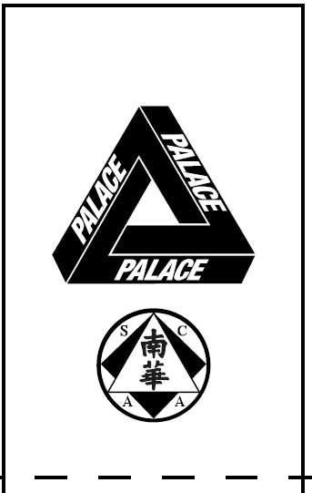 LƯU Ý-LAYOUT CARE ĐẶC BIỆT | PRINT AT FRONT, BACK, BACK NECK
2 | C0007-HOD738 | HONG KONG | PALACE HONG KONG HOOD | 74% COTTON 26% POLYESTER | 170 | L2 |  | PRINT AT FRONT, BACK NECK
3 | C0007-SST1780 | HONG KONG | PALACE HONG KONG T-SHIRT | 100% COTTON | 392 | L1 |  | PRINT AT FRONT, BACK, BACK NECK
4 | C0007-SST1780 | HONG KONG | PALACE HONG KONG T-SHIRT | 100% COTTON | 227 | L1 |  | PRINT AT FRONT, BACK, BACK NECK
5 | C0007-SST1780 | HONG KONG | PALACE HONG KONG T-SHIRT | 100% COTTON | 280 | L1 |  | PRINT AT FRONT, BACK NECK
6 | C0007-LST347 | HONG KONG | PALACE HONG KONG LONGSLEEVE | 100% COTTON | 170 | L1 |  | PRINT AT FRONT, BACK YOKE, 2 SLEEVES
7 | C0007-LST347 | HONG KONG | PALACE HONG KONG LONGSLEEVE | 100% COTTON | 170 | L1 |  | PRINT AT FRONT, BACK YOKE, 2 SLEEVES
8 | C0007-SST1783 | HONG KONG | PALACE HONG KONG JERSEY | 100% POLYESTER | 275 | L3 |  | PRINT AT FRONT, BACK YOKE, BACK
TOTAL |  |  |  |  | 1,854

L1-100%
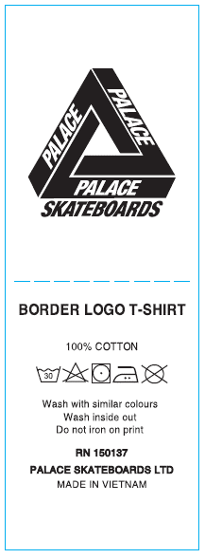

THAM KHẢO NỘI DUNG, ĐỔI STYLE NAME NHƯ FILE DETAIL

L2-74-26 (all)
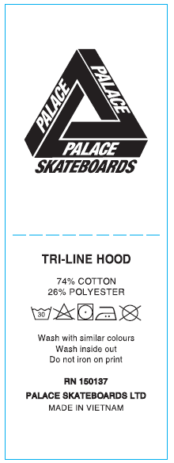

THAM KHẢO NỘI DUNG, ĐỔI STYLE NAME NHƯ FILE DETAIL

L3-MESH 100% poly
