MER.QT-1.BM2
 |  |  |  |  |  |  |  |  |  |  |  | Mã số: | MER.QT-1.BM2
 |  |  |  |  |  |  |  |  |  |  |  | Lần ban hành: | 01
 |  |  |  |  |  |  |  |  |  |  |  | Số trang: | 01/01

SUPPLIER: | SH TRIMS |  |  |  | CUSTOMER : |  | PALACE |  |  |  |  | ORDER DATE: | 26-Aug-25
ADDRESS: |  |  |  |  | SEASON : |  | SS26-SUMMER |  |  |  |  | ORDER NO#
ATTN : |  |  |  |  | ETA REQUEST: |  | 2024-10-05 |  |  |  |  | JOB NUMBER : | P19 SS26 G2863
TEL / FAX : |  |  |  |  | GARMENT EXIT DATE : |  | 25-Sep-25 |  |  |  |  | ORDERED BY : | BÍCH

STYLE NO | CODE TRIMS | DESCRIPTION | DIMENSION / LENGTH | QUALITY APPROVED | CODE | COLOR | UNIT | ORDER QUANTITY | INVENTORY AT IPO DATE | ACTUAL QUANTITY | PRICE | AMOUNT | REMARK
PRINTABLE JCC BASIC |  | CARE LABEL-TIẾNG ANH |  | SIZE AND QUALITY SAME AS LAST SEASON |  | WHITE | PCS | 2,138 | 0 | 2,138 | VND 620 | VND 1,325,560 | VERSION TIẾNG ANH | 414 | 1,724
PRINTABLE JCC BASIC |  | CARE LABEL-TIẾNG HÀN | 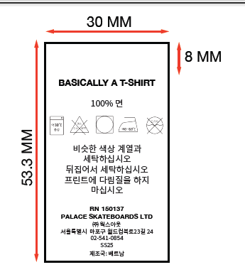 | SIZE AND QUALITY SAME AS LAST SEASON |  | WHITE | PCS | 2,138 | 0 | 2,138 | VND 620 | VND 1,325,560 | VERSION TIẾNG HÀN
PLEASE SEE DETAIL SHEET FOR STYLE NAME

 |  |  |  |  |  |  | Total: | 4,276 |  | 4,276 |  | VND 2,651,120

RECEIVED BY |  |  |  | APPROVED BY |  |  |  |  |  |  | PREPARED BY

LAYOUT
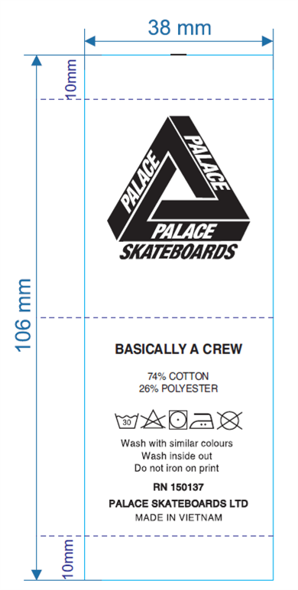
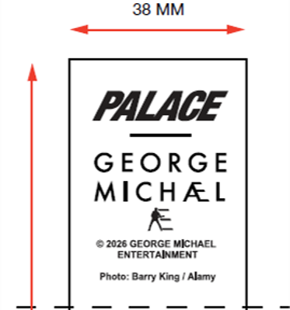

THAY ĐỔI THÀNH PHẨN+ HƯỚNG DẪN GIẶT + TÊN MÃ HÀNG

