MER.QT-1.BM2
 |  |  |  |  |  |  |  |  |  |  |  | Mã số: | MER.QT-1.BM2
 |  |  |  |  |  |  |  |  |  |  |  | Lần ban hành: | 01
 |  |  |  |  |  |  |  |  |  |  |  | Số trang: | 01/01

SUPPLIER: | SH TRIMS |  |  |  | CUSTOMER : |  | PALACE |  |  |  |  | ORDER DATE: | 5-Dec-24
ADDRESS: |  |  |  |  | SEASON : |  | SS25-SUMMER |  |  |  |  | ORDER NO#
ATTN : |  |  |  |  | ETA REQUEST: |  | 2024-10-05 |  |  |  |  | JOB NUMBER : | P19 SS25 G2725
TEL / FAX : |  |  |  |  | GARMENT EXIT DATE : |  | 4-Jan-25 |  |  |  |  | ORDERED BY : | BÍCH

STYLE NO | CODE TRIMS | DESCRIPTION | DIMENSION / LENGTH | QUALITY APPROVED | CODE | COLOR | UNIT | ORDER QUANTITY | INVENTORY AT IPO DATE | ACTUAL QUANTITY | PRICE | AMOUNT | REMARK
PRINTABLE |  | CARE LABEL | 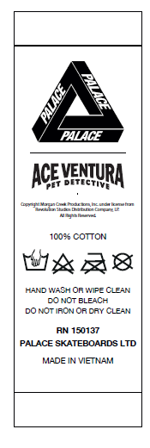 | SIZE AND QUALITY SAME AS LAST SEASON |  | WHITE | PCS | 4,064 | 0 | 4,064 | VND 620 | VND 2,519,680 | VERSION TIẾNG ANH | 3694 | 4064
PLEASE SEE DETAIL SHEET FOR STYLE NAME |  |  |  |  |  |  |  |  |  |  |  |  |  | 590 | 3474

 |  |  |  |  |  |  | Total: | 4,064 |  | 4,064 |  | VND 2,519,680

RECEIVED BY |  |  |  | APPROVED BY |  |  |  |  |  |  | PREPARED BY

