PHOTO SAMPLE
STYLE# |  | 1140283
DESCRIPTION |  | LAZY SS TEE
COLOR |  | FA25
SIZE |  | M | DATE: 3/13/2025

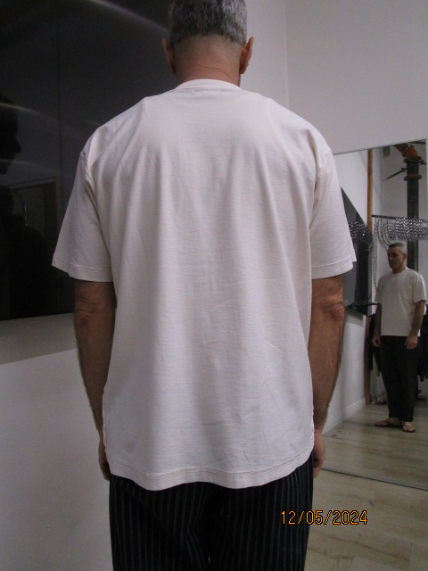
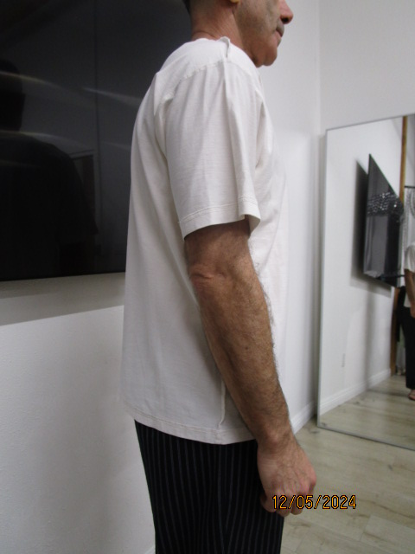
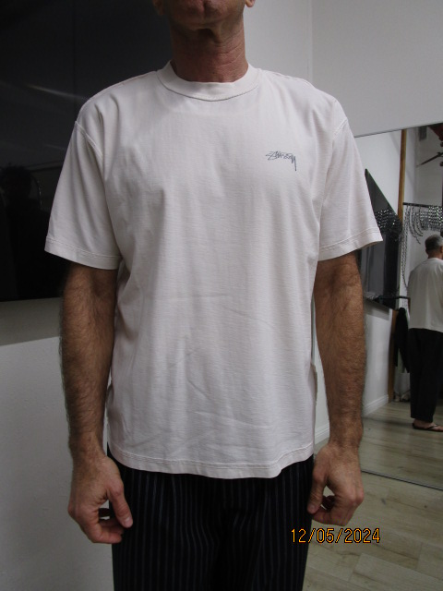
REDUCE ACROSS FRONT 1/4" ON EACH SIDE
 | PICTURES FRONT
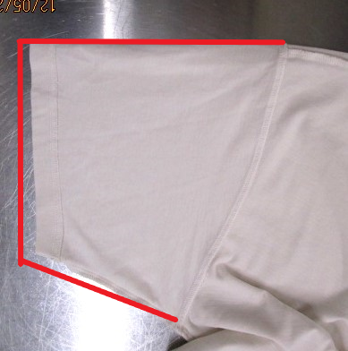
+1/4" AT LENGHT

+3/8" AT NSEAM
+1/4" AT SLEEVE OPENING

PPS
STYLE# |  | 1140283
DESCRIPTION |  | LAZY SS TEE
COLOR |  | FA25
SIZE |  | M | DATE: 3/13/2025

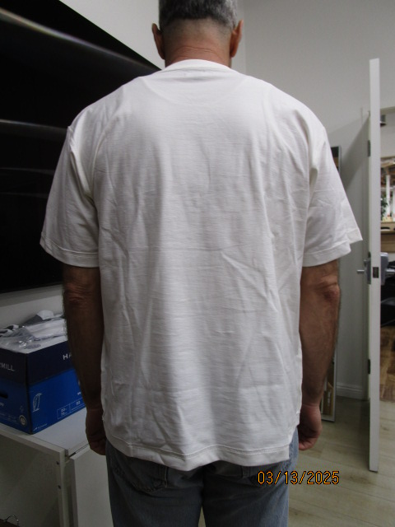
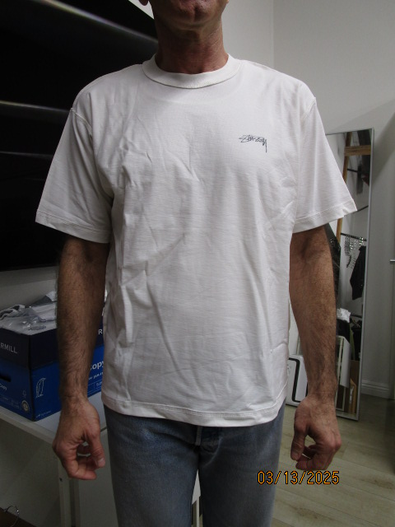
 | PICTURES FRONT

