PPS
STYLE# |  | 118570
DESCRIPTION |  | RAGLAN FLEECE CREW
COLOR |  | FA25
SIZE |  | M | DATE: 5/6/2025

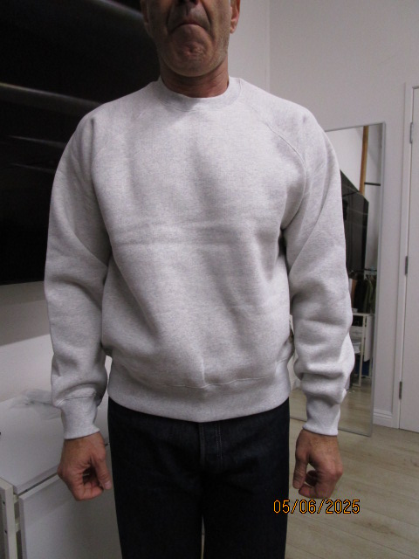
 | PICTURES FRONT
