1ST. PROTO
STYLE# |  | 118597
DESCRIPTION |  | STUSSY EST PRINTED ZIP HOOD
COLOR |  | FA25
SIZE |  | M | DATE: 3/20/2025

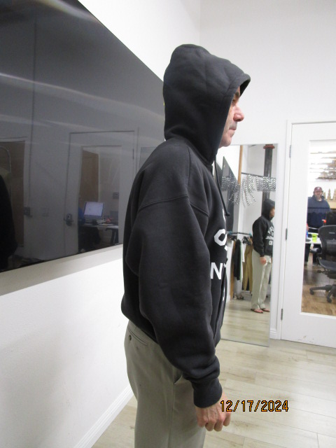
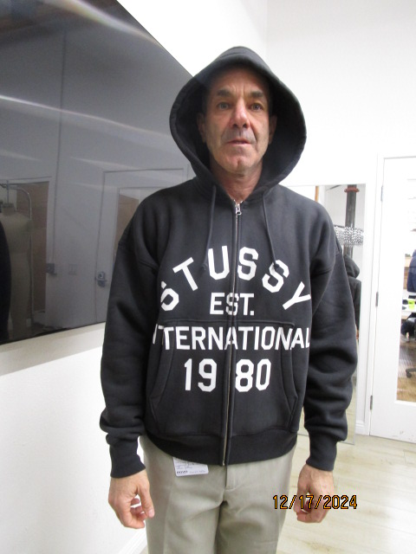
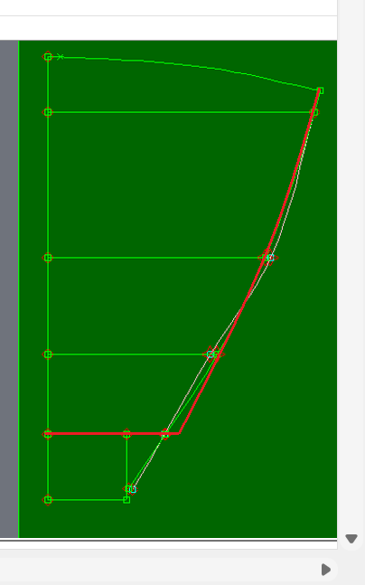
 | PICTURES FRONT
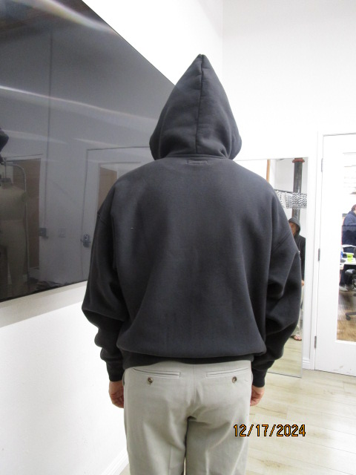

SMS
STYLE# |  | 118597
DESCRIPTION |  | STUSSY EST PRINTED ZIP HOOD
COLOR |  | FA25
SIZE |  | M | DATE: 3/20/2025

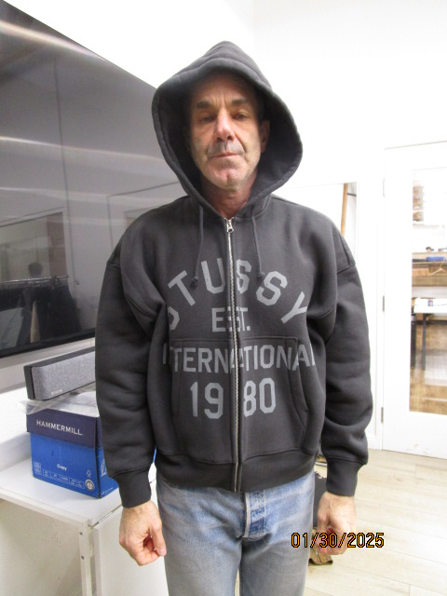
 | PICTURES FRONT
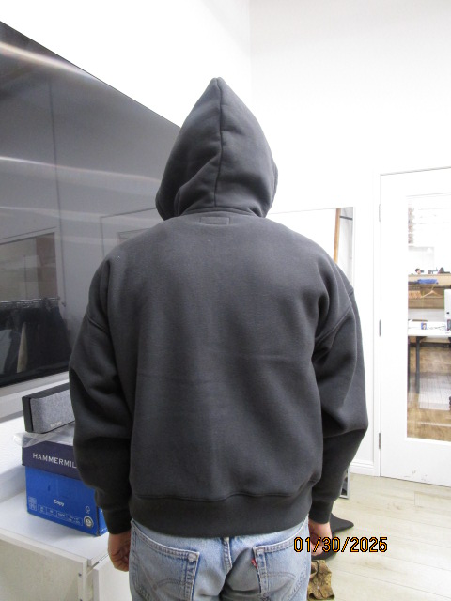 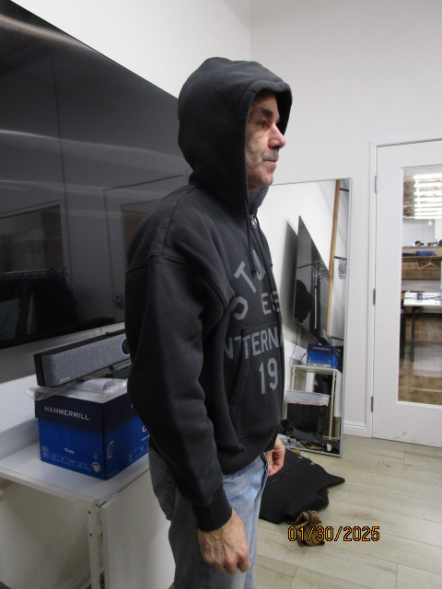

PPS
STYLE# |  | 118597
DESCRIPTION |  | STUSSY EST PRINTED ZIP HOOD
COLOR |  | FA25
SIZE |  | M | DATE: 3/20/2025

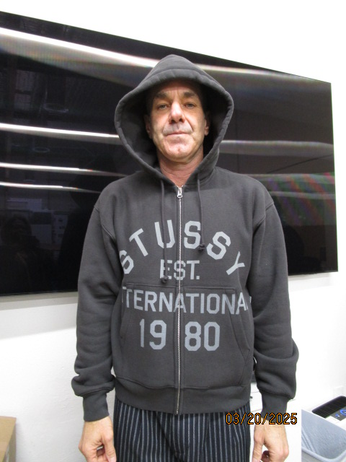
 | PICTURES FRONT
