MER.QT-1.BM2
 |  |  |  |  |  |  |  |  |  |  |  | Mã số: | PUR.QT-2.BM1
 |  |  |  |  |  |  |  |  |  |  |  | Lần ban hành: | 01
 |  |  |  |  |  |  |  |  |  |  |  | Số trang: | 1

SUPPLIER: | SH TRIMS |  |  |  | CUSTOMER : |  | STUSSY |  |  |  |  | ORDER DATE: | 29-Jun-25
ADDRESS: |  |  |  |  | SEASON : |  | FW25- DROP 3 |  |  |  |  | ORDER NO#
ATTN : |  |  |  |  | ETA REQUEST: |  |  |  |  |  |  | JOB NUMBER : | S20 FW25 G2956
TEL / FAX : | CHỊ LAN ANH |  |  |  | GARMENT EXIT DATE : |  |  |  |  |  |  | ORDERED BY : | NGỌC TRẦN

STYLE NO | CODE TRIMS | DESCRIPTION | DIMENSION / LENGTH | QUALITY APPROVED | CODE | COLOR | UNIT | ORDER QUANTITY | INVENTORY AT IPO DATE | ACTUAL QUANTITY | PRICE | AMOUNT | REMARK | 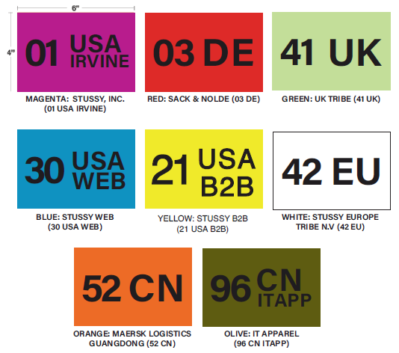
ALL STYLE |  | COLOR ADDRESS STICKER | 4'' X 6'' | SAME AS QUALITY HO21 | 30 | BLUE | PCS | 232 | 0 | 232 | VND 1,000 | VND 232,000
ALL STYLE |  | COLOR ADDRESS STICKER | 4'' X 6'' | SAME AS QUALITY HO21 | 21 | YELLOW | PCS | 139 | 0 | 139 | VND 1,000 | VND 139,000
ALL STYLE |  | COLOR ADDRESS STICKER | 4'' X 6'' | SAME AS QUALITY HO21 | 41 | GREEN | PCS | 100 | 0 | 100 | VND 1,000 | VND 100,000
ALL STYLE |  | COLOR ADDRESS STICKER | 4'' X 6'' | SAME AS QUALITY HO21 | 42 | WHITE | PCS | 117 | 0 | 117 | VND 1,000 | VND 117,000
ALL STYLE |  | COLOR ADDRESS STICKER | 4'' X 6'' | SAME AS QUALITY HO21 | 52 | ORANGE | PCS | 44 | 0 | 44 | VND 1,000 | VND 44,000

 |  |  |  |  |  |  | Total: | 632 |  | 632 |  | VND 632,000

RECEIVED BY |  |  |  | APPROVED BY |  |  |  |  |  |  | PREPARED BY

