DETAIL
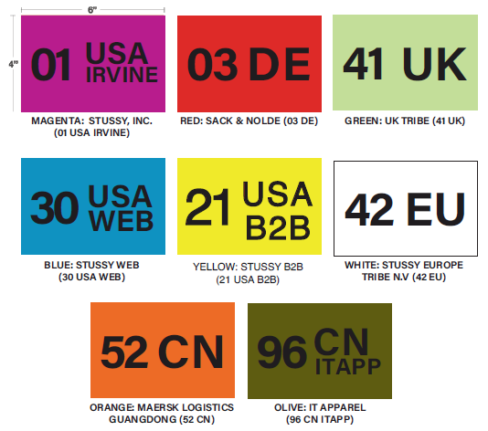
Style Number | Style Description | Warehouse | PO/Cut Ticket # | Color | Size | UPC Code | Sum of Original Quantity | STICKER
 |  | 12 Total |  |  |  |  |  | 0 | 69
 |  | 21 Total |  |  |  |  |  | 0 | 248
 |  | 30 Total |  |  |  |  |  | 0 | 160
 |  | 41 Total |  |  |  |  |  | 0 | 123
 |  | 42 Total |  |  |  |  |  | 0 | 124
 |  | 52 Total |  |  |  |  |  | 0 | 89
 |  | 94 Total |  |  |  |  |  | 0 | 152
 |  | 95 Total |  |  |  |  |  | 0 | 87

 |  | Grand Total |  |  |  |  |  | 0

