DETAILS
Style Number | Style Description | Warehouse | PO/Cut Ticket # | Color | Size | UPC Code | Sum of Original Quantity | STICKER
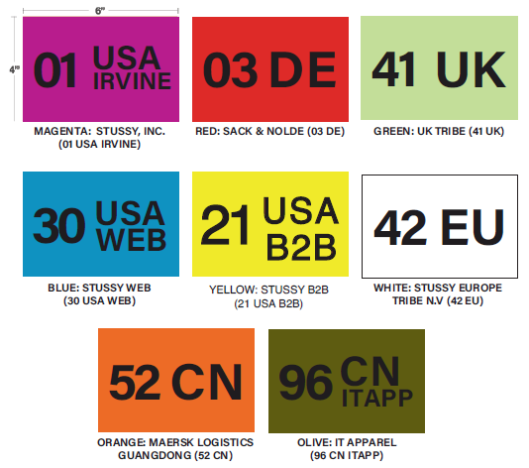
 |  | 12 Total |  |  |  |  |  | 0 | 111
 |  | 21 Total |  |  |  |  |  | 0 | 200
 |  | 30 Total |  |  |  |  |  | 0 | 500
 |  | 41 Total |  |  |  |  |  | 0 | 136
 |  | 42 Total |  |  |  |  |  | 0 | 132
 |  | 94 Total |  |  |  |  |  | 0 | 192
 |  | 95 Total |  |  |  |  |  | 0 | 74

 |  | Grand Total |  |  |  |  |  | 0

