DETAIL
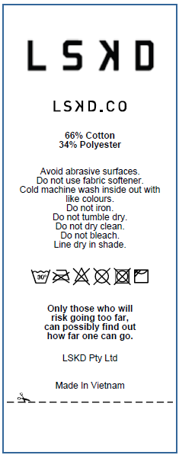
STYLES NAME | SKU | STYLE NAME | SIZE | QUANTITY | THÀNH PHẦN VẢI
C0075-SHR001 | MSHT02891 | MEMORY IN MOTION HEAVYWEIGHT FLEECE SHORTS | 3XL | 13 | 66% COTTON, 34% POLYESTER
 |  |  | 2XL | 48 | 66% COTTON, 34% POLYESTER
 |  |  | XL | 122 | 66% COTTON, 34% POLYESTER
 |  |  | L | 127 | 66% COTTON, 34% POLYESTER
 |  |  | M | 55 | 66% COTTON, 34% POLYESTER
 |  |  | S | 18 | 66% COTTON, 34% POLYESTER
 |  |  | XS | 7 | 66% COTTON, 34% POLYESTER
 |  |  |  | 390

