MER.QT-1.BM2
 |  |  |  |  |  |  |  |  |  |  |  | Mã số: | PUR.QT-2.BM1
 |  |  |  |  |  |  |  |  |  |  |  | Lần ban hành: | 01
 |  |  |  |  |  |  |  |  |  |  |  | Số trang: | 1

SUPPLIER: |  |  |  |  | CUSTOMER : |  | TTT |  |  |  |  | ORDER DATE: | 12-Aug-25
ADDRESS: |  |  |  |  | SEASON : |  | SS26 |  |  |  |  | ORDER NO#
ATTN : |  |  |  |  | ETA REQUEST: |  |  |  |  |  |  | JOB NUMBER :
TEL / FAX : |  |  |  |  | GARMENT EXIT DATE : |  |  |  |  |  |  | ORDERED BY :

STYLE NO | CODE TRIMS | DESCRIPTION | DIMENSION / LENGTH | QUALITY APPROVED | CODE | COLOR | UNIT | ORDER QUANTITY | INVENTORY AT IPO DATE | ACTUAL QUANTITY | PRICE | AMOUNT | REMARK
TEE STYLES | T17NHAN1 | CARE LABEL 100% COTTON | H 100MM X W 40MM | SAME AS LAST SEASON | NHÓM SINGLE | WHITE | PCS | 2,632 | 0 | 2,632 |  | VND - | 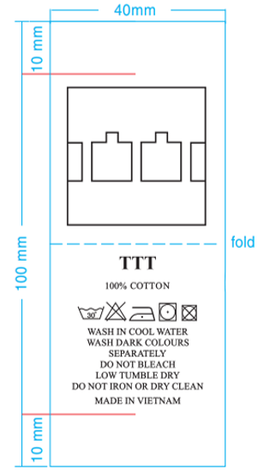 | 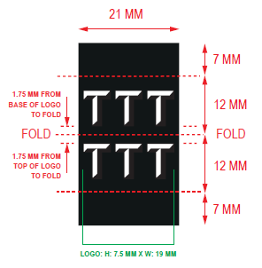
TEE STYLES | T17NHAN1 | CARE LABEL 100% COTTON | H 100MM X W 40MM | SAME AS LAST SEASON | C0017-LST035 | WHITE | PCS | 143 | 0 | 143 |  | VND -
TEE STYLES | T17NHAN1 | CARE LABEL 100% COTTON | H 100MM X W 40MM | SAME AS LAST SEASON | C0017-JKT013 C0017-HOD003 | WHITE | PCS | 149 | 0 | 149 |  | VND - | 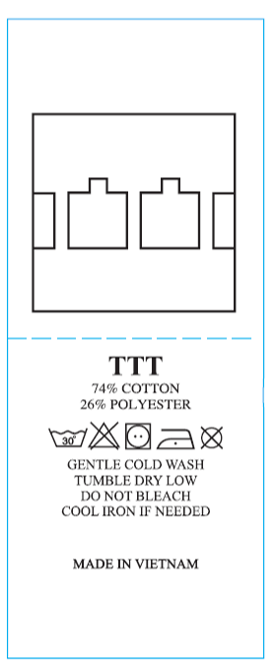 ĐỔI DÙNG EM THÀNH PHẦN CỦA LAYOUT NÀY

 |  |  |  |  |  |  | Total: | 2,924 |  | 2,924 |  | VND -

RECEIVED BY |  |  |  | APPROVED BY |  |  |  |  |  |  | PREPARED BY

