MER.QT-1.BM2
 |  |  |  |  |  |  |  |  |  |  |  | Mã số: | PUR.QT-2.BM1
 |  |  |  |  |  |  |  |  |  |  |  | Lần ban hành: | 01
 |  |  |  |  |  |  |  |  |  |  |  | Số trang: | 1

SUPPLIER: |  |  |  |  | CUSTOMER : |  | TTT |  |  |  |  | ORDER DATE: | 12-Aug-25
ADDRESS: |  |  |  |  | SEASON : |  | SS26 |  |  |  |  | ORDER NO#
ATTN : |  |  |  |  | ETA REQUEST: |  |  |  |  |  |  | JOB NUMBER :
TEL / FAX : |  |  |  |  | GARMENT EXIT DATE : |  |  |  |  |  |  | ORDERED BY :

STYLE NO | CODE TRIMS | DESCRIPTION | DIMENSION / LENGTH | QUALITY APPROVED | CODE | COLOR | UNIT | ORDER QUANTITY | INVENTORY AT IPO DATE | ACTUAL QUANTITY | PRICE | AMOUNT | REMARK
TEE STYLES | T17NHAN1 | CARE LABEL 100% COTTON | H 100MM X W 40MM | SAME AS LAST SEASON | NHÓM SINGLE | WHITE | PCS | 416 | 0 | 416 |  | VND - | 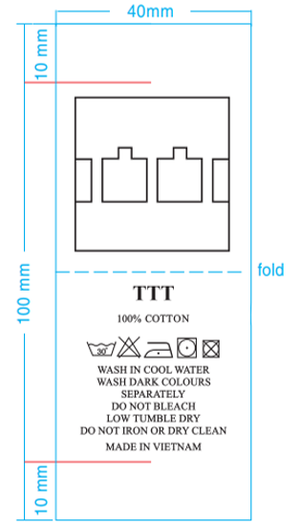

 |  |  |  |  |  |  | Total: | 416 |  | 416 |  | VND -

RECEIVED BY |  |  |  | APPROVED BY |  |  |  |  |  |  | PREPARED BY

