DETAIL
NO | UA STYLE NO. | ITEM | STYLE NAME | FABRIC CONTENT | Q'TY | EXTRA | TOTAL | NOTE | REFERENCE FOR VISUAL ONLY
1 | C0007-JKT087 | CUT&SEW_W7 | POLARTEC® JACKET | 100% POLYESTER | 740 | 60 | 800 | 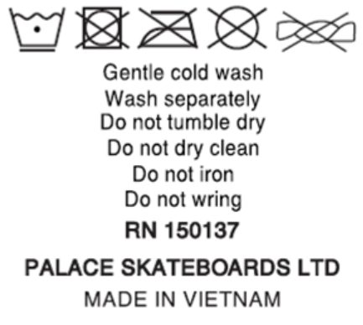 THEO CARE NHƯ HÌNH
2 | C0007-JOG094 | CUT&SEW_W7 | POLARTEC® JOGGER | 100% POLYESTER | 504 | 41 | 545
3 | C0007-LST140 | CUT&SEW_W1 | LENTICULAR LONGSLEEVE | 100% COTTON | 546 | 44 | 590 | 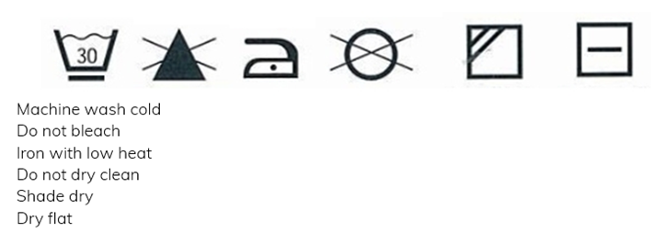 THEO CARE NHƯ HÌNH
4 | C0007-CRW284 | CUT&SEW_W1 | SHOP LOCATOR CREW | 66% COTTON 34% POLYESTER | 145 | 12 | 157 | 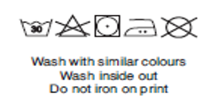 THEO CARE NHƯ HÌNH
5 | C0007-SST1530 | CUT&SEW_W1 | SHOP LOCATOR POCKET T-SHIRT | 100% COTTON | 163 | 14 | 177 | THEO CARE NHƯ HÌNH
TOTAL |  |  |  |  | 2,098 | 171 | 2,269

8 | C0007-JKT087 | CUT&SEW_W7 | POLARTEC® JACKET | 100% POLYESTER | 740 | 60 | 800 | MER GỬI LAYOUT SAU
9 | C0007-JOG094 | CUT&SEW_W7 | POLARTEC® JOGGER | 100% POLYESTER | 504 | 41 | 545
10 | C0007-LST140 | CUT&SEW_W1 | LENTICULAR LONGSLEEVE | 100% COTTON | 546 | 44 | 590
11 | C0007-CRW284 | CUT&SEW_W1 | SHOP LOCATOR CREW | 66% COTTON 34% POLYESTER | 145 | 12 | 157
12 | C0007-SST1530 | CUT&SEW_W1 | SHOP LOCATOR POCKET T-SHIRT | 100% COTTON | 163 | 14 | 177
TOTAL |  |  |  |  | 2,098 | 171 | 2,269

